Data Sheet
 |  |  |  |  |  |  |  |  |  |  |  |  |  |  | Comments:

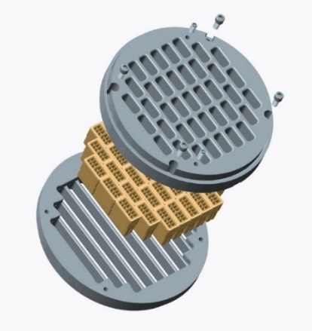

8535-N Jackrabbit Road
Houston, TX 77095
+1 (713) 554-2678
sales@zahroofvalves.com
Application Data Sheet

These are the minumum fields that must be completed. Every effort should be made to garther complete information beyond these minimum fields.
Fields must be completed for new orders or duplicate orders. Indicate in the comments which order is being duplicated.
Fields must be completed for new orders
Fields must be complete for orders with intergral cages
Field must be completed for manufactures other than Ariel and GE

Date |  |  |  |  |  |  | Revision

CUSTOMER |  |  |  |  |  |  | COMPRESSOR
Company |  |  |  |  |  |  | Manufacturer & Model
Location |  |  |  |  |  |  | Serial Number
Address |  |  |  |  |  |  | Rated Hp
City, State Zip |  |  |  |  |  |  | Stroke (in)
Contact Name |  |  |  |  |  |  | Rated Speed, RPM
Phone No. |  |  |  |  |  |  | Conn. Rod Length |  |  |  |  |  |  |  | On file for Ariel and GE only
Email |  |  |  |  |  |  | DRIVER
 |  |  |  |  |  |  | Model
Unit Number |  |  |  |  |  |  | Serial Number
 |  |  |  |  |  |  | Rated Hp
Atmos. Press.(psia) |  |  |  |  |  |  | Rated Speed, RPM |  |  |  |  |  |  |  | Rated or maximum speed of the compressor; enter the actual run speed in the "Operating Conditions" section below.

Prepared by: |  |  |  |  |  |  | Company:
Phone #: |  |  |  |  |  |  | E-Mail:

APPLICATION |  |  |  |  |  |  | PRIORITY (rank 1 through 5 with 1 being the most important)
 |  | Gas Gathering |  |  |  |  |  |  | Increase Throughput
 |  | Transmission |  |  |  |  |  |  | Reduce Power (fuel or electricity) Consumed
 |  | Storage |  |  |  |  |  |  | Increase Valve Life
 |  | CO2 Sequestration |  |  |  |  |  |  | Reduce Inventory
 |  | Other (Please specify in the notes) |  |  |  |  |  |  | Other

Current Valve Life
Target Valve Life

Application Notes: Past issues or observed problems (eg. Short life, liquid in flow stream, dirty gas, etc.) |  |  |  |  |  |  |  |  |  |  | Gas Analysis Attached/On File

 |  |  |  |  |  |  |  |  |  | Gas Component (Mol%) |  | Case 1 | Case 2 | Case 3

 |  |  |  |  |  |  |  |  |  | Methane, CH4
 |  |  |  |  |  |  |  |  |  | Ethane, C2H6
 |  |  |  |  |  |  |  |  |  | Propane, C3H8
 |  |  |  |  |  |  |  |  |  | Butane, C4H10
 |  |  |  |  |  |  |  |  |  | Pentane, C5H12
 |  |  |  |  |  |  |  |  |  | Hexanes +, C6+
 |  |  |  |  |  |  |  |  |  | Nitrogen, N2
 |  |  |  |  |  |  |  |  |  | CO2
 |  |  |  |  |  |  |  |  |  | Water, H2O
 |  |  |  |  |  |  |  |  |  | H2S

Please be advised that this document, submitted through e-mail, will be held and treated as a legal and binding document. Submitter agrees that all information provided within this document is accurate, true and complete and will be liable for valves manufactured by ZVI based on this information

 |  |  |  | Stage 1 | Stage 2 |  | Stage 3 |  | Stage 4 |  | Stage 5 |  | Stage 6
Throw #
CYLINDER DATA
Cylinder Model
Cylinder SN
Cylinder Bore Dia (in)
MAWP
HE Fixed Clearance % (in3) |  |  |  |  |  |  |  |  |  |  |  |  |  |  | Doesn't include valve clearance
CE Fixed Clearance % (in3) |  |  |  |  |  |  |  |  |  |  |  |  |  |  | Doesn't include valve clearance
Piston Rod Dia (in)
2Rated Rod Load (lbf)* |  |  |  |  |  |  |  |  |  |  |  |  |  |  | Optional
2,3Reciprocating Mass (lbs)* |  |  |  |  |  |  |  |  |  |  |  |  |  |  | Optional
VALVE QUANTITIES/CYLINDER |  |  |  |  |  |  |  |  |  |  |  |  |  |  | These are the valve quantities pertaining to one cylinder
Head End
Total # of HE Suction Valves |  |  |  |  |  |  |  |  |  |  |  |  |  |  | Total number of HE suction valves with and without unloaders
Number of Discharge Valves
Number of Valves w/Unloaders
Crank End
Total # of CE Suction Valves |  |  |  |  |  |  |  |  |  |  |  |  |  |  | Total number of CE suction valves with and without unloaders
Number of Discharge Valves
Number of CE Valves w/ Unloaders
 | 1. Attach gas analysis |  |  | 2. Required for load compliance |  |  | 3. Mass of piston and rod assembly, crosshead pin |  |  |  |  |  | *Optional

OPERATING CONDITIONS |  |  |  | Stage 1 | Stage 2 |  | Stage 3 |  | Stage 4 |  | Stage 5 |  | Stage 6
CASE 1 (DESIGN) | 1Gas Description
 | Suction Pressure (PSIG) |  |  |  |  |  |  |  |  |  |  |  |  |  | Cylinder Flange pressure
 | Suction Temp. (oF)
 | Discharge Pressure(PSIG) |  |  |  |  |  |  |  |  |  |  |  |  |  | Cylinder Flange pressure
 | Discharge Temp(0F)*
 | HE Pocket (% or in3) |  |  |  |  |  |  |  |  |  |  |  |  |  | Add units to the value in the cell to indicate % or in3
 | HE Spacers (% or in3) |  |  |  |  |  |  |  |  |  |  |  |  |  | Add units to the value in the cell to indicate % or in3
 | CE Spacers (% or in3) |  |  |  |  |  |  |  |  |  |  |  |  |  | Add units to the value in the cell to indicate % or in3
 | ⁴Total Clearance, HE % (in3) |  |  |  |  |  |  |  |  |  |  |  |  |  | Fixed and Variable clearance
 | ⁴Total Clearance, CE % (in3) |  |  |  |  |  |  |  |  |  |  |  |  |  | Fixed and Variable clearance
 | Flow(MMSCFD)* |  |  |  |  |  |  |  |  |  |  |  |  |  | Measured flow
 | Power (HP) |  |  |  |  |  |  |  |  |  |  |  |  |  | Measured power
 | RPM |  |  |  |  |  |  |  |  |  |  |  |  |  | Speed the compressor is operating at under these conditions (not the "rated" or maximum speed)
CASE 2 - MAX (if applicable) | 1Gas Description
 | Suction Pressure (PSIG)
 | Suction Temp. (oF)
 | Discharge Pressure(PSIG)
 | Discharge Temp(0F)*
 | ⁴Total Clearance, HE % (in3)
 | ⁴Total Clearance, CE % (in3)
 | Flow(MMSCFD)*
 | Power (HP)
 | RPM
CASE 3 - MIN (if applicable) | 1Gas Description
 | Suction Pressure (PSIG)
 | Suction Temp. (oF)
 | Discharge Pressure(PSIG)
 | Discharge Temp(0F)*
 | ⁴Total Clearance, HE % (in3)
 | ⁴Total Clearance, CE % (in3)
 | Flow(MMSCFD)*
 | Power (HP)
 | RPM
 | 1. Attach gas analysis |  |  | 4. Running Clearance including Valve clearance, fixed cylinder clearance and Added clearance.

Attach valve assembly drawings with dimensions; or Enter the value of dimensions shown in the figure below, in the table.
Dimensions are in inches and should include tolerances. Add any features critical to installation of valve in compressor, that is
not included in figure below in a separate sheet (eg: cage holes dimensions and location for IR compressors).

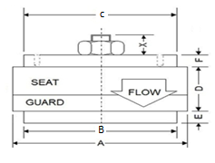
Type 1:
Conventional Suction Valve
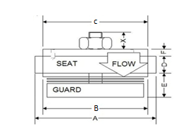
Type 3:
Hanging Suction Valve
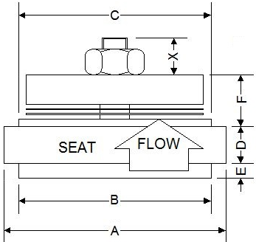
Type 4:
Hanging Discharge Valve
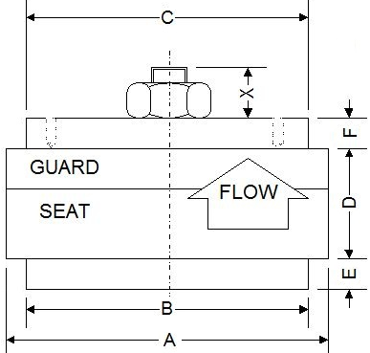
Type 2:
Conventional Discharge Valve

 |  |  |  |  | Flange OD | Cylinder Side | Cage/Retainer Side | Total Flange Thickness | Step height (Cylinder Side) | Step height (Cage Side) | Gasket Information |  | O-ring Information
Valve Dimensions |  |  | TYPE | PART # | A | B | C | D | E | F | PART # | ID/OD/T | PART # | ID/CS
Stage 1, Suction |  |  |  |  |  |  |  |  |  |  |  |  |  |  | Gaskets: ID = Inner diameter; OD = Outer diameter; T = Gasket thickness
Stage 1, Discharge |  |  |  |  |  |  |  |  |  |  |  |  |  |  | O-rings: ID = Inner Diameter; CS = Cross section of O-ring
Stage 2, Suction
Stage 2, Discharge
Stage 3, Suction
Stage 3, Discharge
Stage 4, Suction
Stage 4, Discharge
Stage 5, Suction |  |  |  |  |  |  |  |  |  |  |  |  |  |  |  | 1: Conv. SV
Stage 5, Discharge |  |  |  |  |  |  |  |  |  |  |  |  |  |  |  | 2: Conv. DV
Stage 6, Suction |  |  |  |  |  |  |  |  |  |  |  |  |  |  |  | 3: Hanging SV
Stage 6, Discharge |  |  |  |  |  |  |  |  |  |  |  |  |  |  |  | 4: Hanging DV

Cage information: Enter the cage dimensions if total valve thickness is less than 1.500 inch (or) For integral valve-cage. Enter the valve cage dimensions to the 3rd decimal in inches with tolerance. List all critical features of cage that is not included in the figure below in a separate sheet

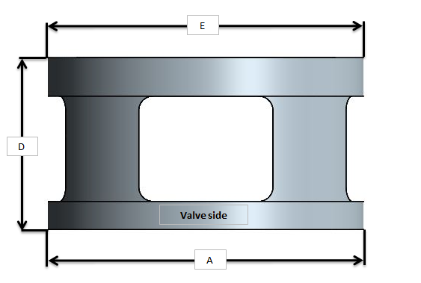
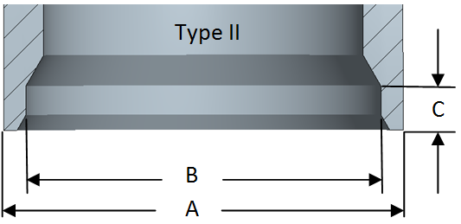
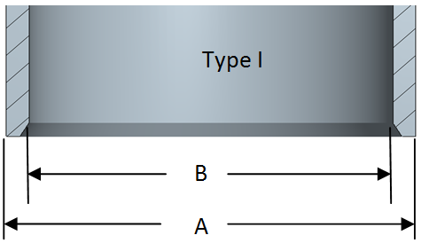

Cage Dimensions |  |  | Part Number |  | A |  | B |  | C |  | D |  | E
Stage 1, Suction
Stage 1, Discharge
Stage 2, Suction
Stage 2, Discharge
Stage 3, Suction
Stage 3, Discharge
Stage 4, Suction
Stage 4, Discharge
Stage 5, Suction
Stage 5, Discharge
Stage 6, Suction
Stage 6, Discharge

Valve Cover |  |  | Part Numbers |  | # of bolts |  | Bolt Size (thread diameter & threads per inch) |  | Torque (ft.lbs) |  | Jackbolt?
If the cage has a jackbolt, record the jackbolt specs, not the valve cover.
Stage 1, Suction
Stage 1, Discharge
Stage 2, Suction
Stage 2, Discharge
Stage 3, Suction
Stage 3, Discharge
Stage 4, Suction
Stage 4, Discharge
Stage 5, Suction
Stage 5, Discharge
Stage 6, Suction
Stage 6, Discharge

Unloader Dimensions
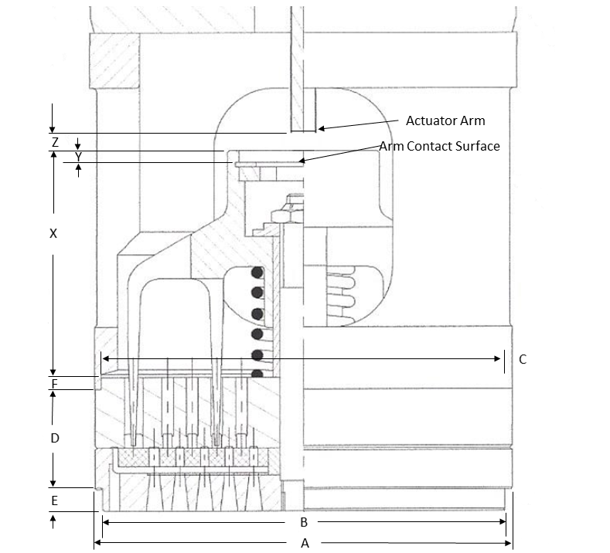

 | Note:
 | Be sure to record the ID of
 | the cage or the OD of the
 | unloader.

Dimensions |  | PART # | A | B | C | D | E | F | X | Y | Z
Stage 1, Suction Unloader
Stage 2, Suction Unloader
Stage 3, Suction Unloader

Dimensions |  | PART # | A |  | C |  | E
Stage 1, Suction Unloader
Stage 2, Suction Unloader
Stage 3, Suction Unloader

Plug Valve
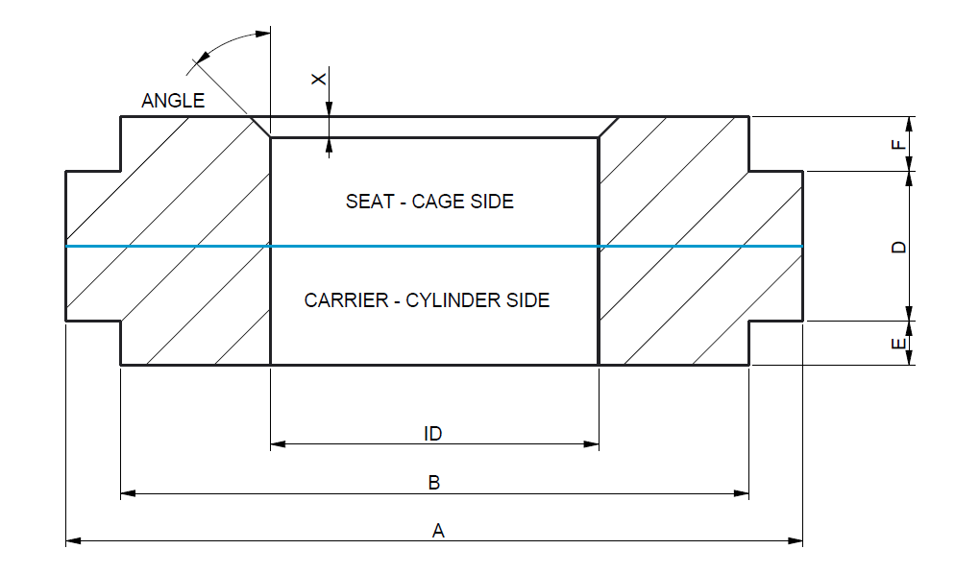

Description | Part # | A | B | C | D | E | F | ID | Angle | X

Gemini Cover Cage
 |  | Eternal Dimensions |  |  |  |  |  |  | Internal Dimensions

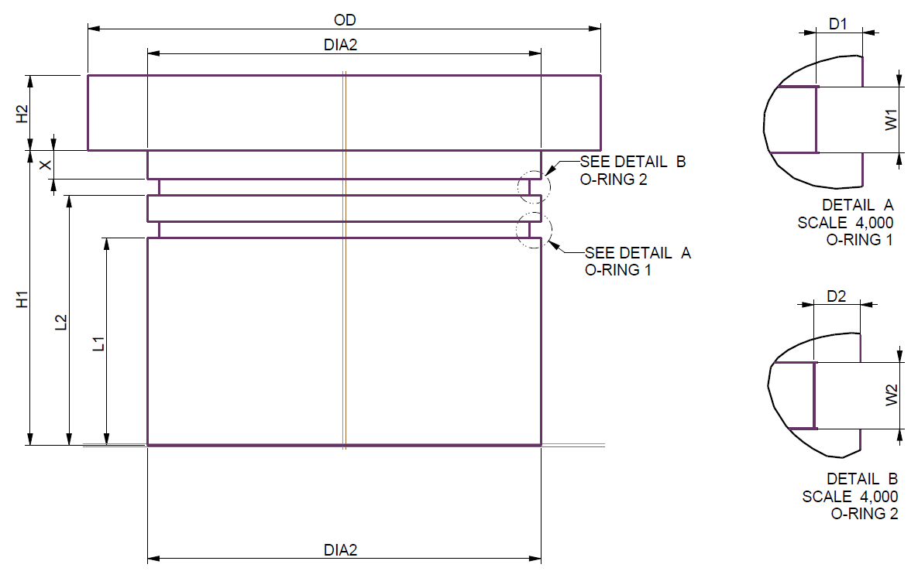
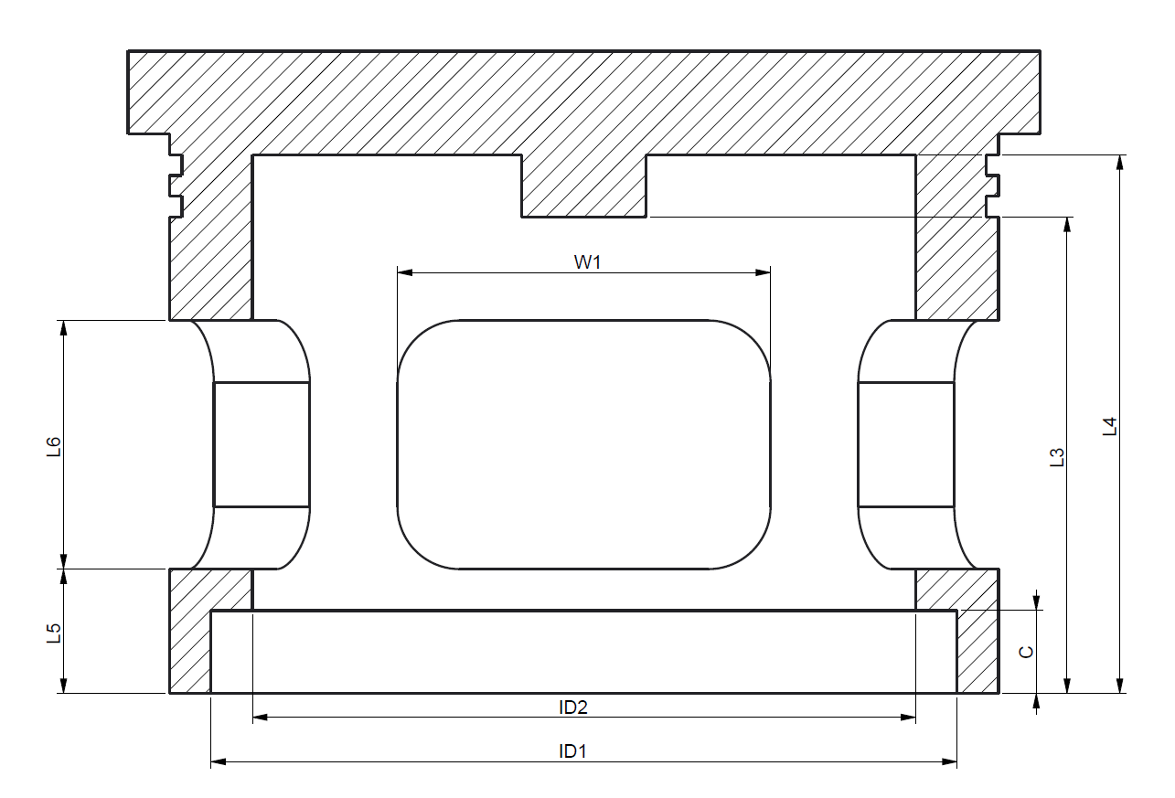

 | Note: for odd shaped covers trace the design and bolt holes on paper

Valve cap/cage | Part Number | OD | DIA2 | DIA1 | H2 | H1 | ID1 | ID2 | C | L3 | L4 | L5 | L6 | W1
STAGE 1, SUCTION | \
STAGE 1, DISCHARGE
STAGE 2, SUCTION
STAGE 2, DISCHARGE
STAGE 3, SUCTION
STAGE 3, DISCHARGE

 |  |  |  |  |  |  |  |  | Gasket Information |  | O-ring Information
O-ring groove | Part Number | GD1 | D1 | W1 | GD2 | D2 | W2 | L1 | L2 | X | PART # | ID/OD/T | PART # | ID/CS
STAGE 1, SUCTION
STAGE 1, DISCHARGE
STAGE 2, SUCTION
STAGE 2, DISCHARGE
STAGE 3, SUCTION
STAGE 3, DISCHARGE

