Population
Map | Province | Capital | Area in | Population* | Previous province | Time zone
 |  |  | km2 (sq mi)
1 | Kinshasa | Kinshasa | 9,965 (3,848) | 11,575,000 | Kinshasa[1] | UTC+1 | w
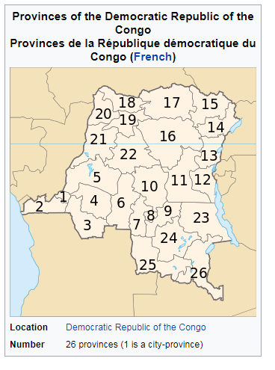
2 | Kongo Central | Matadi | 53,929 (20,822) | 5,575,000 | Bas-Congo[1] | UTC+1 | w
3 | Kwango | Kenge | 89,974 (34,739) | 1,994,036 | Bandundu | UTC+1 | w
4 | Kwilu | Kikwit | 78,219 (30,201) | 5,174,718 | Bandundu | UTC+1 | w
5 | Mai-Ndombe | Inongo | 127,465 (49,215) | 1,768,327 | Bandundu | UTC+1 | w
6 | Kasaï | Luebo | 95,631 (36,923) | 3,199,891 | Kasaï-Occidental | UTC+2 | w
7 | Kasaï-Central | Kananga | 59,111 (22,823) | 2,976,806 | Kasaï-Occidental | UTC+2 | w
8 | Kasaï-Oriental | Mbuji-Mayi | 9,481 (3,661) | 2,702,430 | Kasaï-Oriental | UTC+2 | w
9 | Lomami | Kabinda | 56,010 (21,630) | 2,048,839 | Kasaï-Oriental | UTC+2 | e
10 | Sankuru | Lusambo | 105,000 (41,000) | 1,374,239 | Kasaï-Oriental | UTC+2 | w
11 | Maniema | Kindu | 132,520 (51,170) | 2,333,000 | Maniema[1] | UTC+2 | e
12 | South Kivu | Bukavu | 65,070 (25,120) | 5,772,000 | South Kivu[1] | UTC+2 | e
13 | North Kivu | Goma | 59,483 (22,967) | 6,655,000 | North Kivu[1] | UTC+2 | e
14 | Ituri | Bunia | 65,658 (25,351) | 4,241,236 | Orientale | UTC+2 | e
15 | Haut-Uele | Isiro | 89,683 (34,627) | 1,920,867 | Orientale | UTC+2 | e
16 | Tshopo | Kisangani | 199,567 (77,053) | 2,614,630 | Orientale | UTC+2 | e
17 | Bas-Uele | Buta | 148,331 (57,271) | 1,093,845 | Orientale | UTC+2 | e
18 | Nord-Ubangi | Gbadolite | 56,644 (21,870) | 1,482,076 | Équateur | UTC+1 | w
19 | Mongala | Lisala | 58,141 (22,448) | 1,793,564 | Équateur | UTC+1 | w
20 | Sud-Ubangi | Gemena | 51,648 (19,941) | 2,744,345 | Équateur | UTC+1 | w
21 | Équateur | Mbandaka | 103,902 (40,117) | 1,626,606 | Équateur | UTC+1 | w
22 | Tshuapa | Boende | 132,940 (51,330) | 1,316,855 | Équateur | UTC+1 | w
23 | Tanganyika | Kalemie | 134,940 (52,100) | 2,482,001 | Katanga | UTC+2 | e
24 | Haut-Lomami | Kamina | 108,204 (41,778) | 2,540,127 | Katanga | UTC+2 | e
25 | Lualaba | Kolwezi | 121,308 (46,837) | 1,677,288 | Katanga | UTC+2 | w
26 | Haut-Katanga | Lubumbashi | 132,425 (51,130) | 3,960,945 | Katanga | UTC+2 | e

