Sheet1
 | Trigger | Digit
 | 0.253585
 | 0.253554
 | 0.253687 | 0.25
 | 0.25371 | 0.25
 | 0.253577 | 0.25
 | 0.253636 | 0.25
 | 0.253602 | 0.25
 | 0.253618 | 0.25
 | 0.25366 | 0.25
 | 0.253661 | 0.25
 | 0.253532 | 0.25
 | 0.253586 | 0.25
 | 0.253406 | 0.25
 | 0.253933 | 0.25
 | 0.252895 | 0.25
 | 0.257386 | 0.28
 | 0.275057 | 0.28
 | 0.276559 | 0.28
 | 0.274595 | 0.28
 | 0.255263 | 0.25
 | 0.258841 | 0.25
 | 0.277965 | 0.28
 | 0.26173 | 0.25
 | 0.252223 | 0.25
 | 0.252747 | 0.25
 | 0.262272 | 0.28
 | 0.277577 | 0.28
 | 0.258798 | 0.25
 | 0.252272 | 0.25
 | 0.253704 | 0.25
 | 0.253069 | 0.25
 | 0.254647 | 0.25
 | 0.272549 | 0.28
 | 0.276687 | 0.28
 | 0.276155 | 0.28
 | 0.2594 | 0.25
 | 0.254897 | 0.25
 | 0.27616 | 0.28
 | 0.267002 | 0.28
 | 0.251022 | 0.25
 | 0.270407 | 0.28
 | 0.271364 | 0.28
 | 0.251326 | 0.25
 | 0.266069 | 0.28
 | 0.276494 | 0.28
 | 0.255511 | 0.25
 | 0.258139 | 0.25
 | 0.27678 | 0.28
 | 0.259394 | 0.25
 | 0.252502 | 0.25
...
Trigger | MovAvg | Digit
0.253585
0.253554
0.253687 | 0.25360866667 | 0.25
0.25371 | 0.25362893333 | 0.25
0.253577 | 0.25361854667 | 0.25
0.253636 | 0.25362203733 | 0.25
0.253602 | 0.25361802987 | 0.25
0.253618 | 0.25361802389 | 0.25
0.25366 | 0.25362641911 | 0.25
0.253661 | 0.25363333529 | 0.25
0.253532 | 0.25361306823 | 0.25
0.253586 | 0.25360765459 | 0.25
0.253406 | 0.25356732367 | 0.25
0.253933 | 0.25364045894 | 0.25
0.252895 | 0.25349136715 | 0.25
0.257386 | 0.25427029372 | 0.28
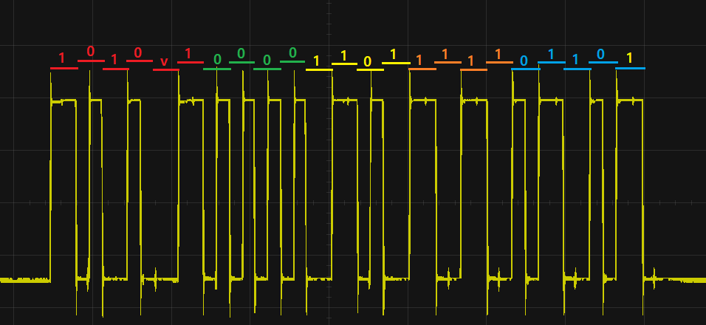
0.275057 | 0.25842763497 | 0.28
0.276559 | 0.26205390798 | 0.28
0.274595 | 0.26456212638 | 0.28
0.255263 | 0.26270230111 | 0.25
0.258841 | 0.26193004089 | 0.25
0.277965 | 0.26513703271 | 0.28
0.26173 | 0.26445562617 | 0.25
0.252223 | 0.26200910093 | 0.25
0.252747 | 0.26015668075 | 0.25
0.262272 | 0.2605797446 | 0.28
0.277577 | 0.26397919568 | 0.28
0.258798 | 0.26294295654 | 0.25
0.252272 | 0.26080876523 | 0.25
0.253704 | 0.25938781219 | 0.25
0.253069 | 0.25812404975 | 0.25
0.254647 | 0.2574286398 | 0.25
0.272549 | 0.26045271184 | 0.28
0.276687 | 0.26369956947 | 0.28
0.276155 | 0.26619065558 | 0.28
0.2594 | 0.26483252446 | 0.25
0.254897 | 0.26284541957 | 0.25
0.27616 | 0.26550833566 | 0.28
0.267002 | 0.26580706852 | 0.28
0.251022 | 0.26285005482 | 0.25
0.270407 | 0.26436144386 | 0.28
0.271364 | 0.26576195508 | 0.28
0.251326 | 0.26287476407 | 0.25
0.266069 | 0.26351361125 | 0.28
0.276494 | 0.266109689 | 0.28
0.255511 | 0.2639899512 | 0.25
0.258139 | 0.26281976096 | 0.25
0.27678 | 0.26561180877 | 0.28
0.259394 | 0.26436824702 | 0.25
0.252502 | 0.26199499761 | 0.25
0.252269 | 0.26004979809 | 0.25
0.262052 | 0.26045023847 | 0.28
0.276959 | 0.26375199078 | 0.28
0.27632 | 0.26626559262 | 0.28
0.270624 | 0.2671372741 | 0.28
0.251435 | 0.26399681928 | 0.25
0.265696 | 0.26433665542 | 0.28
0.2765 | 0.26676932434 | 0.28
0.256242 | 0.26466385947 | 0.25
0.253098 | 0.26235068758 | 0.25
0.252032 | 0.26028695006 | 0.25
0.265523 | 0.26133416005 | 0.28
0.277147 | 0.26449672804 | 0.28
0.276682 | 0.26693378243 | 0.28
0.270267 | 0.26760042595 | 0.28
0.2527 | 0.26462034076 | 0.25
0.253073 | 0.2623108726 | 0.25
0.255955 | 0.26103969808 | 0.25
0.274537 | 0.26373915847 | 0.28
0.27633 | 0.26625732677 | 0.28
0.276799 | 0.26836566142 | 0.28
0.260008 | 0.26669412914 | 0.25
0.252167 | 0.26378870331 | 0.25
0.252888 | 0.26160856265 | 0.25
0.264819 | 0.26225065012 | 0.28
0.277418 | 0.26528412009 | 0.28
0.255907 | 0.26340869608 | 0.25
0.258076 | 0.26234215686 | 0.25
0.276085 | 0.26509072549 | 0.28
0.276487 | 0.26736998039 | 0.28
0.273605 | 0.26861698431 | 0.28
0.254571 | 0.26580778745 | 0.25
0.253569 | 0.26336002996 | 0.25
0.253044 | 0.26129682397 | 0.25
0.268455 | 0.26272845917 | 0.28
0.275412 | 0.26526516734 | 0.28
0.253327 | 0.26287753387 | 0.25
0.261502 | 0.2626024271 | 0.25
0.276869 | 0.26545574168 | 0.28
0.276396 | 0.26764379334 | 0.28
0.27362 | 0.26883903467 | 0.28
0.254716 | 0.26601442774 | 0.25
0.252835 | 0.26337854219 | 0.25
0.253496 | 0.26140203375 | 0.25
0.253327 | 0.259787027 | 0.25
0.253446 | 0.2585188216 | 0.25
0.253397 | 0.25749445728 | 0.25
0.253531 | 0.25670176583 | 0.25
0.253476 | 0.25605661266 | 0.25
0.253468 | 0.25553889013 | 0.25
0.253567 | 0.2551445121 | 0.25
0.253535 | 0.25482260968 | 0.25
0.253468 | 0.25455168775 | 0.25
0.2536 | 0.2543613502 | 0.25
0.253508 | 0.25419068016 | 0.25
0.253499 | 0.25405234413 | 0.25
0.253611 | 0.2539640753 | 0.25
0.25363 | 0.25389726024 | 0.25
0.25357 | 0.25383180819 | 0.25
0.253614 | 0.25378824655 | 0.25
0.253416 | 0.25371379724 | 0.25
0.253444 | 0.25365983779 | 0.25
0.253484 | 0.25362467024 | 0.25
0.253449 | 0.25358953619 | 0.25
0.253474 | 0.25356642895 | 0.25
0.253505 | 0.25355414316 | 0.25
0.25338 | 0.25351931453 | 0.25
0.253372 | 0.25348985162 | 0.25
0.253364 | 0.2534646813 | 0.25
0.253427 | 0.25345714504 | 0.25
0.253434 | 0.25345251603 | 0.25
0.253468 | 0.25345561282 | 0.25
0.253435 | 0.25345149026 | 0.25
0.253454 | 0.25345199221 | 0.25
0.253514 | 0.25346439377 | 0.25
0.25334 | 0.25343951501 | 0.25
0.253504 | 0.25345241201 | 0.25
0.253483 | 0.25345852961 | 0.25
0.253418 | 0.25345042369 | 0.25
0.253492 | 0.25345873895 | 0.25

Sheet1 (2)
1
1
0
0
v
1
0
0
0
0
1
1
1
0
1
1
1
1
1
0
1
1
0
Trigger | MovAvg | Digit
0.253585
0.253554
0.253687 | 0.25360866667 | 0.25 | 0
0.25371 | 0.25362893333 | 0.25 | 0
0.253577 | 0.25361854667 | 0.25 | 0
0.253636 | 0.25362203733 | 0.25 | 0
0.253602 | 0.25361802987 | 0.25 | 0
0.253618 | 0.25361802389 | 0.25 | 0
0.25366 | 0.25362641911 | 0.25 | 0
0.253661 | 0.25363333529 | 0.25 | 0
0.253532 | 0.25361306823 | 0.25 | 0
0.253586 | 0.25360765459 | 0.25 | 0
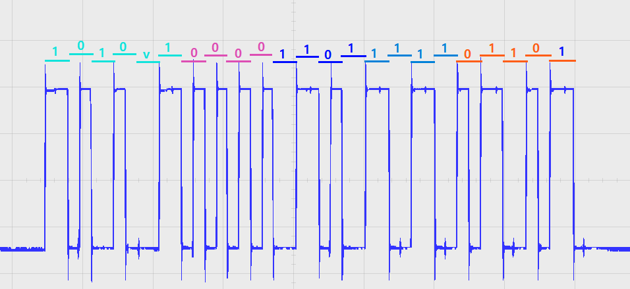
0.253406 | 0.25356732367 | 0.25 | 0
0.253933 | 0.25364045894 | 0.25 | 0
0.252895 | 0.25349136715 | 0.25 | 0
0.257386 | 0.25427029372 | 0.28 | 1
0.275057 | 0.25842763497 | 0.28 | 1
0.276559 | 0.26205390798 | 0.28 | 1
0.274595 | 0.26456212638 | 0.28 | 1
0.255263 | 0.26270230111 | 0.25 | 0
0.258841 | 0.26193004089 | 0.25 | 0
0.277965 | 0.26513703271 | 0.28 | 1
0.26173 | 0.26445562617 | 0.25 | 0
0.252223 | 0.26200910093 | 0.25 | 0
0.252747 | 0.26015668075 | 0.25 | 0
0.262272 | 0.2605797446 | 0.28 | 1
0.277577 | 0.26397919568 | 0.28 | 1
0.258798 | 0.26294295654 | 0.25 | 0
0.252272 | 0.26080876523 | 0.25 | 0
0.253704 | 0.25938781219 | 0.25 | 0
0.253069 | 0.25812404975 | 0.25 | 0
0.254647 | 0.2574286398 | 0.25 | 0
0.272549 | 0.26045271184 | 0.28 | 1
0.276687 | 0.26369956947 | 0.28 | 1
0.276155 | 0.26619065558 | 0.28 | 1
0.2594 | 0.26483252446 | 0.25 | 0
0.254897 | 0.26284541957 | 0.25 | 0
0.27616 | 0.26550833566 | 0.28 | 1
0.267002 | 0.26580706852 | 0.28 | 1
0.251022 | 0.26285005482 | 0.25 | 0
0.270407 | 0.26436144386 | 0.28 | 1
0.271364 | 0.26576195508 | 0.28 | 1
0.251326 | 0.26287476407 | 0.25 | 0
0.266069 | 0.26351361125 | 0.28 | 1
0.276494 | 0.266109689 | 0.28 | 1
0.255511 | 0.2639899512 | 0.25 | 0
0.258139 | 0.26281976096 | 0.25 | 0
0.27678 | 0.26561180877 | 0.28 | 1
0.259394 | 0.26436824702 | 0.25 | 0
0.252502 | 0.26199499761 | 0.25 | 0
0.252269 | 0.26004979809 | 0.25 | 0
0.262052 | 0.26045023847 | 0.28 | 1
0.276959 | 0.26375199078 | 0.28 | 1
0.27632 | 0.26626559262 | 0.28 | 1
0.270624 | 0.2671372741 | 0.28 | 1
0.251435 | 0.26399681928 | 0.25 | 0
0.265696 | 0.26433665542 | 0.28 | 1
0.2765 | 0.26676932434 | 0.28 | 1
0.256242 | 0.26466385947 | 0.25 | 0
0.253098 | 0.26235068758 | 0.25 | 0
0.252032 | 0.26028695006 | 0.25 | 0
0.265523 | 0.26133416005 | 0.28 | 1
0.277147 | 0.26449672804 | 0.28 | 1
0.276682 | 0.26693378243 | 0.28 | 1
0.270267 | 0.26760042595 | 0.28 | 1
0.2527 | 0.26462034076 | 0.25 | 0
0.253073 | 0.2623108726 | 0.25 | 0
0.255955 | 0.26103969808 | 0.25 | 0
0.274537 | 0.26373915847 | 0.28 | 1
0.27633 | 0.26625732677 | 0.28 | 1
0.276799 | 0.26836566142 | 0.28 | 1
0.260008 | 0.26669412914 | 0.25 | 0
0.252167 | 0.26378870331 | 0.25 | 0
0.252888 | 0.26160856265 | 0.25 | 0
0.264819 | 0.26225065012 | 0.28 | 1
0.277418 | 0.26528412009 | 0.28 | 1
0.255907 | 0.26340869608 | 0.25 | 0
0.258076 | 0.26234215686 | 0.25 | 0
0.276085 | 0.26509072549 | 0.28 | 1
0.276487 | 0.26736998039 | 0.28 | 1
0.273605 | 0.26861698431 | 0.28 | 1
0.254571 | 0.26580778745 | 0.25 | 0
0.253569 | 0.26336002996 | 0.25 | 0
0.253044 | 0.26129682397 | 0.25 | 0
0.268455 | 0.26272845917 | 0.28 | 1
0.275412 | 0.26526516734 | 0.28 | 1
0.253327 | 0.26287753387 | 0.25 | 0
0.261502 | 0.2626024271 | 0.25 | 0
0.276869 | 0.26545574168 | 0.28 | 1
0.276396 | 0.26764379334 | 0.28 | 1
0.27362 | 0.26883903467 | 0.28 | 1
0.254716 | 0.26601442774 | 0.25 | 0
0.252835 | 0.26337854219 | 0.25 | 0
0.253496 | 0.26140203375 | 0.25 | 0
0.253327 | 0.259787027 | 0.25 | 0
0.253446 | 0.2585188216 | 0.25 | 0
0.253397 | 0.25749445728 | 0.25 | 0
0.253531 | 0.25670176583 | 0.25 | 0
0.253476 | 0.25605661266 | 0.25 | 0
0.253468 | 0.25553889013 | 0.25 | 0
0.253567 | 0.2551445121 | 0.25 | 0
0.253535 | 0.25482260968 | 0.25 | 0
0.253468 | 0.25455168775 | 0.25 | 0
0.2536 | 0.2543613502 | 0.25 | 0
0.253508 | 0.25419068016 | 0.25 | 0
0.253499 | 0.25405234413 | 0.25 | 0
0.253611 | 0.2539640753 | 0.25 | 0
0.25363 | 0.25389726024 | 0.25 | 0
0.25357 | 0.25383180819 | 0.25 | 0
0.253614 | 0.25378824655 | 0.25 | 0
0.253416 | 0.25371379724 | 0.25 | 0
0.253444 | 0.25365983779 | 0.25 | 0
0.253484 | 0.25362467024 | 0.25 | 0
0.253449 | 0.25358953619 | 0.25 | 0
0.253474 | 0.25356642895 | 0.25 | 0
0.253505 | 0.25355414316 | 0.25 | 0
0.25338 | 0.25351931453 | 0.25 | 0
0.253372 | 0.25348985162 | 0.25 | 0
0.253364 | 0.2534646813 | 0.25 | 0
0.253427 | 0.25345714504 | 0.25 | 0
0.253434 | 0.25345251603 | 0.25 | 0
0.253468 | 0.25345561282 | 0.25 | 0
0.253435 | 0.25345149026 | 0.25 | 0
0.253454 | 0.25345199221 | 0.25 | 0
0.253514 | 0.25346439377 | 0.25 | 0
0.25334 | 0.25343951501 | 0.25 | 0
0.253504 | 0.25345241201 | 0.25 | 0
0.253483 | 0.25345852961 | 0.25 | 0
0.253418 | 0.25345042369 | 0.25 | 0
0.253492 | 0.25345873895 | 0.25 | 0

