Sheet2
 | Pins available in HW v1 & v2
 | Pins available in HW v2 only
ESP32S3-WROOM-1 |  |  |  |  | Pump controller | water_controller | westa_controller | gate_controller
Name | No. | Type a | Function
IO0 | 27 | I/O/T | RTC_GPIO0, GPIO0 | 0
IO1 | 39 | I/O/T | RTC_GPIO1, GPIO1, TOUCH1, ADC1_CH0 | 1 | PUMP_ONOFF_LED |  | I2C_MASTER_SDA_IO
IO2 | 38 | I/O/T | RTC_GPIO2, GPIO2, TOUCH2, ADC1_CH1 | 2
IO3 | 15 | I/O/T | RTC_GPIO3, GPIO3, TOUCH3, ADC1_CH2 | 3 | PUMP_FAULT_LED | PINMOT_B1
IO4 | 4 | I/O/T | RTC_GPIO4, GPIO4, TOUCH4, ADC1_CH3 | 4 | CURRENT_PIN | PINSENSE_MOT | I2C_MASTER_SCL_IO | GATE_PIN_CLOSE
IO5 | 5 | I/O/T | RTC_GPIO5, GPIO5, TOUCH5, ADC1_CH4 | 5 | SENSOR_PIN |  | DHT_DATA_PIN | GATE_PIN_SENSE
IO6 | 6 | I/O/T | RTC_GPIO6, GPIO6, TOUCH6, ADC1_CH5 | 6 | PUMP_ONOFF_PIN | PINEN_DV0 | DS1820
IO7 | 7 | I/O/T | RTC_GPIO7, GPIO7, TOUCH7, ADC1_CH6 | 7 | PUMP_ONLINE_CMD | PINEN_DV1 | RG_GPIO | GATE_PIN_OPEN
IO8 | 12 | I/O/T | RTC_GPIO8, GPIO8, TOUCH8, ADC1_CH7, SUBSPICS1 | 8 | PUMP_ONLINE_LED | PINMOT_A1
IO9 | 17 | I/O/T | RTC_GPIO9, GPIO9, TOUCH9, ADC1_CH8, FSPIHD, SUBSPIHD | 9
IO10 | 18 | I/O/T | RTC_GPIO10, GPIO10, TOUCH10, ADC1_CH9, FSPICS0, FSPIIO4, SUBSPICS0 | 10
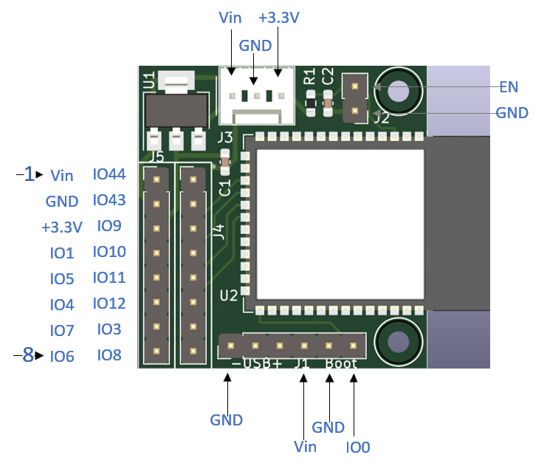
IO11 | 19 | I/O/T | RTC_GPIO11, GPIO11, TOUCH11, ADC2_CH0, FSPID, FSPIIO5, SUBSPID | 11
IO12 | 20 | I/O/T | RTC_GPIO12, GPIO12, TOUCH12, ADC2_CH1, FSPICLK, FSPIIO6, SUBSPICLK | 12
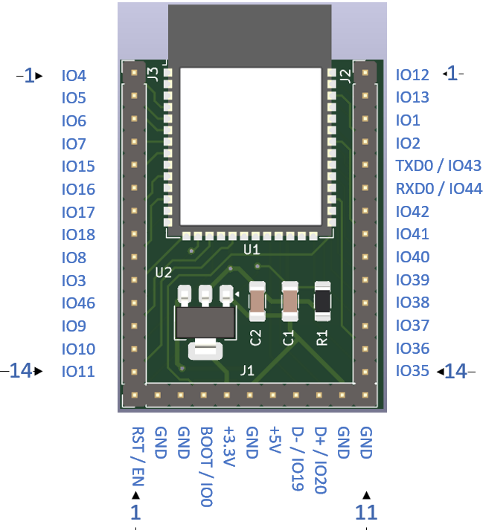
IO13 | 21 | I/O/T | RTC_GPIO13, GPIO13, TOUCH13, ADC2_CH2, FSPIQ, FSPIIO7, SUBSPIQ | 13
IO14 | 22 | I/O/T | RTC_GPIO14, GPIO14, TOUCH14, ADC2_CH3, FSPIWP, FSPIDQS, SUBSPIWP | 14
IO15 | 8 | I/O/T | RTC_GPIO15, GPIO15, U0RTS, ADC2_CH4, XTAL_32K_P | 15
IO16 | 9 | I/O/T | RTC_GPIO16, GPIO16, U0CTS, ADC2_CH5, XTAL_32K_N | 16
IO17 | 10 | I/O/T | RTC_GPIO17, GPIO17, U1TXD, ADC2_CH6 | 17
IO18 | 11 | I/O/T | RTC_GPIO18, GPIO18, U1RXD, ADC2_CH7, CLK_OUT3 | 18
IO19 | 13 | I/O/T | RTC_GPIO19, GPIO19, U1RTS, ADC2_CH8, CLK_OUT2, USB_D | 19
IO20 | 14 | I/O/T | RTC_GPIO20, GPIO20, U1CTS, ADC2_CH9, CLK_OUT1, USB_D+ | 20
IO21 | 23 | I/O/T | RTC_GPIO21, GPIO21 | 21
IO35 b | 28 | I/O/T | SPIIO6, GPIO35, FSPID, SUBSPID | 35
IO36 b | 29 | I/O/T | SPIIO7, GPIO36, FSPICLK, SUBSPICLK | 36
IO37 b | 30 | I/O/T | SPIDQS, GPIO37, FSPIQ, SUBSPIQ | 37
IO38 | 31 | I/O/T | GPIO38, FSPIWP, SUBSPIWP | 38
IO39 | 32 | I/O/T | MTCK, GPIO39, CLK_OUT3, SUBSPICS1 | 39
IO40 | 33 | I/O/T | MTDO, GPIO40, CLK_OUT2 | 40
IO41 | 34 | I/O/T | MTDI, GPIO41, CLK_OUT1 | 41
IO42 | 35 | I/O/T | MTMS, GPIO42 | 42
TXD0 | 37 | I/O/T | U0TXD, GPIO43, CLK_OUT1 | 43
RXD0 | 36 | I/O/T | U0RXD, GPIO44, CLK_OUT2 | 44
IO45 | 26 | I/O/T | GPIO45 | 45
IO46 | 16 | I/O/T | GPIO46 | 46
IO47 c | 24 | I/O/T | SPICLK_P_DIFF,GPIO47, SUBSPICLK_P_DIFF | 47
IO48 c | 25 | I/O/T | SPICLK_N_DIFF,GPIO48, SUBSPICLK_N_DIFF | 48
EPAD | 41 | P | GND | AD
GND | 40 | P | GND | D
GND | 1 | P | GND | NA
3V3 | 2 | P | Power supply | NA
EN | 3 | I | High: on, enables the chip. Low: off, the chip powers off. Note: Do not leave the EN pin floating. | NA

Sheet3
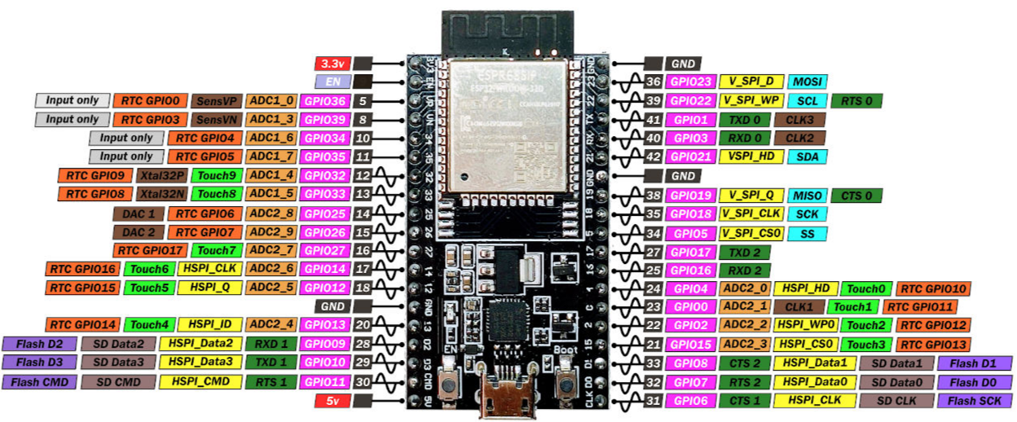
 |  |  |  | WP_CONTROLLER
 |  |  |  | HW_V1 | HW_V2
ESP32-WROOM-32 |  |  |  | V1 & V2
Name | No. | Type | Function
GND | 1 | P | Ground
3V3 | 2 | P | Power supply
EN | 3 | I | Module-enable signal. Active high.
SENSOR_VP | 4 | I | GPIO36, ADC1_CH0, RTC_GPIO0 |  | PIN_NUM_QMETER
SENSOR_VN | 5 | I | GPIO39, ADC1_CH3, RTC_GPIO3 |  | ROT_ENC_S1
IO34 | 6 | I | GPIO34, ADC1_CH6, RTC_GPIO4 | PIN_NUM_QMETER | ROT_ENC_S2
IO35 | 7 | I | GPIO35, ADC1_CH7, RTC_GPIO5 | ROT_ENC_S1 | ROT_ENC_KEY
IO32 | 8 | I/O | GPIO32, XTAL_32K_P (32.768 kHz crystal oscillator input), ADC1_CH4, TOUCH9, RTC_GPIO9 | ROT_ENC_S2 | PIN_NUM_CLK
IO33 | 9 | I/O | GPIO33, XTAL_32K_N (32.768 kHz crystal oscillator output), ADC1_CH5, TOUCH8, RTC_GPIO8 | ROT_ENC_KEY | PIN_NUM_MOSI
IO25 | 10 | I/O | GPIO25, DAC_1, ADC2_CH8, RTC_GPIO6, EMAC_RXD0 | PIN_NUM_CLK | PIN_NUM_MISO
IO26 | 11 | I/O | GPIO26, DAC_2, ADC2_CH9, RTC_GPIO7, EMAC_RXD1 | PIN_NUM_MOSI | PIN_NUM_CONVST
IO27 | 12 | I/O | GPIO27, ADC2_CH7, TOUCH7, RTC_GPIO17, EMAC_RX_DV | PIN_NUM_MISO
IO14 | 13 | I/O | GPIO14, ADC2_CH6, TOUCH6, RTC_GPIO16, MTMS, HSPICLK, HS2_CLK, SD_CLK, EMAC_TXD2 | PIN_NUM_CONVST | PINEN_DV2
IO12 | 14 | I/O | GPIO12, ADC2_CH5, TOUCH5, RTC_GPIO15, MTDI, HSPIQ, HS2_DATA2, SD_DATA2, EMAC_TXD3
GND | 15 | P | Ground
IO13 | 16 | I/O | GPIO13, ADC2_CH4, TOUCH4, RTC_GPIO14, MTCK, HSPID, HS2_DATA3, SD_DATA3, EMAC_RX_ER |  | PINEN_DV3
SHD/SD2* | 17 | I/O | GPIO9, SD_DATA2, SPIHD, HS1_DATA2, U1RXD
SWP/SD3* | 18 | I/O | GPIO10, SD_DATA3, SPIWP, HS1_DATA3, U1TXD
SCS/CMD* | 19 | I/O | GPIO11, SD_CMD, SPICS0, HS1_CMD, U1RTS
SCK/CLK* | 20 | I/O | GPIO6, SD_CLK, SPICLK, HS1_CLK, U1CTS
SDO/SD0* | 21 | I/O | GPIO7, SD_DATA0, SPIQ, HS1_DATA0, U2RTS
SDI/SD1* | 22 | I/O | GPIO8, SD_DATA1, SPID, HS1_DATA1, U2CTS
IO15 | 23 | I/O | GPIO15, ADC2_CH3, TOUCH3, MTDO, HSPICS0, RTC_GPIO13, HS2_CMD, SD_CMD, EMAC_RXD3 | PINMOT_B1 | PINEN_DV1
IO2 | 24 | I/O | GPIO2, ADC2_CH2, TOUCH2, RTC_GPIO12, HSPIWP, HS2_DATA0, SD_DATA0 | PINMOT_A1 | PINMOT_B1
IO0 | 25 | I/O | GPIO0, ADC2_CH1, TOUCH1, RTC_GPIO11, CLK_OUT1, EMAC_TX_CLK
IO4 | 26 | I/O | GPIO4, ADC2_CH0, TOUCH0, RTC_GPIO10, HSPIHD, HS2_DATA1, SD_DATA1, EMAC_TX_ER | PINEN_DV1 | PINMOT_A1
IO16 | 27 | I/O | GPIO16, HS1_DATA4, U2RXD, EMAC_CLK_OUT | PINEN_DV0 | PINEN_DV0
IO17 | 28 | I/O | GPIO17, HS1_DATA5, U2TXD, EMAC_CLK_OUT_180 | LCD_BK_LIGHT
IO5 | 29 | I/O | GPIO5, VSPICS0, HS1_DATA6, EMAC_RX_CLK | LCD_SCLK
IO18 | 30 | I/O | GPIO18, VSPICLK, HS1_DATA7 | LCD_MOSI
IO19 | 31 | I/O | GPIO19, VSPIQ, U0CTS, EMAC_TXD0 | LCD_DC
NC | 32 | - | -
IO21 | 33 | I/O | GPIO21, VSPIHD, EMAC_TX_EN | LCD_RST
RXD0 | 34 | I/O | GPIO3, U0RXD, CLK_OUT2
TXD0 | 35 | I/O | GPIO1, U0TXD, CLK_OUT3, EMAC_RXD2
IO22 | 36 | I/O | GPIO22, VSPIWP, U0RTS, EMAC_TXD1 | LCD_CS
IO23 | 37 | I/O | GPIO23, VSPID, HS1_STROBE
GND | 38 | P | Ground

