Sheet2
 | Pins available in HW v1 & v2
 | Pins available in HW v2 only
ESP32S3-WROOM-1 |  |  |  |  | Pump controller | water_controller | westa_controller | gate_controller
Name | No. | Type a | Function
IO0 | 27 | I/O/T | RTC_GPIO0, GPIO0 | 0
IO1 | 39 | I/O/T | RTC_GPIO1, GPIO1, TOUCH1, ADC1_CH0 | 1 | PUMP_ONOFF_LED |  | I2C_MASTER_SDA_IO
IO2 | 38 | I/O/T | RTC_GPIO2, GPIO2, TOUCH2, ADC1_CH1 | 2
IO3 | 15 | I/O/T | RTC_GPIO3, GPIO3, TOUCH3, ADC1_CH2 | 3 | PUMP_FAULT_LED | PINMOT_B1
IO4 | 4 | I/O/T | RTC_GPIO4, GPIO4, TOUCH4, ADC1_CH3 | 4 | CURRENT_PIN | PINSENSE_MOT | I2C_MASTER_SCL_IO | GATE_PIN_CLOSE
IO5 | 5 | I/O/T | RTC_GPIO5, GPIO5, TOUCH5, ADC1_CH4 | 5 | SENSOR_PIN |  | DHT_DATA_PIN | GATE_PIN_SENSE
IO6 | 6 | I/O/T | RTC_GPIO6, GPIO6, TOUCH6, ADC1_CH5 | 6 | PUMP_ONOFF_PIN | PINEN_DV0 | DS1820
IO7 | 7 | I/O/T | RTC_GPIO7, GPIO7, TOUCH7, ADC1_CH6 | 7 | PUMP_ONLINE_CMD | PINEN_DV1 | RG_GPIO | GATE_PIN_OPEN
IO8 | 12 | I/O/T | RTC_GPIO8, GPIO8, TOUCH8, ADC1_CH7, SUBSPICS1 | 8 | PUMP_ONLINE_LED | PINMOT_A1
IO9 | 17 | I/O/T | RTC_GPIO9, GPIO9, TOUCH9, ADC1_CH8, FSPIHD, SUBSPIHD | 9
IO10 | 18 | I/O/T | RTC_GPIO10, GPIO10, TOUCH10, ADC1_CH9, FSPICS0, FSPIIO4, SUBSPICS0 | 10
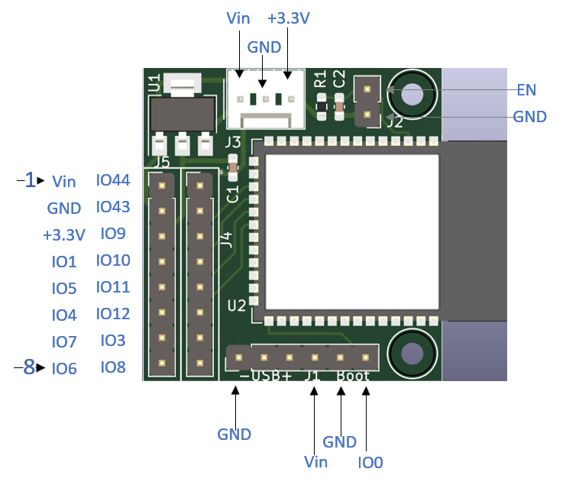
IO11 | 19 | I/O/T | RTC_GPIO11, GPIO11, TOUCH11, ADC2_CH0, FSPID, FSPIIO5, SUBSPID | 11
IO12 | 20 | I/O/T | RTC_GPIO12, GPIO12, TOUCH12, ADC2_CH1, FSPICLK, FSPIIO6, SUBSPICLK | 12
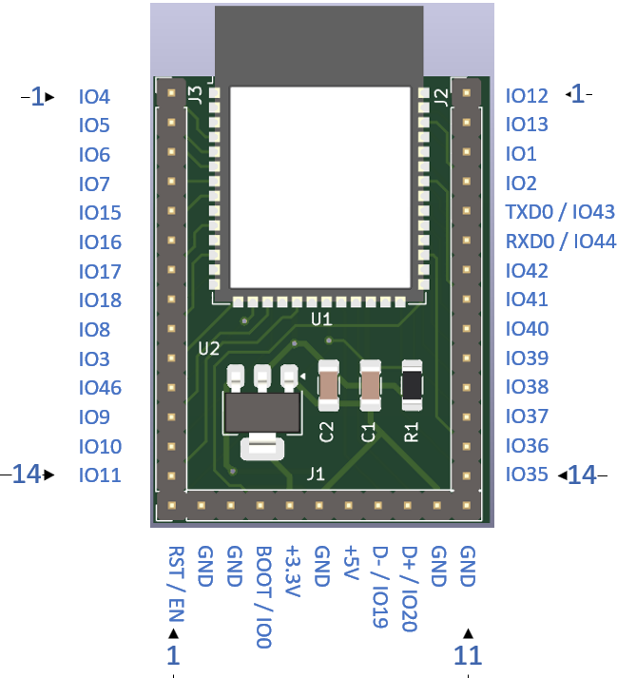
IO13 | 21 | I/O/T | RTC_GPIO13, GPIO13, TOUCH13, ADC2_CH2, FSPIQ, FSPIIO7, SUBSPIQ | 13
IO14 | 22 | I/O/T | RTC_GPIO14, GPIO14, TOUCH14, ADC2_CH3, FSPIWP, FSPIDQS, SUBSPIWP | 14
IO15 | 8 | I/O/T | RTC_GPIO15, GPIO15, U0RTS, ADC2_CH4, XTAL_32K_P | 15
IO16 | 9 | I/O/T | RTC_GPIO16, GPIO16, U0CTS, ADC2_CH5, XTAL_32K_N | 16
IO17 | 10 | I/O/T | RTC_GPIO17, GPIO17, U1TXD, ADC2_CH6 | 17
IO18 | 11 | I/O/T | RTC_GPIO18, GPIO18, U1RXD, ADC2_CH7, CLK_OUT3 | 18
IO19 | 13 | I/O/T | RTC_GPIO19, GPIO19, U1RTS, ADC2_CH8, CLK_OUT2, USB_D | 19
IO20 | 14 | I/O/T | RTC_GPIO20, GPIO20, U1CTS, ADC2_CH9, CLK_OUT1, USB_D+ | 20
IO21 | 23 | I/O/T | RTC_GPIO21, GPIO21 | 21
IO35 b | 28 | I/O/T | SPIIO6, GPIO35, FSPID, SUBSPID | 35
IO36 b | 29 | I/O/T | SPIIO7, GPIO36, FSPICLK, SUBSPICLK | 36
IO37 b | 30 | I/O/T | SPIDQS, GPIO37, FSPIQ, SUBSPIQ | 37
IO38 | 31 | I/O/T | GPIO38, FSPIWP, SUBSPIWP | 38
IO39 | 32 | I/O/T | MTCK, GPIO39, CLK_OUT3, SUBSPICS1 | 39
IO40 | 33 | I/O/T | MTDO, GPIO40, CLK_OUT2 | 40
IO41 | 34 | I/O/T | MTDI, GPIO41, CLK_OUT1 | 41
IO42 | 35 | I/O/T | MTMS, GPIO42 | 42
TXD0 | 37 | I/O/T | U0TXD, GPIO43, CLK_OUT1 | 43
RXD0 | 36 | I/O/T | U0RXD, GPIO44, CLK_OUT2 | 44
IO45 | 26 | I/O/T | GPIO45 | 45
IO46 | 16 | I/O/T | GPIO46 | 46
IO47 c | 24 | I/O/T | SPICLK_P_DIFF,GPIO47, SUBSPICLK_P_DIFF | 47
IO48 c | 25 | I/O/T | SPICLK_N_DIFF,GPIO48, SUBSPICLK_N_DIFF | 48
EPAD | 41 | P | GND | AD
GND | 40 | P | GND | D
GND | 1 | P | GND | NA
3V3 | 2 | P | Power supply | NA
EN | 3 | I | High: on, enables the chip. Low: off, the chip powers off. Note: Do not leave the EN pin floating. | NA

