Hoja1
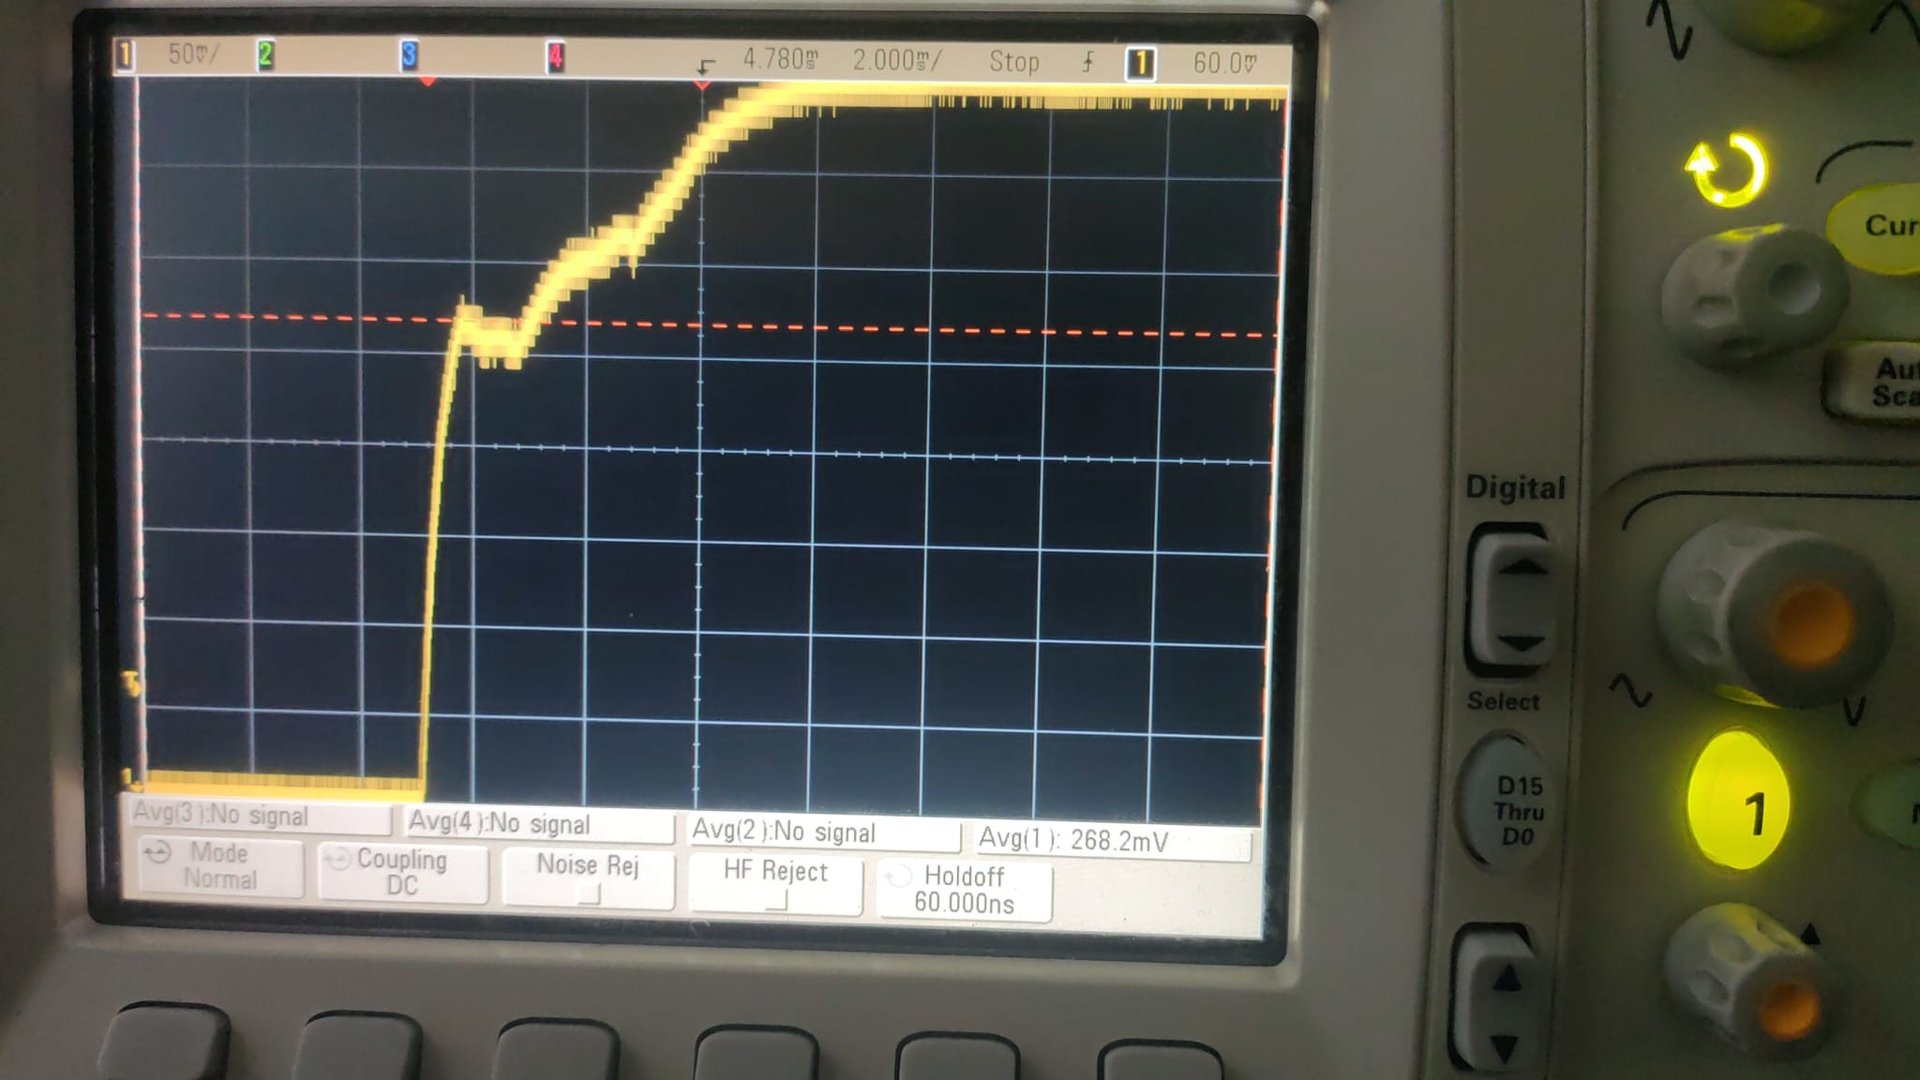
I(V) steady state
V | I
1.5 | 7.2
1.25 | 6.5
1 | 5
0.75 | 2.8
0.5 | 2
0 | 0

Motor constant

 |  |  |  | Kt | 0.08

Motor constant
 |  |  | mv | mv | A | Nm
I | T | T2 | I | T | I | T
 |  |  | 0 | 60 | 0 | 0.3
2 | 40 | 0.2 | 102 | 71 | 1.02 | 0.355
3 | 51 | 0.255 | 205 | 85 | 2.05 | 0.425
4 | 60 | 0.3 | 250 | 90 | 2.5 | 0.45
5 | 75 | 0.375 | 300 | 105 | 3 | 0.525
6 | 85 | 0.425 | 350 | 110 | 3.5 | 0.55
 |  |  | 400 | 125 | 4 | 0.625
 |  |  | 500 | 128 | 5 | 0.64

Step of 1V

