1.2a
Table : 1.2(a)
District wise Area, Population and Density of Population in West Bengal : Census 2001

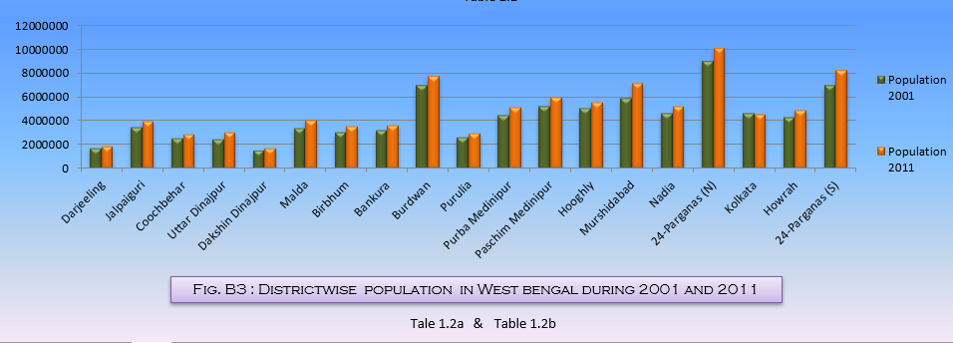
Sl. No. | District | Area in Sq. Km. | Population in Number | Density of Population (per sq.km.)
(1) | (2) | (3) | (4) | (5)
1 | Darjeeling | 3149 | 1609172 | 511
2 | Jalpaiguri | 6227 | 3401173 | 546
3 | Coochbehar | 3387 | 2479155 | 732
4 | Uttar Dinajpur | 3140 | 2441794 | 778
5 | Dakshin Dinajpur | 2219 | 1503178 | 677
6 | Malda | 3733 | 3290468 | 881
7 | Birbhum | 4545 | 3015422 | 663
8 | Bankura | 6882 | 3192695 | 464
9 | Burdwan | 7024 | 6895514 | 982
10 | Purulia | 6259 | 2536516 | 405
11 | Purba Medinipur | 4736 | 4417377 | 933
12 | Paschim Medinipur | 9345 | 5193411 | 556
13 | Hooghly | 3149 | 5041976 | 1601
14 | Murshidabad | 5324 | 5866569 | 1102
15 | Nadia | 3927 | 4604827 | 1173
16 | 24-Parganas (N) | 4094 | 8934286 | 2182
17 | Kolkata | 185 | 4572876 | 24718
18 | Howrah | 1467 | 4273099 | 2913
19 | 24-Parganas (S) | 9960 | 6906689 | 693
West Bengal |  | 88752 | 80176197 | 903
Note : Figures of Purba Medinipur and Paschim Medinipur for 2001 have been recast as erstwhile Medinipur divided into two districts after 2001. |  |  |  | Source : Census of India, 2001

