1.2b
Table : 1.2(b)
District wise Area, Population and Density of Population in West Bengal : Census 2011

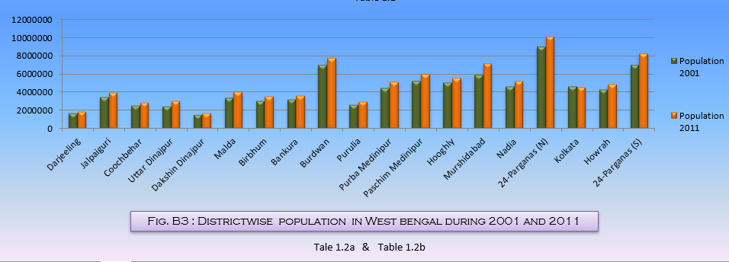
Sl. No. | District | Area in Sq. Km. | Population in Number | Density of Population (per sq.km.)
(1) | (2) | (3) | (4) | (5)
1 | Darjeeling | 3149 | 1846823 | 586
2 | Jalpaiguri | 6227 | 3872846 | 622
3 | Coochbehar | 3387 | 2819086 | 832
4 | Uttar Dinajpur | 3140 | 3007134 | 958
5 | Dakshin Dinajpur | 2219 | 1676276 | 755
6 | Malda | 3733 | 3988845 | 1069
7 | Birbhum | 4545 | 3502404 | 771
8 | Bankura | 6882 | 3596674 | 523
9 | Burdwan | 7024 | 7717563 | 1099
10 | Purulia | 6259 | 2930115 | 468
11 | Purba Medinipur | 4736 | 5095875 | 1076
12 | Paschim Medinipur | 9345 | 5913457 | 633
13 | Hooghly | 3149 | 5519145 | 1753
14 | Murshidabad | 5324 | 7103807 | 1334
15 | Nadia | 3927 | 5167600 | 1316
16 | 24-Parganas (N) | 4094 | 10009781 | 2445
17 | Kolkata | 185 | 4496694 | 24306
18 | Howrah | 1467 | 4850029 | 3306
19 | 24-Parganas (S) | 9960 | 8161961 | 819
West Bengal |  | 88752 | 91276115 | 1028
 |  |  |  | Source : Census of India, 2011

