1.3a
Table : 1.3(a)
District wise Distribution of Rural & Urban Population by Sex in West Bengal : Census 2001
 |  |  |  |  |  |  |  | (Number)
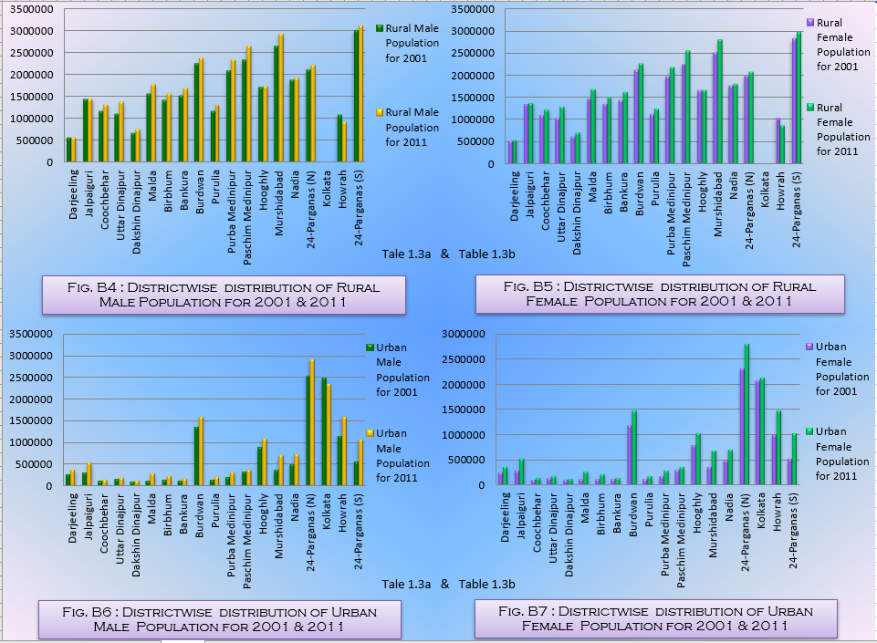
Sl. No. | District | Rural Population |  |  | Urban Population |  |  | Total Population
 |  | Male | Female | Total | Male | Female | Total | Male | Female | Total
(1) | (2) | (3) | (4) | (5) | (6) | (7) | (8) | (9) | (10) | (11)
1 | Darjeeling | 556633 | 532107 | 1088740 | 274011 | 246421 | 520432 | 830644 | 778528 | 1609172
2 | Jalpaiguri | 1437156 | 1357135 | 2794291 | 313989 | 292893 | 606882 | 1751145 | 1650028 | 3401173
3 | Coochbehar | 1157241 | 1096296 | 2253537 | 114853 | 110765 | 225618 | 1272094 | 1207061 | 2479155
4 | Uttar Dinajpur | 1104224 | 1043127 | 2147351 | 155513 | 138930 | 294443 | 1259737 | 1182057 | 2441794
5 | Dakshin Dinajpur | 669796 | 636528 | 1306324 | 100539 | 96315 | 196854 | 770335 | 732843 | 1503178
6 | Malda | 1565654 | 1483874 | 3049528 | 123752 | 117188 | 240940 | 1689406 | 1601062 | 3290468
7 | Birbhum | 1414097 | 1342905 | 2757002 | 132536 | 125884 | 258420 | 1546633 | 1468789 | 3015422
8 | Bankura | 1515450 | 1441997 | 2957447 | 120552 | 114696 | 235248 | 1636002 | 1556693 | 3192695
9 | Burdwan | 2239187 | 2109279 | 4348466 | 1349189 | 1197859 | 2547048 | 3588376 | 3307138 | 6895514
10 | Purulia | 1165054 | 1116036 | 2281090 | 133024 | 122402 | 255426 | 1298078 | 1238438 | 2536516
11 | Purba Medinipur | 2077422 | 1973810 | 4051232 | 190900 | 175245 | 366145 | 2268322 | 2149055 | 4417377
12 | Paschim Medinipur | 2330498 | 2245153 | 4575651 | 317550 | 300210 | 617760 | 2648048 | 2545363 | 5193411
13 | Hooghly | 1699831 | 1654396 | 3354227 | 889794 | 797955 | 1687749 | 2589625 | 2452351 | 5041976
14 | Murshidabad | 2633196 | 2500639 | 5133835 | 371804 | 360930 | 732734 | 3005000 | 2861569 | 5866569
15 | Nadia | 1867682 | 1757626 | 3625308 | 499171 | 480348 | 979519 | 2366853 | 2237974 | 4604827
16 | 24-Parganas (N) | 2102208 | 1981131 | 4083339 | 2536548 | 2314399 | 4850947 | 4638756 | 4295530 | 8934286
17 | Kolkata | - | - | - | 2500040 | 2072836 | 4572876 | 2500040 | 2072836 | 4572876
18 | Howrah | 1083410 | 1037699 | 2121109 | 1158488 | 993502 | 2151990 | 2241898 | 2031201 | 4273099
19 | 24-Parganas (S) | 2997270 | 2823199 | 5820469 | 567723 | 518497 | 1086220 | 3564993 | 3341696 | 6906689
West Bengal |  | 29059376 | 27600830 | 56660206 | 11575965 | 10330854 | 21906819 | 40635341 | 37931684 | 78567025
 |  |  |  |  |  |  |  |  |  | Source : Census of India, 2001

