1.3b
Table : 1.3(b)
District wise Distribution of Rural & Urban Population by Sex in West Bengal : Census 2011
 |  |  |  |  |  |  |  | (Number)
Sl. No. | District | Rural Population |  |  | Urban Population |  |  | Total Population
 |  | Male | Female | Total | Male | Female | Total | Male | Female | Total
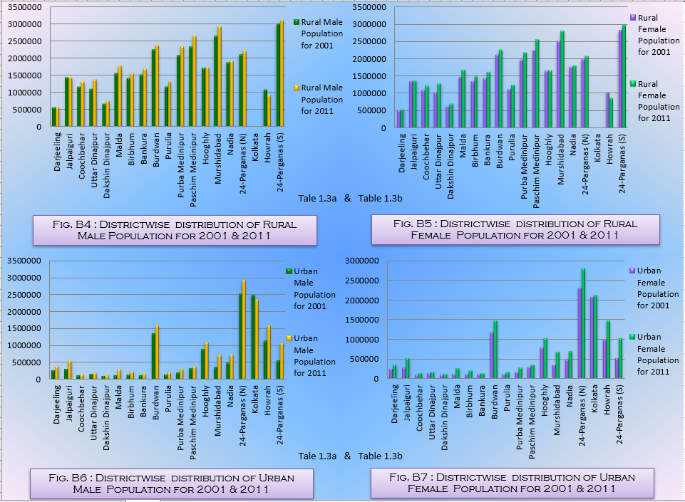
(1) | (2) | (3) | (4) | (5) | (6) | (7) | (8) | (9) | (10) | (11)
1 | Darjeeling | 566965 | 551895 | 1118860 | 370294 | 357669 | 727963 | 937259 | 909564 | 1846823
2 | Jalpaiguri | 1437286 | 1375209 | 2812495 | 545778 | 514573 | 1060351 | 1983064 | 1889782 | 3872846
3 | Coochbehar | 1304916 | 1224736 | 2529652 | 146626 | 142808 | 289434 | 1451542 | 1367544 | 2819086
4 | Uttar Dinajpur | 1362469 | 1282437 | 2644906 | 188597 | 173631 | 362228 | 1551066 | 1456068 | 3007134
5 | Dakshin Dinajpur | 737771 | 702210 | 1439981 | 119428 | 116867 | 236295 | 857199 | 819077 | 1676276
6 | Malda | 1768336 | 1678849 | 3447185 | 283205 | 258455 | 541660 | 2051541 | 1937304 | 3988845
7 | Birbhum | 1561976 | 1490980 | 3052956 | 228944 | 220504 | 449448 | 1790920 | 1711484 | 3502404
8 | Bankura | 1685777 | 1611124 | 3296901 | 152318 | 147455 | 299773 | 1838095 | 1758579 | 3596674
9 | Burdwan | 2373787 | 2265477 | 4639264 | 1593102 | 1485197 | 3078299 | 3966889 | 3750674 | 7717563
10 | Purulia | 1304208 | 1252593 | 2556801 | 192788 | 180526 | 373314 | 1496996 | 1433119 | 2930115
11 | Purba Medinipur | 2322562 | 2180599 | 4503161 | 307272 | 285442 | 592714 | 2629834 | 2466041 | 5095875
12 | Paschim Medinipur | 2641721 | 2549050 | 5190771 | 366164 | 356522 | 722686 | 3007885 | 2905572 | 5913457
13 | Hooghly | 1722945 | 1667701 | 3390646 | 1091708 | 1036791 | 2128499 | 2814653 | 2704492 | 5519145
14 | Murshidabad | 2917822 | 2785293 | 5703115 | 709742 | 690950 | 1400692 | 3627564 | 3476243 | 7103807
15 | Nadia | 1921112 | 1807615 | 3728727 | 732656 | 706217 | 1438873 | 2653768 | 2513832 | 5167600
16 | 24-Parganas (N) | 2196554 | 2081065 | 4277619 | 2922835 | 2809327 | 5732162 | 5119389 | 4890392 | 10009781
17 | Kolkata | - | - | - | 2356766 | 2139928 | 4496694 | 2356766 | 2139928 | 4496694
18 | Howrah | 909519 | 866366 | 1775885 | 1591300 | 1482844 | 3074144 | 2500819 | 2349210 | 4850029
19 | 24-Parganas (S) | 3109219 | 2964969 | 6074188 | 1064559 | 1023214 | 2087773 | 4173778 | 3988183 | 8161961
West Bengal |  | 31844945 | 30338168 | 62183113 | 14964082 | 14128920 | 29093002 | 46809027 | 44467088 | 91276115
 |  |  |  |  |  |  |  |  |  | Source : Census of India, 2011

