1.1
Table 1.1
Decennial Census Data on Population Characteristics of West Bengal
 |  |  |  |  |  |  | (Population in Number)
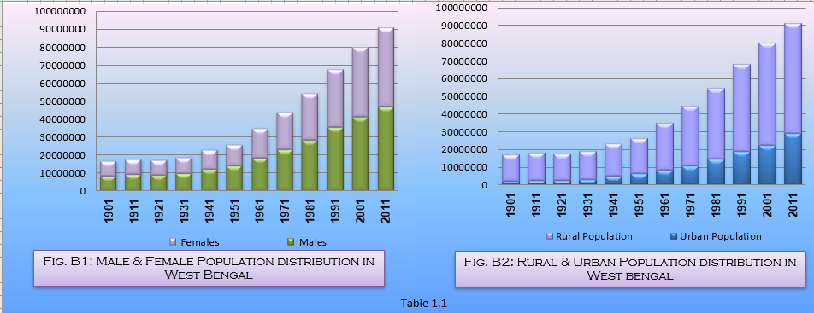
Year | Total Population | Index with 1901 as base | Males | Females | No. of Female per 100 Males | Urban Population | Rural Population | % of Rural Population to Total Population
(1) | (2) | (3) | (4) | (5) | (6) | (7) | (8) | (9)
1901 | 16940088 | 100 | 8708978 | 8231110 | 95 | 2066550 | 14873538 | 87.80
1911 | 17998769 | 106 | 9349419 | 8649350 | 93 | 2349608 | 15649161 | 86.95
1921 | 17474348 | 103 | 9173148 | 8301200 | 90 | 2517874 | 14956474 | 85.59
1931 | 18897036 | 112 | 9997035 | 8900001 | 89 | 2895867 | 16001169 | 84.68
1941 | 23229552 | 137 | 12545269 | 10684283 | 85 | 4740222 | 18489330 | 79.59
1951 | 26299980 | 155 | 14105519 | 12194461 | 86 | 6281642 | 20018338 | 76.12
1961 | 34926279 | 206 | 18599144 | 16327135 | 88 | 8540842 | 26385437 | 75.55
1971 | 44312011 | 262 | 23435987 | 20876024 | 89 | 10967033 | 33344978 | 75.25
1981 | 54580647 | 322 | 28560901 | 26019746 | 91 | 14446721 | 40133926 | 73.53
1991 | 68077965 | 402 | 35510633 | 32567332 | 92 | 18707601 | 49370364 | 72.52
2001 | 80176197 | 473 | 41465985 | 38710212 | 93 | 22427251 | 57748946 | 72.03
2011 | 91276115 | 539 | 46809027 | 44467088 | 95 | 29093002 | 62183113 | 68.13
 |  |  |  |  |  |  |  | Source : Census of India

