10.4,10.5
Table 10.4
Progress of Afforestation in West Bengal

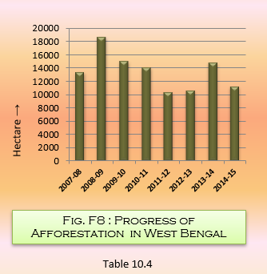
Period of Afforestation |  | Area in Hectare
2007-08 |  | 13387
2008-09 |  | 18707
2009-10 |  | 15043
2010-11 |  | 14101
2011-12 |  | 10374.23
2012-13 |  | 10560
2013-14 |  | 14864
2014-15 |  | 11169.71
 |  |  | Source : Principal Chief Conservator of Forests, Government of West Bengal

Table 10.5
Scheme-wise Afforestation activities in West Bengal during 2014-15

Major / Minor heards |  | Target for 2014-15(ha) | Achievment for 2014-15 (ha)
2402 -Soil & Water Conservation
1 | Protective Afforestation & Erosion Control | 210 | 210
2 | Eco-Conservation
Total 2402 |  | 210 | 210
2406 - Forestry & Wildlife
1 | Costal Shelter-belt Plantation (CSB) | 117 | 117
2 | Plantation of Quick Growing Species (QGS) | 5883 | 5883
3 | Economic Plantation | 1010.71 | 1010.71
4 | Mangrove Treatment | 100 | 100
5 | Forestry Treatment | 1530 | 1530
6 | Decentralized People's Nursery (DPN) | 1499 | 1499
7 | Strip Plantation/Farm Forestry | 720 | 720
Total 2406 |  | 10859.71 | 10859.71
2551 - Hill Areas
1 | Protective Afforestation & Erosion Control | 100 | 100
Total 2406 |  | 100 | 100
Total |  | 11169.71 | 11169.71
 |  |  | Source : Principal Chief Conservator of Forests, Government of West Bengal

