11.6
Table : 11.6
Forest Tourism in West Bengal

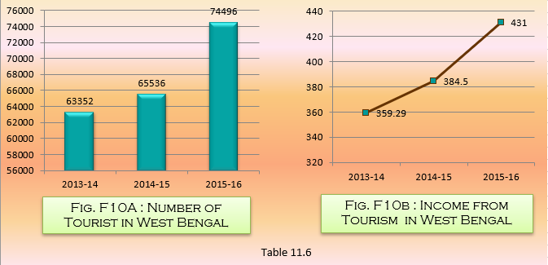
Sl. No. | District | 2013 -14 |  |  |  |  | 2014 - 15 |  |  |  |  | 2015-16
 |  | Place | No. of Bunglows | No. of Beds | No. of Tourists Stayed | Total Earnings from Tourists (₨. in Lakh) | Place | No. of Bunglows | No. of Beds | No. of Tourists Stayed | Total Earnings from Tourists (₨. in Lakh) | Place | No. of Bunglows | No. of Beds | No. of Tourists Stayed | Total Earnings from Tourists (₨. in Lakh)
(1) | (2) | (3) | (4) | (5) | (6) | (7) | (8) | (9) | (10) | (11) | (12) | (13) | (14) | (15) | (16) | (17)
1 | Bankura | Mukutmonipur | 1 | 28 | 63352 | 359.29 | Mukutmonipur | 1 | 28 | 65536 | 384.50 | Mukutmonipur | 1 | 28 | 74496 | 431.00
2 | Purulia | Garhpanchkot | 1 | 42 |  |  | Garhpanchkot | 1 | 42 |  |  | Garhpanchkot | 1 | 42
3 | Jhargram | Jhargram | 1 | 12 |  |  | Jhargram | 1 | 12 |  |  | Jhargram | 1 | 12
4 | Darjeeling | Lava, Kalimpong, Paren, Suntaleykhola, Jhallong, Gorubathan, Mongpong, Lepchajagat | 8 | 138 |  |  | Lava,Lolegaon, Kalimpong, Paren, Suntaleykhola, Jhallong, Gorubathan, Mongpong, Lepchajagat | 9 | 144 |  |  | Lava,Lolegaon, Kalimpong, Paren, Suntaleykhola, Gorubathan, Mongpong, Lepchajagat | 8 | 114
5 | Jalpaiguri | Murti | 1 | 32 |  |  | Murti | 1 | 32 |  |  | Murti | 1 | 32
6 | Alipurduar | Barodabari, Rajabhatkhawa | 2 | 49 |  |  | Barodabari, Rajabhatkhawa | 2 | 57 |  |  | Barodabari, Rajabhatkhawa | 2 | 66
7 | Coochbehar | Rashikbill | 1 | 20 |  |  | Rashikbill | 1 | 20 |  |  | Rashikbill | 1 | 20
TOTAL |  |  | 15 | 321 |  |  |  | 16 | 335 |  |  |  | 15 | 314
 |  |  |  |  |  |  |  |  |  |  |  |  |  |  |  | Source: West Bengal Forest Development Corporation Ltd., Govt. of West Bengal

