16.1
Table : 16.1
Categorywise Number of Industries of West Bengal*

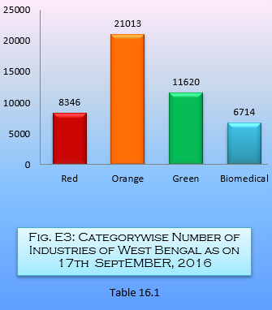
Sl. No. | Zone | Jurisdiction | Category
 |  |  | Red | Orange | Green | Biomedical
(1) | (2) | (3) | (4) | (5) | (6) | (7)
1 | Alipore Regional Office | A. CMC WARD NOS: 89, 94 -104, 110 - 132. B. 24 PGS(SOUTH) POLICE STATIONS -Thakurpukur,Metiaburuz, Regent Park,Maheshtala, Budge Budge,Bishnupur, Canning, Gosaba,Basanti, Jaynagar and Kulti.C. Diamond Harbour Sub-Divn. | 478 | 1764 | 931 | 465
2 | Haldia Regional Office | District of Midnapore | 250 | 1595 | 490 | 667
3 | Durgapur Regional Office | Districts of Burdwan, Bankura, Birbhum and Purulia | 1520 | 2792 | 1447 | 1155
4 | Circle Office (Camac Street) |  | 60 | 28 | 8 | 146
5 | Malda Regional Office | Malda, Uttar Dinajpur, Dakshin Dinajpur, Mushidabad. | 182 | 1100 | 315 | 533
6 | Asansol Regional Office | Asansol Sub Division of Burdwan District and the District of Purulia. | 842 | 608 | 300 | 333
7 | Circle Office (Kankinara) |  | 64 | 1 | 1 | 70
8 | Kankinara Regional Office | Nadia and 24Pgs (North) excepting areas of all the Police Stations of Bidhannagar, Lake Town,Barahanagar, Airport, DumDum, Rajarhat, Nimta andMinkha I & II blocks of 24 Pgs(N). | 637 | 1904 | 992 | 649
9 | Camac Street Regional Office | A. CMC WARD NOS: 21 - 28,36 - 55, 59 - 88, 90 - 93, 105 -107,133 - 141B. Area Under Calcutta Port Trustwithin CMC.C. Area Under Fort William within CMC | 645 | 1404 | 2562 | 556
10 | Siliguri Regional Office | Districts of Darjeeling, Jalpaiguri and Coochbehar. | 386 | 1302 | 666 | 555
11 | Salt Lake Regional Office | A. CMC WARD NOS: 1 - 20, 29 - 35, 56 - 58, 108 - 109. B. 24 PGS(SOUTH) POLICE STATIONS - Sonarpur, Baraipurand Bhangar.C. All the Police Stations of Bidhannagar, Lake Town,Barahanagar, Airport, Dum Dum, Rajarhat, Nimta and Minakha I & II blocks of 24 Pgs(N). | 1143 | 2810 | 2371 | 503
12 | Howrah Regional Office | District of Howrah | 1531 | 3810 | 788 | 393
13 | Hooghly Regional Office | District of Hooghly. | 608 | 1895 | 749 | 689
Total |  |  | 8346 | 21013 | 11620 | 6714
* as on 17th September, 2016 |  |  |  |  |  | Source : West Bengal Pollution Control Board
Note : The Industries of the state are classified as following by WBPCB, Red - with high pollution potential, Orange - with moderate pollution potential, Green - with least pollution potential

