20.5
Table:20.5
Production and Consumption of Coal in West Bengal
 |  |  | (in lakh tonne)
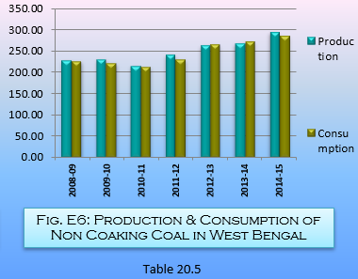
Year | Production |  | Consumption
 | Coking | Non-Coking | Coking | Non-Coking
(1) | (2) | (3) | (4) | (5)
2008-09 | 0.56 | 228.49 | 0.89 | 227.28
2009-10 | 0.52 | 230.81 | 0.52 | 222.07
2010-11 | 0.36 | 216.23 | 0.39 | 214.00
2011-12 | 0.44 | 241.86 | 0.47 | 231.56
2012-13 | 0.30 | 264.37 | 0.27 | 266.59
2013-14 | 13.56 | 268.88 | 12.46 | 272.25
2014-15 | 5.80 | 293.90 | 5.49 | 286.56
Note: Consumption figures relate to dispatch |  |  | Source: Coal Controller, Government of India

