21.2
Table : 21.2
Distribution of Households by Primary Source of Energy for Lighting : Census 2011

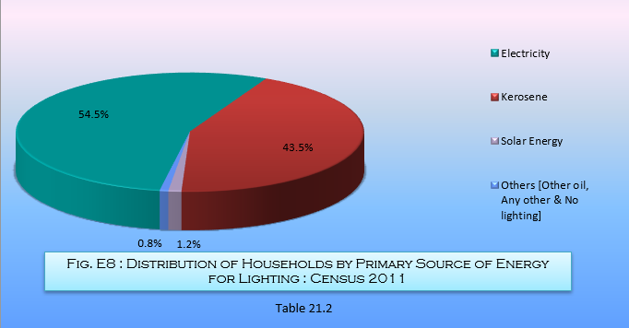
Sl. No. | District | Total No. of Households (excluding institutional households) | Percentage Distribution of Households by Source of Lighting
 |  |  | Electricity | Kerosene | Solar Energy | Other oil | Any other | No lighting
(1) | (2) | (3) | (4) | (5) | (6) | (7) | (8) | (9)
1 | Darjeeling | 382289 | 77.7 | 20.2 | 0.9 | 0.2 | 0.1 | 1.0
2 | Jalpaiguri | 861401 | 44.4 | 54.3 | 0.7 | 0.2 | - | 0.4
3 | Coochbehar | 673931 | 27.6 | 71.2 | 0.7 | 0.2 | - | 0.2
4 | Uttar Dinajpur | 598172 | 33.3 | 65.5 | 0.6 | 0.3 | 0.1 | 0.2
5 | Dakshin Dinajpur | 396221 | 42.4 | 56.0 | 0.9 | 0.2 | - | 0.5
6 | Malda | 838938 | 35.5 | 62.6 | 0.9 | 0.4 | 0.1 | 0.6
7 | Murshidabad | 1561892 | 34.6 | 63.9 | 0.7 | 0.2 | 0.1 | 0.5
8 | Birbhum | 812954 | 41.1 | 57.4 | 0.7 | 0.2 | 0.1 | 0.6
9 | Burdwan | 1705506 | 61.6 | 36.3 | 1.0 | 0.3 | 0.2 | 0.7
10 | Nadia | 1231856 | 50.6 | 47.8 | 0.7 | 0.2 | 0.1 | 0.5
11 | 24 Parganas (N) | 2283567 | 70.4 | 27.4 | 1.3 | 0.2 | 0.1 | 0.5
12 | Hooghly | 1269438 | 76.0 | 21.9 | 1.0 | 0.2 | 0.1 | 0.7
13 | Bankura | 756438 | 44.2 | 54.2 | 0.7 | 0.3 | 0.1 | 0.5
14 | Purulia | 569254 | 33.4 | 65.0 | 0.9 | 0.3 | 0.1 | 0.4
15 | Howrah | 1029114 | 77.4 | 20.2 | 1.3 | 0.2 | 0.1 | 0.7
16 | Kolkata | 964183 | 96.2 | 1.8 | 1.6 | 0.1 | 0.1 | 0.2
17 | 24 Parganas (S) | 1770331 | 47.3 | 48.7 | 3.3 | 0.2 | 0.1 | 0.4
18 | Paschim Medinipur # | 1262269 | 52.6 | 45.7 | 1.1 | 0.2 | - | 0.4
19 | Purba Medinipur | 1099545 | 48.3 | 50.1 | 1.1 | 0.2 | 0.1 | 0.3
Total for West Bengal |  | 20067299 | 54.5 | 43.5 | 1.2 | 0.2 | 0.1 | 0.5
# Excluding figures of 260 villages |  |  |  |  |  |  |  | Source : Census of India , 2011

