21.4
Table : 21.4
Electrification Status in West Bengal

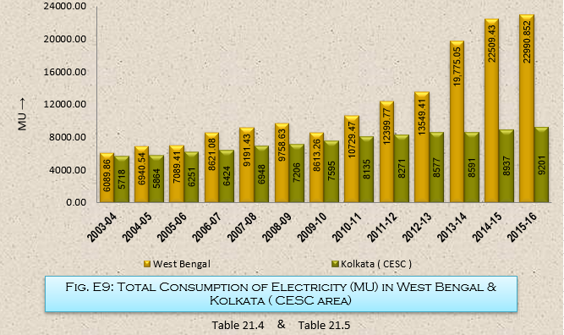
Sl. No. | Year | Consumption of Electricity (MU)
 |  | Domestic | Commercial | Industrial | Public Lighting | Agricultural, Irrigation & Dewatering | Public Water Works & Sewerage Pump | Railway Traction & Non-Traction | Others | Total
(1) | (2) | (3) | (4) | (5) | (6) | (7) | (8) | (9) | (10) | (11)
1 | 2003-04 | 3,057.855 | 798.794 | 1,237.098 | 62.167 | 465.224 | 99.867 | 292.754 | 76.100 | 6,089.859
2 | 2004-05 | 3,165.614 | 905.985 | 1,650.607 | 67.306 | 541.922 | 102.858 | 379.336 | 126.912 | 6,940.540
3 | 2005-06 | 3,389.743 | 1,009.509 | 1,531.522 | 76.932 | 527.850 | 94.032 | 363.763 | 96.059 | 7,089.410
4 | 2006-07 | 3,923.439 | 1,281.046 | 1,976.473 | 77.216 | 656.931 | 135.530 | 455.741 | 114.702 | 8,621.078
5 | 2007-08 | 4,002.205 | 1,388.583 | 2,305.372 | 87.730 | 566.660 | 221.175 | 417.374 | 202.334 | 9,191.434
6 | 2008-09 | 4,102.299 | 1,238.744 | 2,476.316 | 82.273 | 552.319 | 229.965 | 736.493 | 340.220 | 9,758.629
7 | 2009-10 | 4,174.294 | 916.063 | 1,587.834 | 85.079 | 751.960 | 99.305 | 597.758 | 400.963 | 8,613.256
8 | 2010-11 | 5,322.424 | 1,387.320 | 2,295.163 | 127.302 | 865.164 | 140.698 | 215.250 | 376.153 | 10,729.474
9 | 2011-12 | 5,612.295 | 1,903.366 | 2,802.212 | 141.328 | 804.817 | 143.055 | 436.049 | 556.652 | 12,399.774
10 | 2012-13 | 6,314.606 | 2,119.842 | 2,881.068 | 129.384 | 880.164 | 177.605 | 677.302 | 369.441 | 13,549.412
11 | 2013-14 | 7,174.550 | 2,813.900 | 7,068.960 | 152.500 | 911.530 | 277.750 | 995.080 | 380.780 | 19,775.050
12 | 2014-15 | 8,463.115 | 3,131.403 | 7,537.565 | 187.447 | 1,491.995 | 322.576 | 1,049.615 | 325.714 | 22,509.430
13 | 2015-16(P) | 9,120.457 | 3,461.692 | 6,761.626 | 235.744 | 1,524.193 | 446.555 | 1,062.020 | 378.565 | 22,990.852
 |  |  |  |  |  |  |  |  |  | Source : W.B.S.E.D.C.L, Government of West Bengal

