21.5
Table : 21.5
Electrification Status in Kolkata
 |  |  |  |  |  | (Million KWH.)
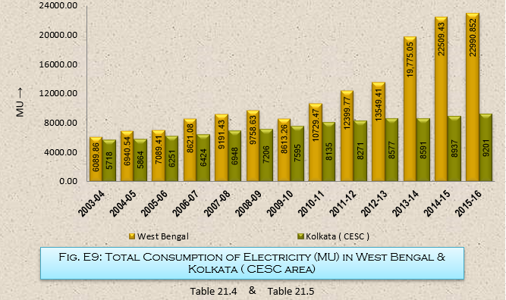
Year | Consumption of Electricity in CESC area
 | Low Tension |  |  | High Tension |  |  | Others | Total
 | Domestic | Commercial | Industrial | Domestic | Commercial | Industrial
(1) | (2) | (3) | (4) | (5) | (6) | (7) | (8) | (9)
2003-04 | 2132 | 618 | 472 | 235 | 402 | 1319 | 540 | 5718
2004-05 | 2197 | 664 | 507 | 243 | 421 | 1298 | 534 | 5864
2005-06 | 2312 | 731 | 535 | 263 | 458 | 1383 | 569 | 6251
2006-07 | 2387 | 787 | 561 | 277 | 477 | 1362 | 573 | 6424
2007-08 | 2542 | 821 | 634 | 286 | 513 | 1555 | 597 | 6948
2008-09 | 2679 | 846 | 697 | 293 | 556 | 1518 | 617 | 7206
2009-10 | 2944 | 914 | 752 | 312 | 573 | 1441 | 659 | 7595
2010-11 | 3147 | 992 | 789 | 320 | 608 | 1561 | 718 | 8135
2011-12 | 3228 | 1030 | 796 | 314 | 619 | 1511 | 773 | 8271
2012-13 | 3456 | 1063 | 796 | 314 | 652 | 1510 | 786 | 8577
2013-14 | 3465 | 1061 | 796 | 308 | 692 | 1470 | 799 | 8591
2014-15 | 3787 | 1112 | 792 | 326 | 714 | 1363 | 843 | 8937
2015-16 | 3932 | 1159 | 803 | 335 | 718 | 1347 | 908 | 9201
 |  |  |  |  |  |  |  | Source : CESC Limited

