21.6
Table : 21.6
Comparison of Power Supply in West Bengal
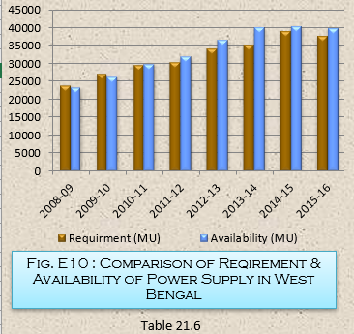
Year | Requirment (MU) | Availability (MU) | Surplus (+) / Deficit(-) (MU) | Excess (+) / Shortage (-) w.r.t. availability (%)
(1) | (2) | (3) | (4) | (5)
2008-09 | 23883 | 23409 | -474 | -2.02
2009-10 | 27051 | 26447 | -604 | -2.28
2010-11 | 29505 | 29790 | 285 | 0.96
2011-12 | 30430 | 31988 | 1558 | 4.87
2012-13 | 34080 | 36631 | 2551 | 6.96
2013-14 | 35318.22 | 40232.86 | 4914.64 | 12.22
2014-15 | 39153.71 | 40375.85 | 1222.14 | 3.03
2015-16 | 37800.71 | 39891.84 | 2091.13 | 5.24
 |  |  |  | Source : W.B.S.E.D.C.L , Government of West Bengal

