21.7
Table: 21.7
Consumption of Petroleum Products by categories in West Bengal
 |  |  |  |  |  |  | ('000 Tonne)
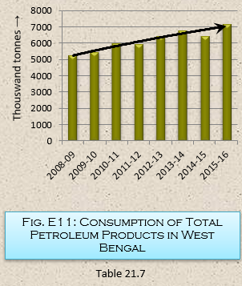
Sl. No. | Petroleum Products |  | 2008-09 | 2009-10 | 2010-11 | 2011-12 | 2012-13 | 2013-14 | 2014-15 | 2015-16(P)
(1) | (2) | (3) | (4) | (5) | (6) | (7) | (8) | (9) | (10) | (11)
1 | Light Distillates | Liquified Petroleum Gas | 605 | 669 | 739 | 821 | 857 | 932 | 1059 | 1226
2 |  | Motor Gasoline (Petrol) | 308 | 349 | 392 | 405 | 443 | 484 | 555 | 655
3 |  | Naphtha | 364 | 317 | 547 | 368 | 686 | 1040 | 454 | 517
4 | Middle Distillates | Kerosene | 756 | 764 | 758 | 758 | 751 | 754 | 756 | 736
5 |  | Aviation Turbine fuel | 173 | 163 | 194 | 207 | 199 | 197 | 214 | 270
6 |  | High Speed Diesel oil | 2139 | 2256 | 2464 | 2561 | 2733 | 2637 | 2640 | 2955
7 |  | Light Diesel oil | 142 | 112 | 48 | 49 | 47 | 50 | 57 | 61
8 | Heavy Ends | Fuel | 438 | 476 | 467 | 450 | 379 | 349 | 355 | 368
9 |  | Lubricants | 74 | 96 | 95 | 84 | 78 | 67 | 57 | 65
10 |  | Bitumen | 144 | 140 | 133 | 131 | 173 | 189 | 204 | 232
11 | Others |  | 105 | 128 | 137 | 98 | 99 | 98 | 97 | 107
Total |  |  | 5248 | 5470 | 5974 | 5932 | 6445 | 6797 | 6448 | 7192
 |  |  |  |  |  |  |  |  |  | Source: Petroleum and Natural Gas Commission,
 |  |  |  |  |  |  |  |  |  | Government of India

