21.9
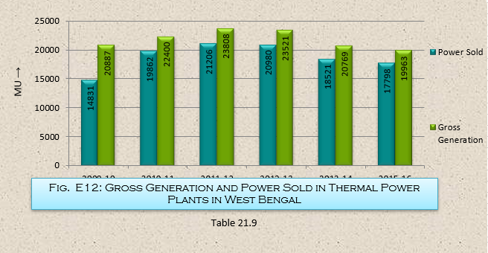
Table 21.9
Gross Generation and Power Sold in Thermal Power Plants in West Bengal
 | (in MU)
Year | Power Sold | Gross Generation
(1) | (2) | (3)
2009-10 | 18431 | 20887
2010-11 | 19862 | 22400
2011-12 | 21206 | 23808
2012-13 | 20980 | 23521
2013-14 | 18521 | 20769
2014-15 | 21467 | 23853
2015-16 | 17798 | 19963
 |  | Source :West Bengal Power Development Corporation Ltd.

