21.1
Table : 21.1
Distribution of Households by Primary Source of Energy for Cooking : Census 2011

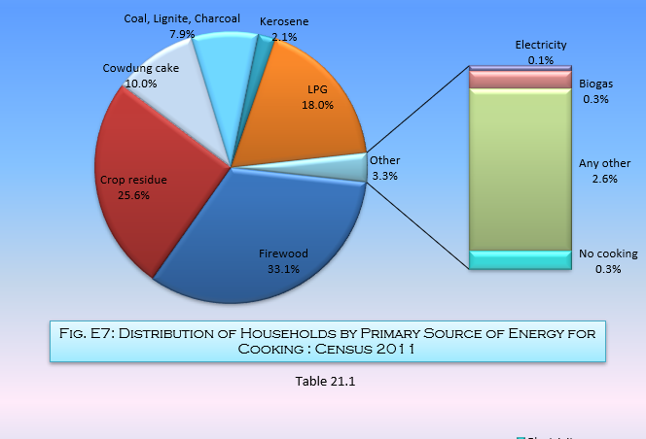
Sl. No. | District | Total No. of Households (excluding institutional households) | Percentage Distribution of Households by type of Fuel used for Cooking
 |  |  | Firewood | Crop residue | Cowdung cake | Coal, Lignite, Charcoal | Kerosene | LPG | Electricity | Biogas | Any other | No cooking
(1) | (2) | (3) | (4) | (5) | (6) | (7) | (8) | (9) | (10) | (11) | (12) | (13)
1 | Darjeeling | 382289 | 53.1 | 4.0 | 1.7 | 0.8 | 2.0 | 37.1 | 0.1 | 0.1 | 0.8 | 0.3
2 | Jalpaiguri | 861401 | 64.7 | 14.0 | 2.2 | 0.3 | 0.9 | 16.1 | 0.1 | 0.2 | 1.4 | 0.2
3 | Coochbehar | 673931 | 65.1 | 22.7 | 2.0 | 0.1 | 0.3 | 7.4 | - | 0.1 | 2.1 | 0.2
4 | Uttar Dinajpur | 598172 | 19.1 | 64.4 | 5.4 | 0.4 | 0.1 | 6.5 | - | 0.1 | 3.6 | 0.2
5 | Dakshin Dinajpur | 396221 | 22.4 | 53.4 | 9.5 | 1.1 | 0.2 | 9.4 | - | 0.1 | 3.7 | 0.2
6 | Malda | 838938 | 22.4 | 48.5 | 12.6 | 1.4 | 0.1 | 6.5 | 0.1 | 0.1 | 8.1 | 0.2
7 | Murshidabad | 1561892 | 15.9 | 49.7 | 18.4 | 6.4 | 0.2 | 5.9 | 0.1 | 0.1 | 3.1 | 0.2
8 | Birbhum | 812954 | 19.5 | 26.5 | 33.0 | 10.1 | 0.2 | 7.0 | - | 0.4 | 3.1 | 0.2
9 | Burdwan | 1705506 | 19.9 | 17.6 | 17.1 | 25.3 | 0.4 | 17.2 | 0.2 | 0.3 | 1.9 | 0.3
10 | Nadia | 1231856 | 33.9 | 38.7 | 5.1 | 5.2 | 0.4 | 13.7 | 0.1 | 0.2 | 2.5 | 0.2
11 | 24 Parganas (N) | 2283567 | 34.3 | 11.5 | 3.6 | 11.3 | 2.7 | 34.7 | 0.1 | 0.4 | 1.2 | 0.4
12 | Hooghly | 1269438 | 31.4 | 18.9 | 6.6 | 13.9 | 1.3 | 25.2 | 0.1 | 0.4 | 1.7 | 0.4
13 | Bankura | 756438 | 56.0 | 11.7 | 5.7 | 13.5 | 0.1 | 6.0 | 0.1 | 0.5 | 6.1 | 0.2
14 | Purulia | 569254 | 62.1 | 7.6 | 7.2 | 11.4 | 0.2 | 5.4 | 0.1 | 0.1 | 5.8 | 0.2
15 | Howrah | 1029114 | 30.7 | 12.7 | 3.9 | 15.3 | 3.7 | 31.6 | - | 0.4 | 1.4 | 0.3
16 | Kolkata | 964183 | 4.9 | 0.6 | 0.3 | 3.7 | 24.1 | 64.7 | 0.1 | 0.6 | 0.2 | 0.7
17 | 24 Parganas (S) | 1770331 | 39.5 | 30.2 | 8.2 | 3.6 | 2.1 | 13.1 | - | 0.1 | 2.8 | 0.2
18 | Paschim Medinipur# | 1262269 | 48.0 | 21.4 | 17.8 | 1.4 | 0.2 | 8.6 | - | 0.1 | 2.4 | 0.2
19 | Purba Medinipur | 1099545 | 23.4 | 44.7 | 20.3 | 0.6 | 0.2 | 5.1 | 0.1 | 0.2 | 5.1 | 0.3
Total for West Bengal |  | 20067299 | 33.1 | 25.6 | 10.0 | 7.9 | 2.1 | 18.0 | 0.1 | 0.3 | 2.7 | 0.3
# Excluding figures of 260 villages |  |  |  |  |  |  |  |  |  |  |  | Source : Census of India, 2011

