3.2
Table : 3.2
Forest Cover in Different Districts of West Bengal as on 31st December, 2015
 |  |  |  |  |  |  | (in Sq.km.)
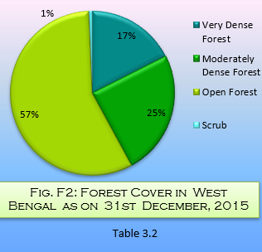
Sl. No. | District | Geographical Area | Forest Cover Area |  |  |  | % of Geographical Area | Scrub | Non- Forest
 |  | (Census 2011) | Very Dense Forest | Moderately Dense Forest | Open Forest | Total Forest
(1) | (2) | (3) | (4) | (5) | (6) | (7) | (8) | (9) | (10)
1 | Darjeeling | 3149 | 724 | 652 | 1002 | 2378 | 75.52 | 6 | -
2 | Jalpaiguri* | 6227 | 718 | 439 | 1699 | 2856 | 45.86 | 35 | -
3 | Coochbehar | 3387 | - | 27 | 322 | 349 | 10.30 | - | -
4 | Uttar Dinajpur | 3140 | - | 3 | 232 | 235 | 7.48 | - | -
5 | Dakshin Dinajpur | 2219 | - | 5 | 82 | 87 | 3.92 | - | -
6 | Malda | 3733 | - | 214 | 290 | 504 | 13.50 | - | -
7 | Birbhum | 4545 | 1 | 30 | 144 | 175 | 3.85 | 11 | -
8 | Bankura | 6882 | 212 | 379 | 673 | 1264 | 18.37 | 35 | -
9 | Burdwan | 7024 | 60 | 88 | 168 | 316 | 4.50 | 9 | -
10 | Purulia | 6259 | 31 | 310 | 531 | 872 | 13.93 | 21 | -
11 | Purba Medinipur | 4736 | 211 | 810 | 1973 | 2994 | 21.26 | 12 | -
12 | Paschim Medinipur | 9345
13 | Hooghly | 3149 | - | 14 | 146 | 160 | 5.08 | - | -
14 | Murshidabad | 5324 | - | 54 | 295 | 349 | 6.56 | 2 | -
15 | Nadia | 3927 | 1 | 159 | 319 | 479 | 12.20 | 1 | -
16 | 24 Parganas (N) | 4094 | 13 | 185 | 526 | 724 | 17.68 | - | -
17 | Howrah | 1467 | - | 50 | 254 | 304 | 20.72 | - | -
18 | 24 Parganas (S) | 9960 | 977 | 753 | 1052 | 2782 | 27.93 | 1 | -
19 | Kolkata | 185 | - | - | - | - | - | - | -
West Bengal |  | 88752 | 2948 | 4172 | 9708 | 16828 | 18.96 | 133 | -
 | *Includes area of newly created Alipurduar District |  |  |  |  |  |  |  | Source : Forest Survey of India, Government of India

