3.1
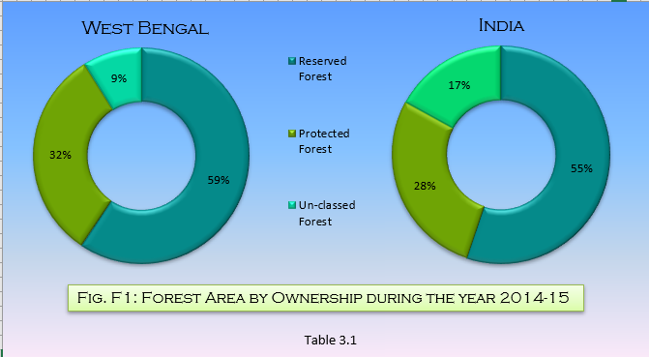
Table : 3.1
Districtwise Forest Area by Ownership during the year 2014-15
 |  |  |  |  | (in sq.km.)
Sl. No. | District | Geographical Area | Recorded Forest Area |  |  |  | % of Forest Area to Geog. Area
 |  | (Cesnsus 2011) | Reserved Forest | Protected Forest | Un-classed Forest | Total Forest Area
(1) | (2) | (3) | (4) | (5) | (6) | (7) | (8)
1 | Darjeeling | 3149 | 1115 | - | 89 | 1204 | 38.23
2 | Jalpaiguri* | 6227 | 1483 | 217 | 90 | 1790 | 28.75
3 | Coochbehar | 3387 | - | 42 | 15 | 57 | 1.68
4 | Bankura | 6882 | 80 | 1311 | 91 | 1482 | 21.53
5 | Purba Medinipur | 4736 | 8 | 1166 | 535 | 1709 | 12.14
6 | Paschim Medinipur | 9345
7 | Burdwan | 7024 | 3 | 192 | 82 | 277 | 3.94
8 | Purulia | 6259 | 112 | 729 | 35 | 876 | 14.00
9 | Birbhum | 4545 | 8 | 54 | 97 | 159 | 3.50
10 | Hooghly | 3149 | 3 | - | - | 3 | 0.10
11 | Nadia | 3927 | 5 | 3 | 5 | 13 | 0.33
12 | Murshidabad | 5324 | 1 | 7 | - | 8 | 0.15
13 | Malda | 3733 | 8 | 5 | 7 | 20 | 0.54
14 | Uttar Dinajpur | 3140 | 8 | 4 | 6 | 18 | 0.34
15 | Dakshin Dinajpur | 2219
16 | 24 Parganas (N) | 4094 | 43 | - | - | 43 | 1.05
17 | 24 Parganas (S) | 9960 | 4177 | 42 | 1 | 4220 | 42.37
18 | Howrah | 1467 | - | - | - | - | -
19 | Kolkata | 185 | - | - | - | - | -
West Bengal |  | 88752 | 7054 | 3772 | 1053 | 11879 | 13.38
India (in '000 sq. km) |  | 3287.240 | 425.494 | 214.986 | 131.341 | 771.821 | 23.48
% of forest w.r.t. Total Area of West Bengal |  |  | 59.382 | 31.754 | 8.864 | 100.00
% of forest w.r.t. Total Area of India |  |  | 55.129 | 27.854 | 17.017 | 100.00
*Includes area of newly created Alipurduar District |  |  |  |  |  |  | Source : Principal Chief Conservator of Forests, Government of West Bengal

