6.1a,6.1b
Table : 6.1(a)
Share of Forestry Sector in Gross State Domestic Product at Current Prices at base 2004-05

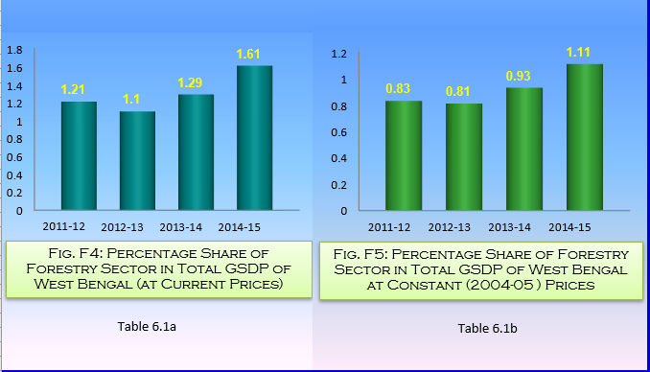
State/ Country | Unit | 2011-12 |  | 2012-13 (P) |  | 2013-14 (Q) |  | 2014-15 (A)
 |  | GSDP/GDP from Forestry | Percentage of Share of Forestry sector in Total GSDP/GDP | GSDP/GDP from Forestry | Percentage of Share of Forestry sector in Total GSDP/GDP | GSDP/GDP from Forestry | Percentage of Share of Forestry sector in Total GSDP/GDP | GSDP/GDP from Forestry | Percentage of Share of Forestry sector in Total GSDP/GDP

(1) | (2) | (3) | (4) | (5) | (6) | (7) | (8) | (9) | (10)
West Bengal | ₨. in Lakh | 639582 | 1.21 | 663595 | 1.1 | 914689 | 1.29 | 1287300 | 1.61
India | ₨. in Crore | 131667 | 1.57 | 149405 | 1.59 | .. | .. | .. | ..
P : Provisional, Q : Quick, A : Advance |  |  |  |  |  |  |  |  | Source : Bureau of Applied Economics & Statistics, Government of West Bengal

Table : 6.1(b)
Share of Forestry Sector in Gross State Domestic Product at Constant (2004-05)Prices

State/ Country | Unit | 2011-12 |  | 2012-13 (P) |  | 2013-14 (Q) |  | 2014-15 (A)
 |  | GSDP/GDP from Forestry | Percentage of Share of Forestry sector in Total GSDP/GDP | GSDP/GDP from Forestry | Percentage of Share of Forestry sector in Total GSDP/GDP | GSDP/GDP from Forestry | Percentage of Share of Forestry sector in Total GSDP/GDP | GSDP/GDP from Forestry | Percentage of Share of Forestry sector in Total GSDP/GDP

(1) | (2) | (3) | (4) | (5) | (6) | (7) | (8) | (9) | (10)
West Bengal | ₨. in Lakh | 269695 | 0.83 | 280601 | 0.81 | 344724 | 0.93 | 440417 | 1.11
India | ₨. in Crore | 71816 | 1.37 | 73864 | 1.34 | .. | .. | .. | ..
P : Provisional, Q : Quick, A : Advance |  |  |  |  |  |  |  |  | Source : Bureau of Applied Economics & Statistics, Government of West Bengal

