6.2.1
Table : 6.2.1
Revenue from Major Heads during the year 2014-15

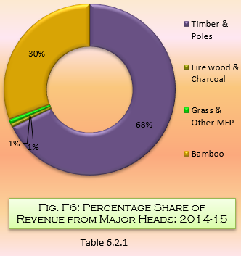
Heads | Amount (₨. in Lakh)
(1) | (2)
Timber & Poles | 9195.79
Fire wood & Charcoal | 107.12
Grass & Other MFP | 104.77
Bamboo | 0.89
Other Receipt | 4074.54
Rent | 5.18
Fine | 72.16
Licence Fee | 8.39
Total | 13568.84
 | Source : Principal Chief Conservator of Forests, Government of West Bengal

