6.3.1
Table : 6.3.1
Expenditure under Major Heads during the year 2014-15
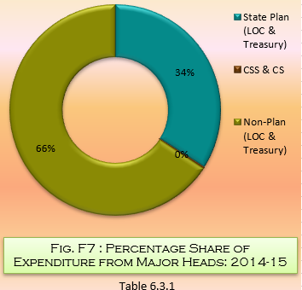
Heads | Amount (₨. in Lakh)
(1) | (2)
State Plan (LOC & Treasury) | 13980.00
CSS & CS | 116.91
Non-Plan (LOC & Treasury) | 26964.07
Total | 41060.98
CSS : Central Sector Scheme. | Source : Principal Chief Conservator of Forests, Government of West Bengal
CS : Centrally Sponsored.

