VGG 11
Time | 20190630-121003-
Folder name | 9193f51e
Epochs | 25
Batch size | 50
Subset | 25000
Loss | categorical_crossentropy
VGG weights | TRUE
VGG frozen layers | 13
Metrics | categorical_accuracy
Optimizer | rmsprop
Learning rate | 0.0001
Test size | 0.2
Word2vec dimension | 96
Una cambiado el crop ( en lugar del reshape)
Observamos que el desempeño de la CPU emperoa con el sucederse de los batches, mientras que la GPU no se entera.
Despuès de lanzar el proceso un par de veces, llegamos a la conclusión de que podría ser por los batches que tiene que cargar la CPU ya que al hacer el crop y trabajar con batches de 50 le lleva su tiempo tener el batch preparado para pasarlo a la CPU
SOl. reducir el tamaño de batch a 10, en lugar de 50 por ejemplo.
Hidden nodes LSTM | 512
Hidden layers LSTM | 6
Hidden nodes FC | 1024
Number layers FC | 6
Merge methods | concatenate

VGG 10
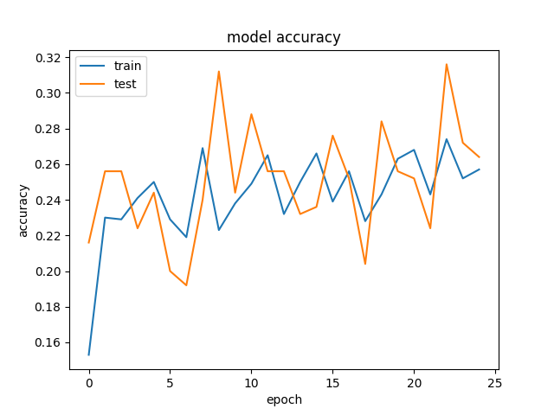
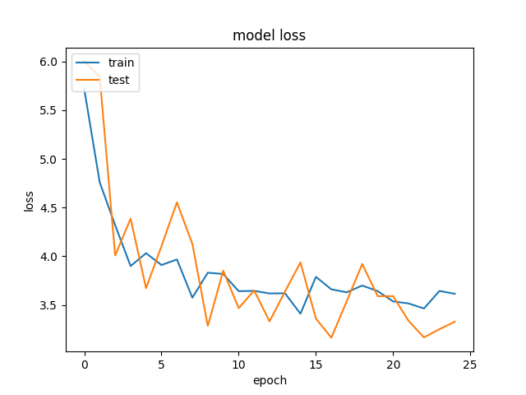
Time | 20190630-121003-
Folder name | 9193f51e
Epochs | 25
Batch size | 50
Subset | 25000
Loss | categorical_crossentropy
VGG weights | TRUE
VGG frozen layers | 7
Metrics | categorical_accuracy
Optimizer | rmsprop
Learning rate | 0.0001
Test size | 0.2
Word2vec dimension | 96
Hidden nodes LSTM | 512
Hidden layers LSTM | 6
Hidden nodes FC | 1024
Number layers FC | 6
Congelando 7 layers del VGG no se parecia diferencia en la Loss respecto a congelando 8.
Las curvas son parecidas a partir de cierto nº de frozen layers.
Merge methods | concatenate

VGG-9
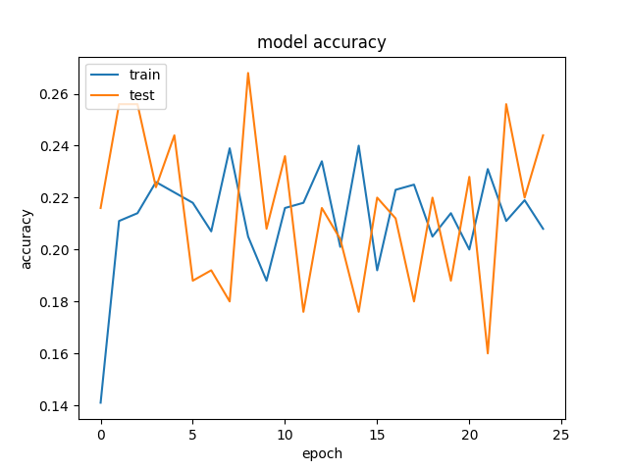
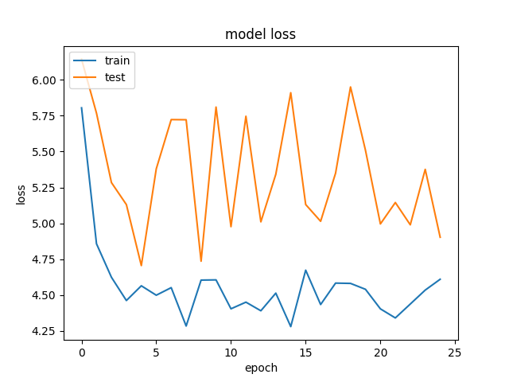
Time | 20190630-131709-
Folder name | addfaaaa
Epochs | 25
Batch size | 50
Subset | 25000
Loss | categorical_crossentropy
VGG weights | TRUE
VGG frozen layers | 13
Metrics | categorical_accuracy
Optimizer | rmsprop
Learning rate | 0.0001
Test size | 0.2
Word2vec dimension | 96
Hidden nodes LSTM | 512
Hidden layers LSTM | 12
Hidden nodes FC | 1024
En este caso hemos doblado el nº de layers LSTM y hemos corrido el modelo para ver si mejorarba en algo la accuracy /loss.
La curva de LOSS de test ha seguido como en paralelo la de train al final pero el resultado es peor en comparación con el modelo con la mitad de LSTM probablemente debido al aumento de complejidad del modelo, que de forma relativa hace disminuir la cantidad dedatos para aprender, resultando en una especie de "overfitting" raro.
no se justifica su empleo con un dataset reducido.
Si disponemos de tienpo, comprobar con el dataset full.
Number layers FC | 6
Merge methods | concatenate

VGG-8
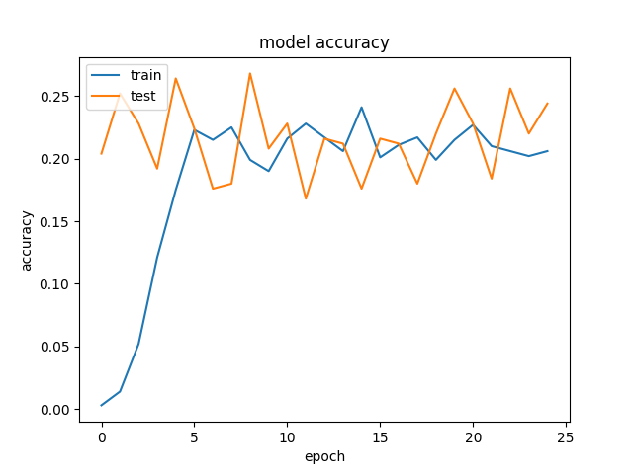
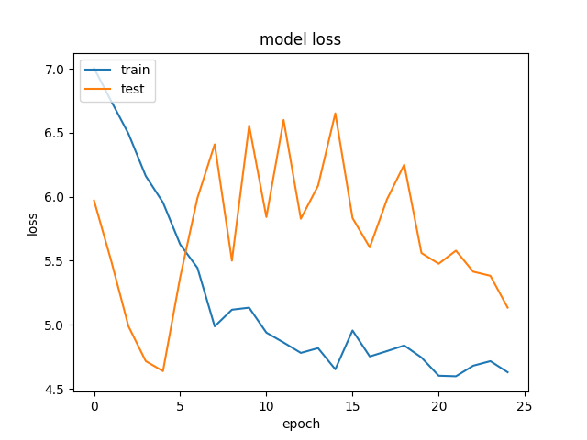
Time | 20190630-091624-
Folder name | 85d506ee
Epochs | 25
Batch size | 50
Subset | 25000
Loss | categorical_crossentropy
VGG weights | TRUE
VGG frozen layers | 13
Metrics | categorical_accuracy
Optimizer | rmsprop
Learning rate | 1.00E-05
Test size | 0.2
Word2vec dimension | 96
Hidden nodes LSTM | 512
Hidden layers lstm | 6
Hidden nodes FC | 1024
Number layers FC | 6

It could be that the number of training epochs is not large enough for the smaller learning rate. This could result in the system failing to reach the optimal solution. So a small learning rate means more iterations and vice versa. It could also be that smaller step sizes results in the NN learning a more exact solution hence the overfitting. A moderate learning rate would overshoot such points never settling but oscillating about such a point hence likely to generalize well. So yes the captured details must be related to the learning rate, but not to a large extent.

VGG-7
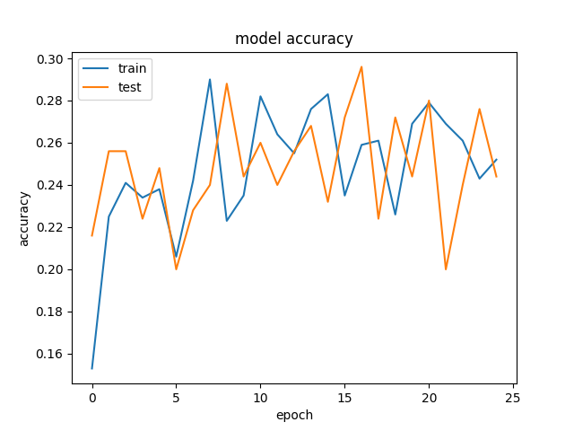
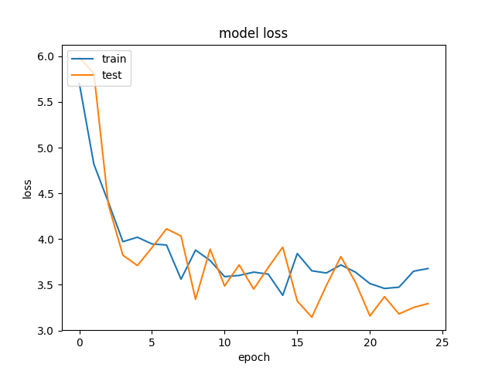
Time | 20190630-083118-
Folder name | 666b9c1b
Epochs | 25
Batch size | 50
Subset | 25000
Loss | categorical_crossentropy
VGG weights | TRUE
VGG frozen layers | 13
Metrics | categorical_accuracy
Optimizer | rmsprop
Learning rate | 0.0001
Test size | 0.2
Word2vec dimension | 96
Hidden nodes LSTM | 512
Hidden layers lstm | 6
Hidden nodes FC | 1024
Number layers FC | 6

VGG-6
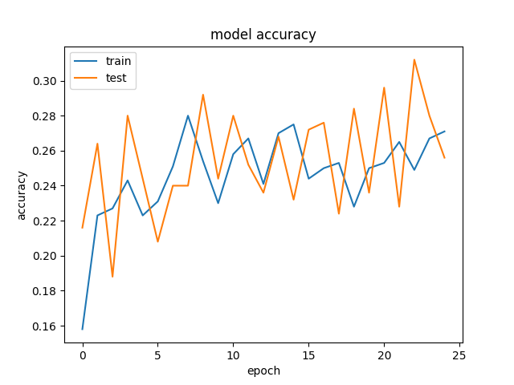
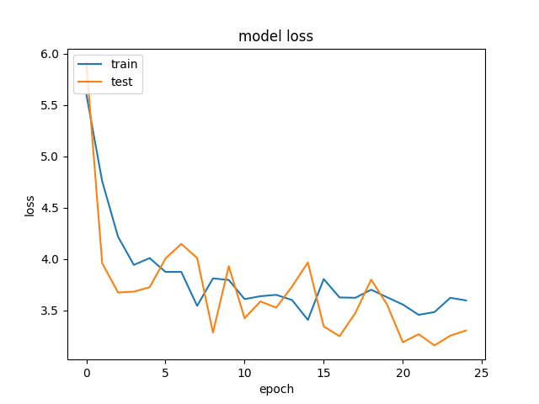
Time | 20190630-074525-
Folder name | d034b306
Epochs | 25
Batch size | 50
Subset | 25000
Loss | categorical_crossentropy
VGG weights | TRUE
VGG frozen layers | 10
Metrics | categorical_accuracy
Optimizer | rmsprop
Learning rate | 0.0001
Test size | 0.2
Word2vec dimension | 96
Hidden nodes LSTM | 512
Hidden layers lstm | 6
Hidden nodes FC | 1024
Number layers FC | 6

VGG-5
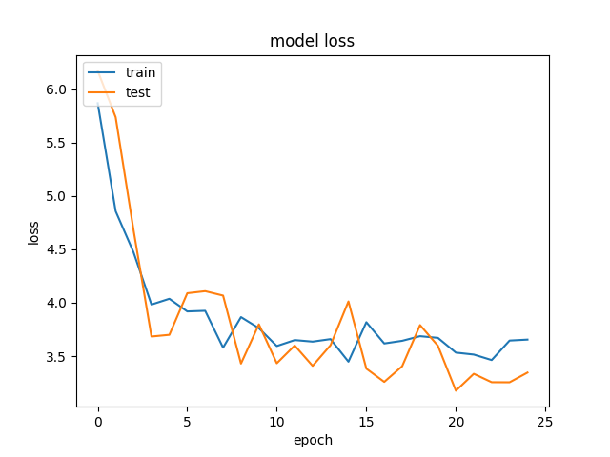
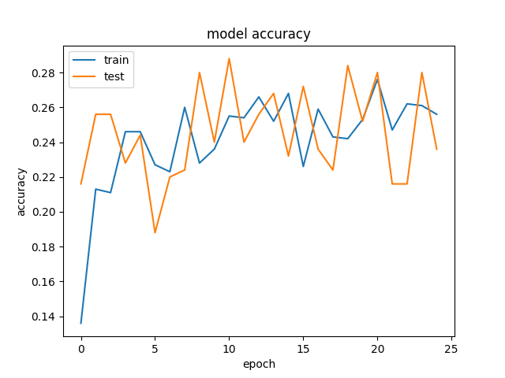
Time | 20190630-070030-
Folder name | c8131051
Epochs | 25
Batch size | 50
Subset | 25000
Loss | categorical_crossentropy
VGG weights | TRUE
VGG frozen layers | 8
Metrics | categorical_accuracy
Optimizer | rmsprop
Learning rate | 0.0001
Test size | 0.2
Word2vec dimension | 96
Hidden nodes LSTM | 512
Hidden layers lstm | 6
Hidden nodes FC | 1024
Number layers FC | 6

Congelando 8 layers del VGG la mejora en la Loss en notable.
Pero a partir de aquí, congelar más capas, sale más o menos el mismo resultado

VGG -4
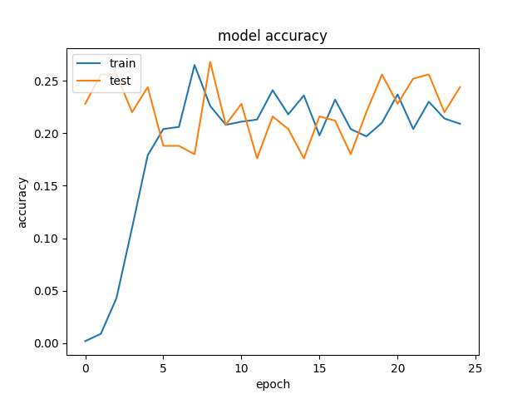
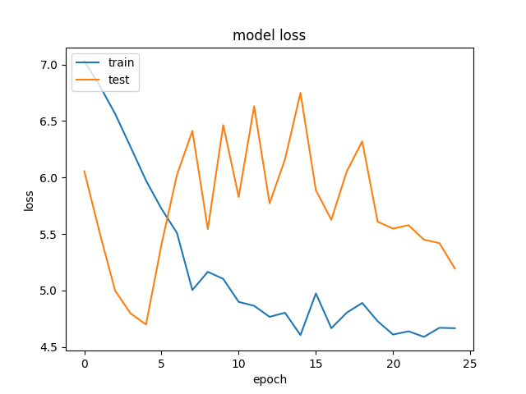
Time | 20190630-060907-
Folder name | e522f28b
Epochs | 25
Batch size | 50
Subset | 25000
Loss | categorical_crossentropy
VGG weights | TRUE
VGG frozen layers | 4
Metrics | categorical_accuracy
Optimizer | rmsprop
Learning rate | 1.00E-05
Test size | 0.2
Word2vec dimension | 96
Hidden nodes LSTM | 512
Hidden layers lstm | 6
Hidden nodes FC | 1024
Number layers FC | 6
It could be that the number of training epochs is not large enough for the smaller learning rate. This could result in the system failing to reach the optimal solution. So a small learning rate means more iterations and vice versa. It could also be that smaller step sizes results in the NN learning a more exact solution hence the overfitting. A moderate learning rate would overshoot such points never settling but oscillating about such a point hence likely to generalize well. So yes the captured details must be related to the learning rate, but not to a large extent.

VGG-3
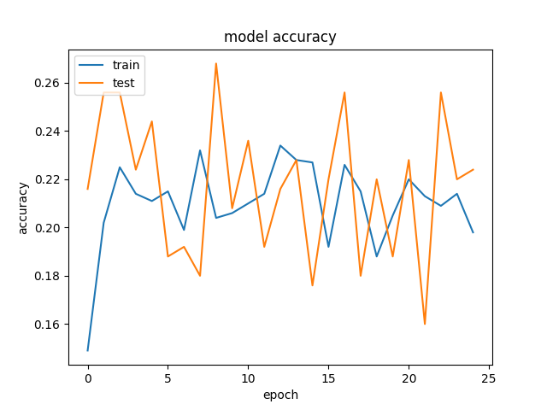
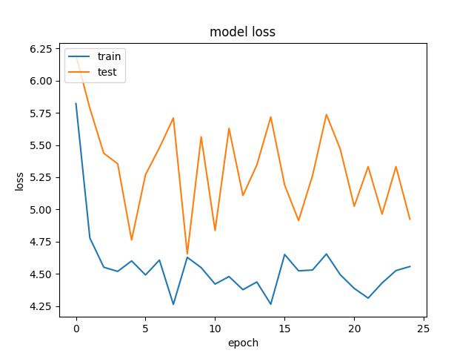
Time | 20190629-214229-
Folder name | a542db78
Epochs | 25
Batch size | 50
Subset | 25000
Loss | categorical_crossentropy
VGG weights | TRUE
VGG frozen layers | 4
Metrics | categorical_accuracy
Optimizer | rmsprop
Learning rate | 0.0001
Test size | 0.2
Word2vec dimension | 96
Hidden nodes LSTM | 512
Hidden layers lstm | 6
Hidden nodes FC | 1024
Number layers FC | 6

VGG-2
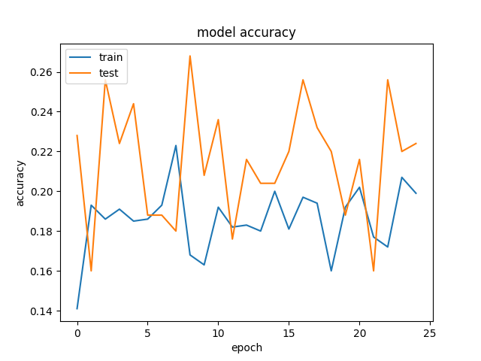
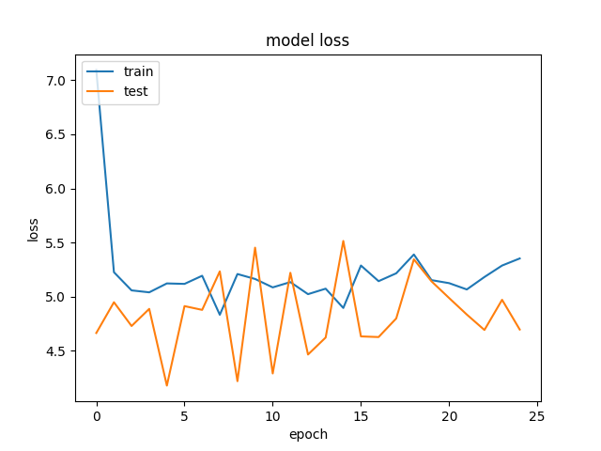
Time | 20190629-222932-
Folder name | 34e201c9
Epochs | 25
Batch size | 50
Subset | 25000
Loss | categorical_crossentropy
VGG weights | TRUE
VGG frozen layers | 4
Metrics | categorical_accuracy
Optimizer | rmsprop
Learning rate | 0.001
Test size | 0.2
Word2vec dimension | 96
Hidden nodes LSTM | 512
Hidden layers lstm | 6
Hidden nodes FC | 1024
Number layers FC | 6

VGG - 1
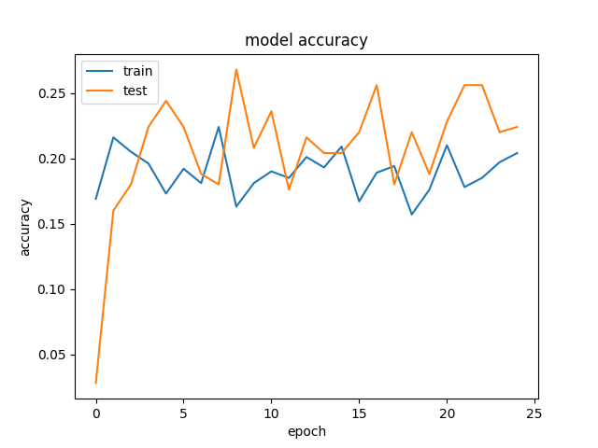
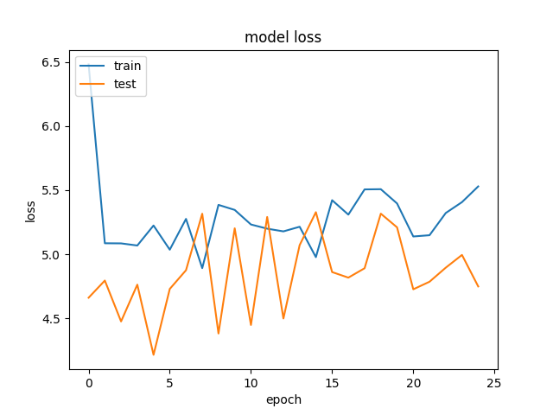
Time | 20190629-192742-
Folder name | 0016f4a2
Epochs | 25
Batch size | 50
Subset | 25000
Loss | categorical_crossentropy
VGG weights | TRUE
VGG frozen layers | 4
Metrics | categorical_accuracy
Optimizer | rmsprop
Learning rate | 0.001
Test size | 0.2

Este está repetido. = al 34e201c9
Hay que eliminarlo.

MLP
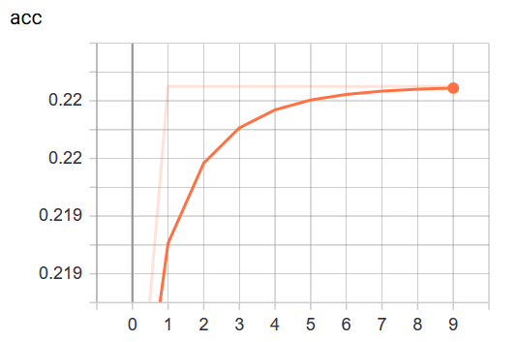
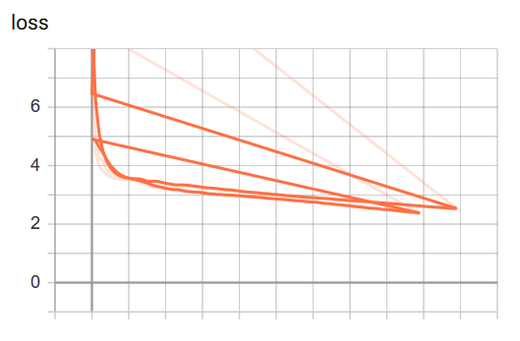
Time | 20190622-114927-
Folder name | 0008a4n2
Epochs | 100
Batch size | 256
Subset | 30000
Loss
Dense layers | 11
LSTM layers | 3
Metrics
Optimizer
Learning rate
Test size

