VGG 24
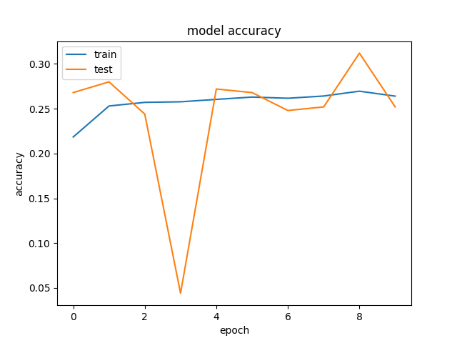
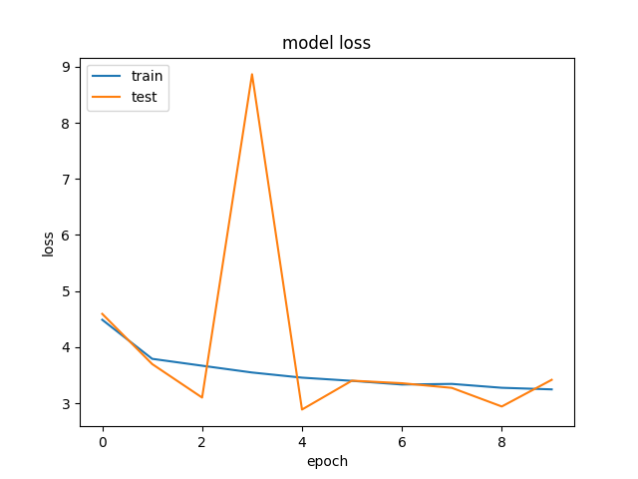
Time | 20190702-223650-
Folder name | a035d11a
Epochs | 10
Batch size | 50
Subset | 25000
Loss | categorical_crossentropy
VGG weights | TRUE
VGG frozen layers | 13
Metrics | categorical_accuracy
Optimizer | rmsprop
Learning rate | 0.0001
Test size | 0.2
Word2vec dimension | 96
Hidden nodes LSTM | 512
Hidden layers LSTM | 3
Hidden nodes FC | 1024
Number layers FC | 3
Merge methods | concatenate
Image TF Crop | FALSE
Image Standarization | TRUE
Dropout in the fine tuned VGG | 0.5
Activation in the fine tuned VGG | relu
Dropout in the merged model | 0.5
Activation in the merged model | tanh
Batch normalization fine tuned | TRUE
Batch normalization merged model | TRUE
Steps per epoch | 500

VGG 23
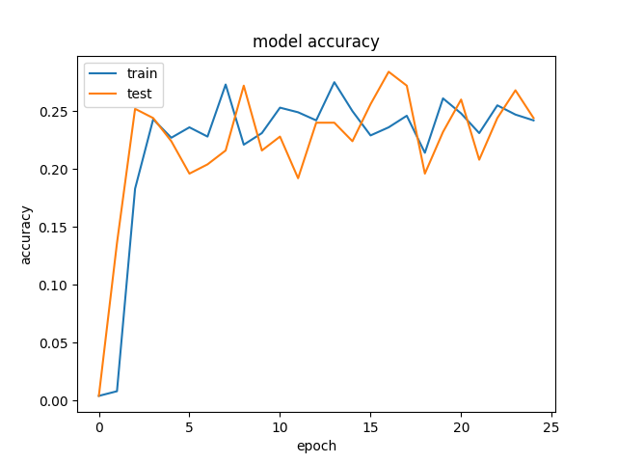
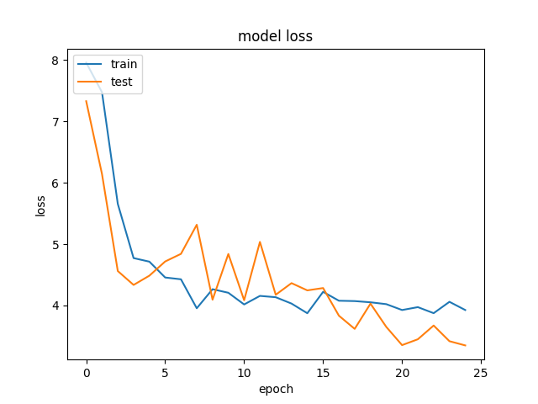
Time | 20190702-184448-
Folder name | a07139fe
Epochs | 25
Batch size | 50
Subset | 25000
Loss | categorical_crossentropy
VGG weights | TRUE
VGG frozen layers | 13
Metrics | categorical_accuracy
Optimizer | rmsprop
Learning rate | 0.0001
Test size | 0.2
Word2vec dimension | 96
Hidden nodes LSTM | 512
Hidden layers LSTM | 3
Hidden nodes FC | 1024
Number layers FC | 3
Merge methods | concatenate
Image TF Crop | FALSE
Image Standarization | TRUE
Dropout in the fine tuned VGG | 0.5
Activation in the fine tuned VGG | relu
Dropout in the merged model | 0.5
Activation in the merged model | tanh
Batch normalization fine tuned | TRUE
Batch normalization merged model | TRUE
Steps per epoch | 20

VGG 22
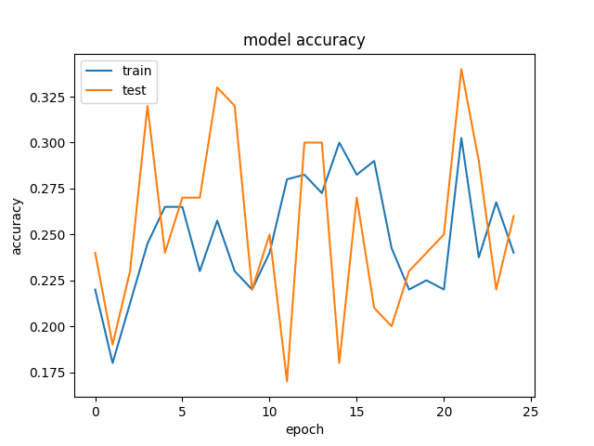
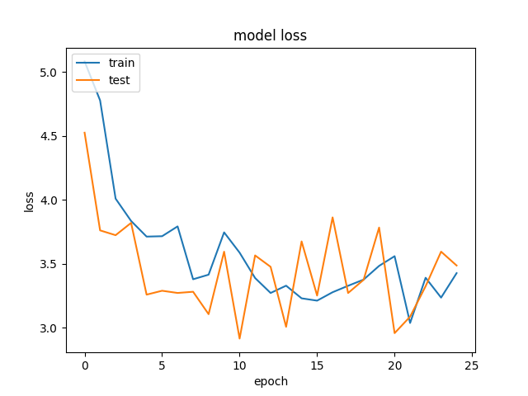
Time | 20190701-225750-
Folder name | 4186a2e7
Epochs | 25
Batch size | 20
Subset | 25000
Loss | categorical_crossentropy
VGG weights | TRUE
VGG frozen layers | 8
Metrics | categorical_accuracy
Optimizer | rmsprop
Learning rate | 0.0001
Test size | 0.2
Word2vec dimension | 96
Hidden nodes LSTM | 512
Hidden layers LSTM | 3
Hidden nodes FC | 1024
Number layers FC | 3
Merge methods | concatenate
Image TF Crop | FALSE
Image Standarization | TRUE
Dropout in the fine tuned VGG | 0.4
Activation in the fine tuned VGG | relu
Dropout in the merged model | 0.4
Activation in the merged model | tanh

VGG 21
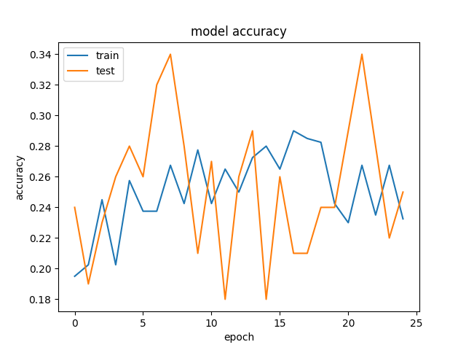
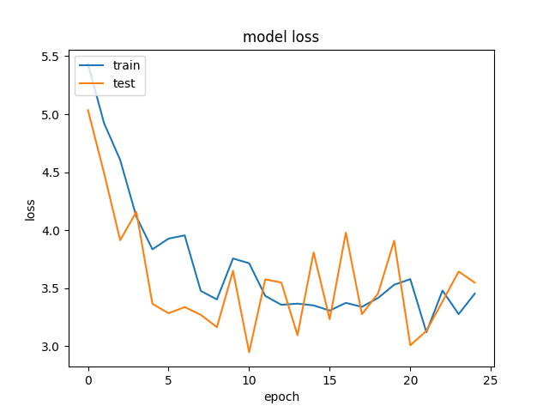
Time | 20190701-223538-
Folder name | 198b6360
Epochs | 25
Batch size | 20
Subset | 25000
Loss | categorical_crossentropy
VGG weights | TRUE
VGG frozen layers | 13
Metrics | categorical_accuracy
Optimizer | rmsprop
Learning rate | 0.0001
Test size | 0.2
Word2vec dimension | 96
Hidden nodes LSTM | 512
Hidden layers LSTM | 3
Hidden nodes FC | 1024
Number layers FC | 3
Merge methods | concatenate
Image TF Crop | FALSE
Image Standarization | TRUE
Dropout in the fine tuned VGG | 0.5
Activation in the fine tuned VGG | relu
Dropout in the merged model | 0.5
Activation in the merged model | tanh

VGG 20
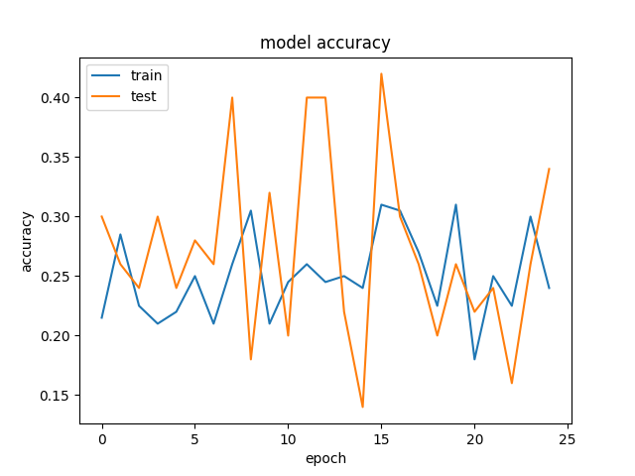
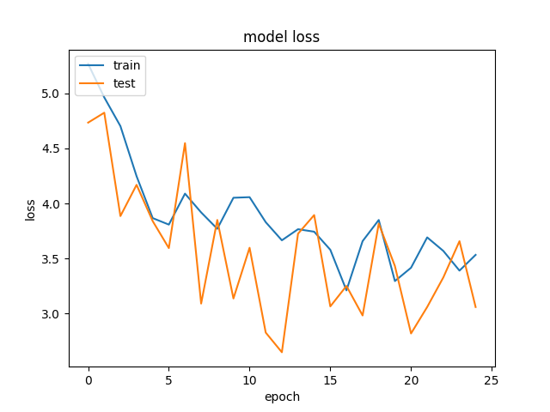
Time | 20190701-220434-
Folder name | 053b2e56
Epochs | 25
Batch size | 10
Subset | 25000
Loss | categorical_crossentropy
VGG weights | TRUE
VGG frozen layers | 4
Metrics | categorical_accuracy
Optimizer | rmsprop
Learning rate | 0.0001
Test size | 0.2
Word2vec dimension | 96
Hidden nodes LSTM | 512
Hidden layers LSTM | 3
Hidden nodes FC | 1024
Number layers FC | 3
Merge methods | concatenate
Image TF Crop | FALSE
Image Standarization | TRUE
Dropout in the fine tuned VGG | 0.5
Activation in the fine tuned VGG | relu
Dropout in the merged model | 0.5
Activation in the merged model | tanh

VGG 19
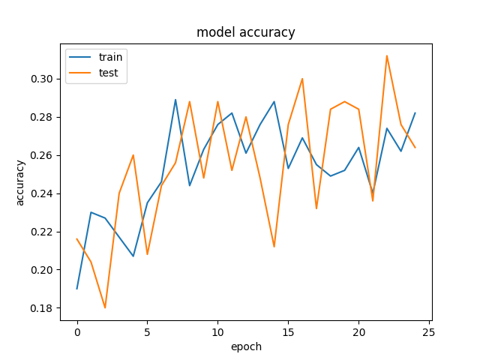
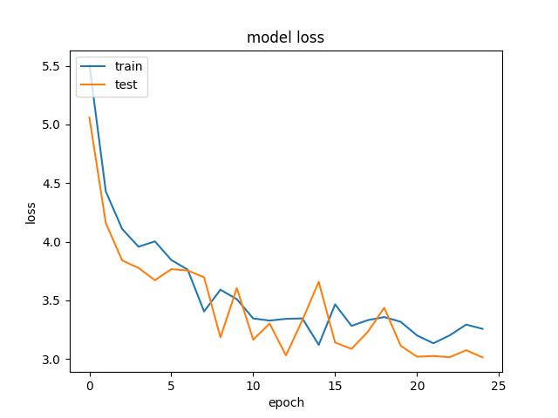
Time | 20190701-181322-
Folder name | 8ebae275
Epochs | 25
Batch size | 50
Subset | 25000
Loss | categorical_crossentropy
VGG weights | TRUE
VGG frozen layers | 13
Metrics | categorical_accuracy
Optimizer | rmsprop
Learning rate | 0.0001
Test size | 0.2
Word2vec dimension | 96
Hidden nodes LSTM | 512
Hidden layers LSTM | 3
Hidden nodes FC | 1024
Number layers FC | 3
Merge methods | concatenate
Hacemos un training con un mix de los mejores parámetros que hemos tenidos ahora, pero cambiando la función de activación por u na RELU en lugar de una TANH.
Sería identico al VGG-7, excepto por la función de activación y parece que mejora ligeramente la Loss y va por debajo de la del VGG-7 y querría seguir bajando.
La accuracy es ascendente, mientras que en la VGG se queda plana, por lo que la idea sería hacer más epochs para ver si a tendencia mejora aún más.
Image TF Crop | FALSE
Image Standarization | TRUE
Dropout in the merged model | 0.5
Activation in the merged model | relu

VGG 18
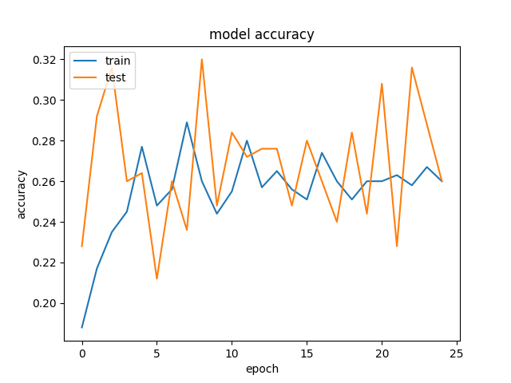
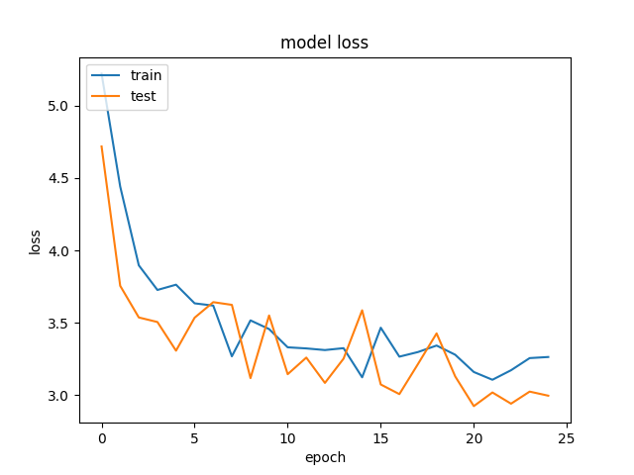
Time | 20190701-142414-
Folder name | 808fd7e5
Epochs | 25
Batch size | 50
Subset | 25000
Loss | categorical_crossentropy
VGG weights | TRUE
VGG frozen layers | 13
Metrics | categorical_accuracy
Optimizer | rmsprop
Learning rate | 0.0001
Test size | 0.2
Word2vec dimension | 96
Hidden nodes LSTM | 512
Hidden layers LSTM | 3
Hidden nodes FC | 1024
Number layers FC | 3
Merge methods | concatenate
Image TF Crop | FALSE
Image Standarization | TRUE

VGG 17
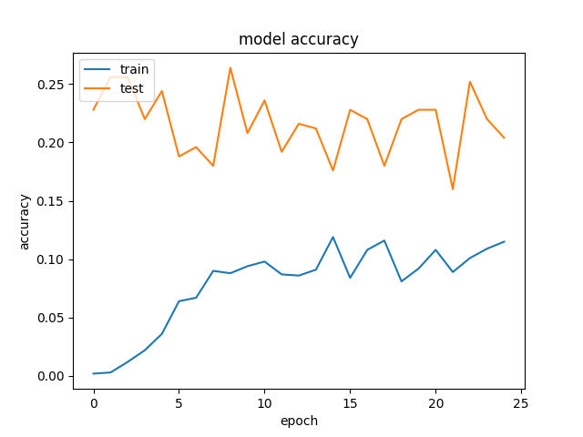
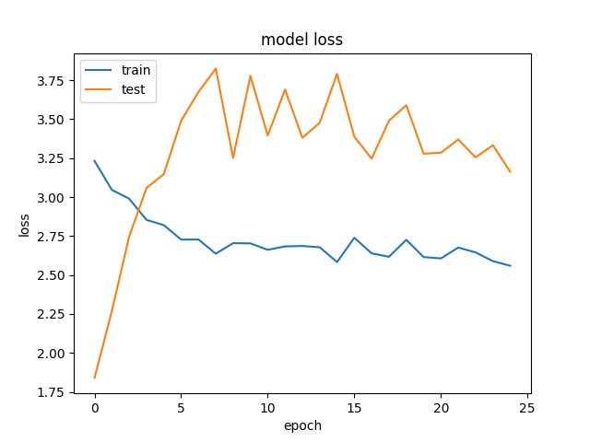
Time | 20190701-133332-
Folder name | 2281c77a
Epochs | 25
Batch size | 50
Subset | 25000
Loss | categorical_hinge
VGG weights | TRUE
VGG frozen layers | 13
Metrics | categorical_accuracy
Optimizer | rmsprop
Learning rate | 1.00E-05
Test size | 0.2
Word2vec dimension | 96
Hidden nodes LSTM | 512
Hidden layers LSTM | 6
Hidden nodes FC | 1024
Number layers FC | 6
Repetimos el modelo anterior cambiando el tamañao de step de la learning rate por uno mucho más pequeño (1e-5). Para ver si mejoraba el modelo anterior
Vemos que las curvas son raras. Preguntar porque....!!!
Merge methods | concatenate
Image TF Crop | FALSE
Image Standarization | TRUE

VGG 16
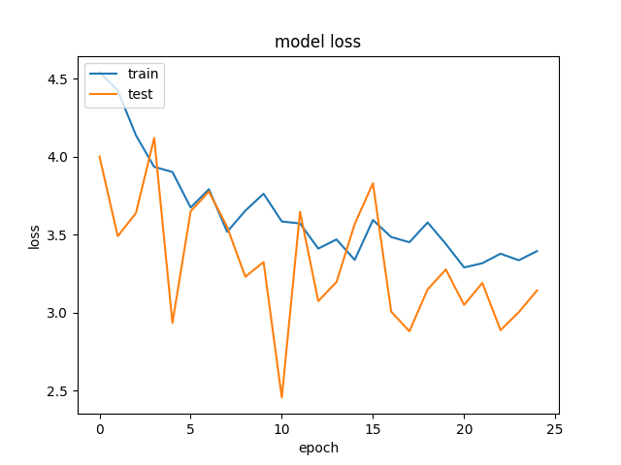
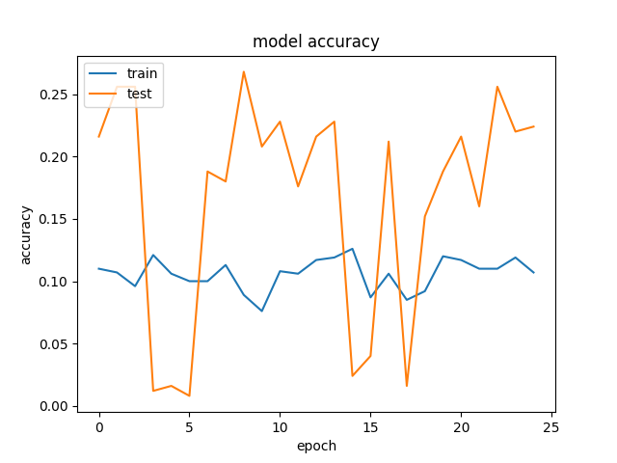
Time | 20190701-123958-
Folder name | 1ea656d6
Epochs | 25
Batch size | 50
Subset | 25000
Loss | categorical_hinge
VGG weights | TRUE
VGG frozen layers | 13
Metrics | categorical_accuracy
Optimizer | rmsprop
Learning rate | 0.001
Test size | 0.2
Word2vec dimension | 96
Hidden nodes LSTM | 512
Hidden layers LSTM | 6
Hidden nodes FC | 1024
Number layers FC | 6
Quitamos el CROP.
Hacemos varios cambios para ver si mejora mucho o que hace....y luego ir ajustando.
Ponemos Image Standarization
Ponemos categorical hinge en lugar de crossentropy.
Aumentamos el tamaño de step del learning rate.
La loss empeora en forma de rebotes seguramente debido a que al aumentar el tamaño de la learning rate , rebota entorno a un mínimo local.
Merge methods | concatenate
Image TF Crop | FALSE
Image Standarization | TRUE

VGG 15
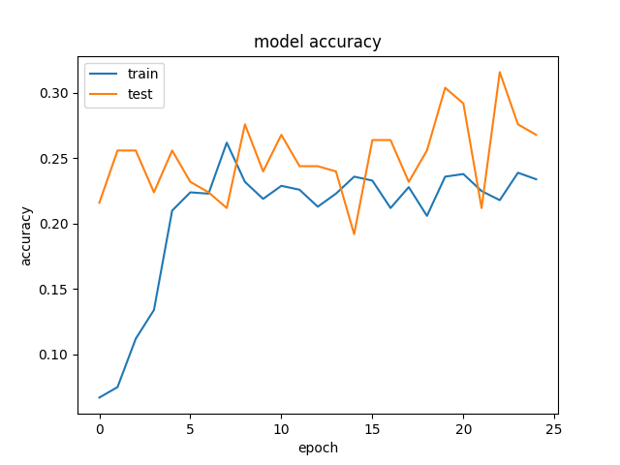
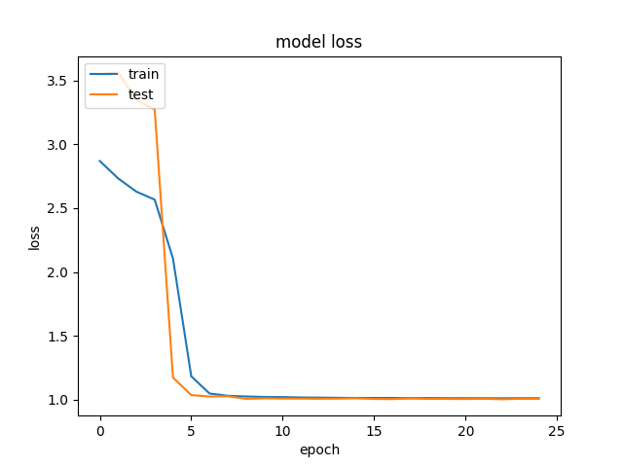
Time | 20190701-114457-
Folder name | 3fd7b35b
Epochs | 25
Batch size | 50
Subset | 25000
Loss | categorical_hinge
VGG weights | TRUE
VGG frozen layers | 13
Metrics | categorical_accuracy
Optimizer | rmsprop
Learning rate | 0.0001
Test size | 0.2
Word2vec dimension | 96
Hidden nodes LSTM | 512
Hidden layers LSTM | 6
Hidden nodes FC | 1024
Number layers FC | 6
Repetimos el modelo anterior cambiando el tamañao de step de la learning rate por uno más pequeño.
La loss emejora de forma sustancial aunque la forma de L hace pensar que no está superando bien el umbral de activación. De ahí que sea plano ( eso es que no aprende???) . Podría ser un vanishing gradient?
La accuracy mejora también pero no vemos bien porqué???
Merge methods | concatenate
Image TF Crop | FALSE
Image Standarization | TRUE

VGG 14
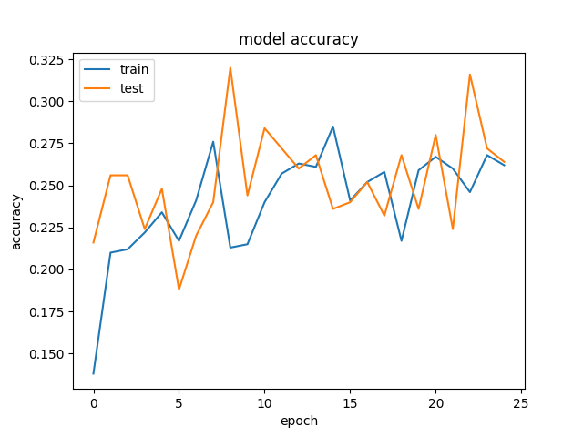
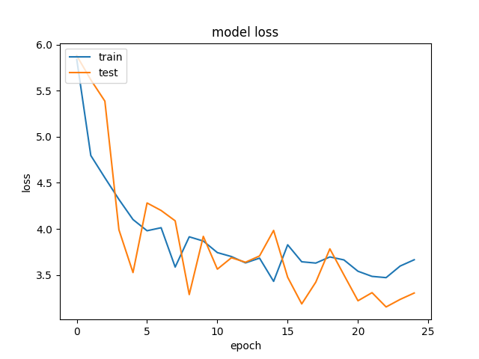
Time | 20190701-103339-
Folder name | 6462ea6d
Epochs | 25
Batch size | 50
Subset | 25000
Loss | categorical_crossentropy
VGG weights | TRUE
VGG frozen layers | 13
Metrics | categorical_accuracy
Optimizer | rmsprop
Learning rate | 0.0001
Test size | 0.2
Word2vec dimension | 96
Hidden nodes LSTM | 512
Hidden layers LSTM | 6
Hidden nodes FC | 1024
Number layers FC | 6
Merge methods | concatenate
Image TF Crop | FALSE
Image Standarization | TRUE

VGG 13
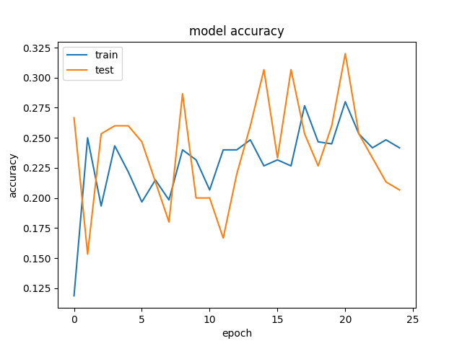
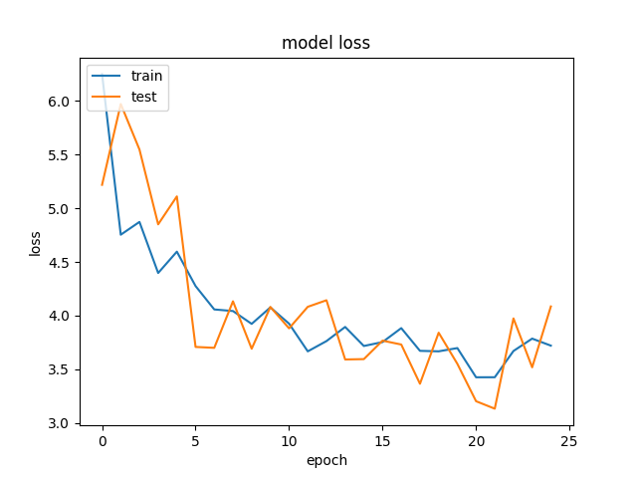
Time | 20190701-075912-
Folder name | fa33917d
Epochs | 25
Batch size | 30
Subset | 25000
Loss | categorical_crossentropy
VGG weights | TRUE
VGG frozen layers | 13
Metrics | categorical_accuracy
Optimizer | rmsprop
Learning rate | 0.0001
Test size | 0.2
Word2vec dimension | 96
Hidden nodes LSTM | 512
Hidden layers LSTM | 6
Hidden nodes FC | 1024
Number layers FC | 6
Merge methods | concatenate
Image TF Crop | FALSE
Activation in the merged model | relu

VGG 12
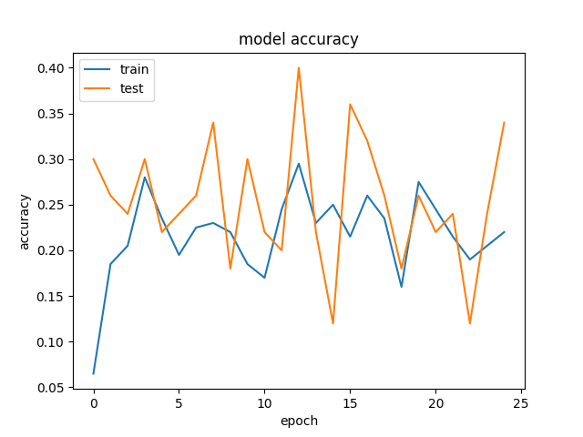
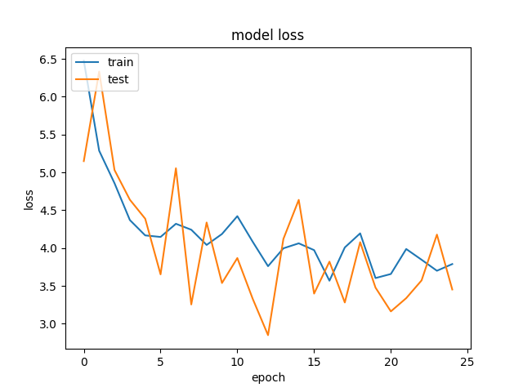
Time | 20190701-074652-
Folder name | 8c3e023d
Epochs | 25
Batch size | 10
Subset | 25000
Loss | categorical_crossentropy
VGG weights | TRUE
VGG frozen layers | 13
Metrics | categorical_accuracy
Optimizer | rmsprop
Learning rate | 0.0001
Test size | 0.2
Word2vec dimension | 96
Hidden nodes LSTM | 512
Hidden layers LSTM | 6
Hidden nodes FC | 1024
Abandonamos la loss HINGE y volvemos a la crossentropy.
Hemos hecho un training menor , para ver si eso acelera el proceso ya que entre esta y la anterior, hemos tenido un trainig abortado porque iba muy lento.
La idea era ver si el tamaño de batch size menor mejoraba el tema, pero no ha variado ni la CPU ni la GPU respecto a los batches de 50.
Lo que la lía parda es el CROP.
Volvemos a los batches de 50.
Number layers FC | 6
Merge methods | concatenate
Image TF Crop | FALSE
Image Standarization | FALSE

VGG 11
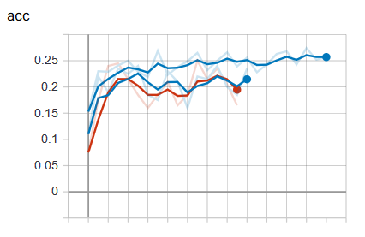
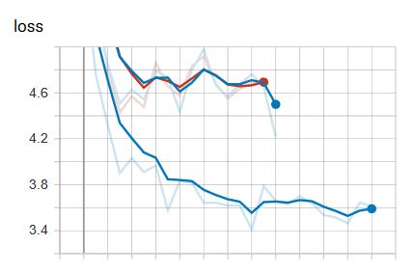
Time | 20190630-174244- | 20190630-221728-
Folder name | 1045974a | 1580de8b
Epochs | 25 | 25
Batch size | 50 | 10
Subset | 25000 | 25000
Loss | categorical_crossentropy | categorical_crossentropy
VGG weights | TRUE | TRUE
VGG frozen layers | 13 | 13
Metrics | categorical_accuracy | categorical_accuracy
Optimizer | rmsprop | rmsprop
Learning rate | 0.0001 | 0.0001
Test size | 0.2 | 0.2
Word2vec dimension | 96 | 96
Una cambiado el crop ( en lugar del reshape) para ver que pasa:
Observamos que el desempeño de la CPU empeora con el sucederse de los batches, mientras que la GPU no se entera.
La maquina se queda frita y tenemos que matar el proceso de training. Pillamos las curvas del Tensorboard directamente porque al no acabar el proceso no las crea en fichero.
Despuès de lanzar el proceso un par de veces, llegamos a la conclusión de que podría ser por los batches que tiene que cargar la CPU ya que al hacer el crop y trabajar con batches de 50 le lleva su tiempo tener el batch preparado para pasarlo a la CPU
SOl. reducir el tamaño de batch a 10, en lugar de 50 por ejemplo.
Hidden nodes LSTM | 512 | 512
Hidden layers LSTM | 6 | 6
Hidden nodes FC | 1024 | 1024
Number layers FC | 6 | 6
Merge methods | concatenate | concatenate
Image TF Crop | TRUE | TRUE

VGG 10
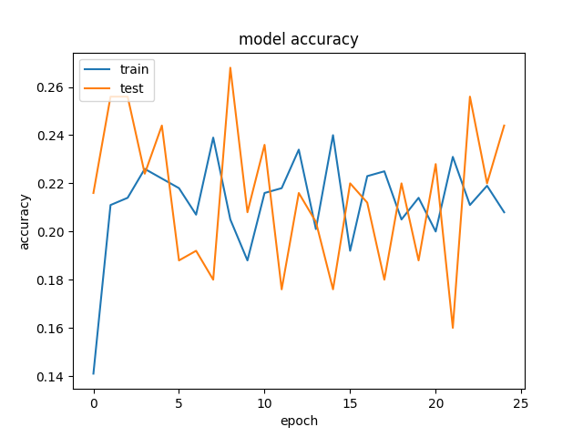
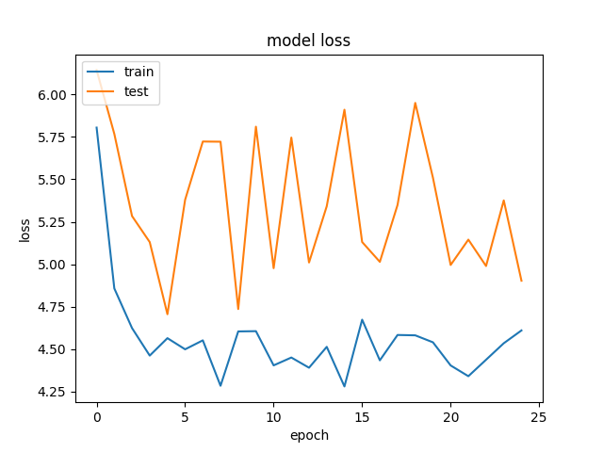
Time | 20190630-131709-
Folder name | addfaaaa
Epochs | 25
Batch size | 50
Subset | 25000
Loss | categorical_crossentropy
VGG weights | TRUE
VGG frozen layers | 13
Metrics | categorical_accuracy
Optimizer | rmsprop
Learning rate | 0.0001
Test size | 0.2
Word2vec dimension | 96
Hidden nodes LSTM | 512
Hidden layers LSTM | 12
Hidden nodes FC | 1024
En este caso hemos doblado el nº de layers LSTM y hemos corrido el modelo para ver si mejorarba en algo la accuracy /loss.
La curva de LOSS de test ha seguido como en paralelo la de train al final pero el resultado es peor en comparación con el modelo con la mitad de LSTM probablemente debido al aumento de complejidad del modelo, que de forma relativa hace disminuir la cantidad dedatos para aprender, resultando en una especie de "overfitting" raro.
Por el contrario las predicciónes de la inferencia, empiezan a salir ¿¿mejor. ??
Si tenemos tiempo intentar probar este modelo con todo el fulldataset.
Number layers FC | 6
Merge methods | concatenate

VGG 9
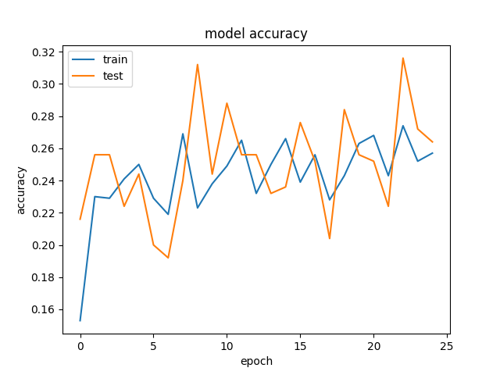
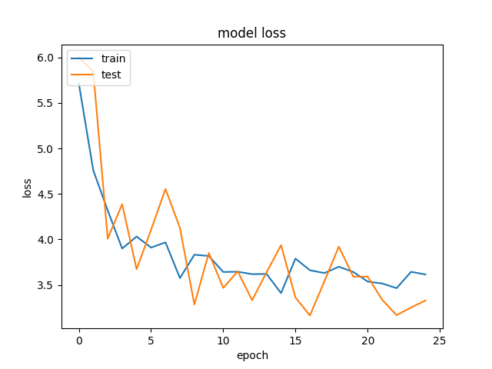
Time | 20190630-121003-
Folder name | 9193f51e
Epochs | 25
Batch size | 50
Subset | 25000
Loss | categorical_crossentropy
VGG weights | TRUE
VGG frozen layers | 7
Metrics | categorical_accuracy
Optimizer | rmsprop
Learning rate | 0.0001
Test size | 0.2
Word2vec dimension | 96
Hidden nodes LSTM | 512
Hidden layers LSTM | 6
Hidden nodes FC | 1024
Number layers FC | 6
Congelando 7 layers del VGG no se parecia diferencia en la Loss respecto a congelando 8.
Las curvas son parecidas a partir de cierto nº de frozen layers.
Merge methods | concatenate

VGG 8
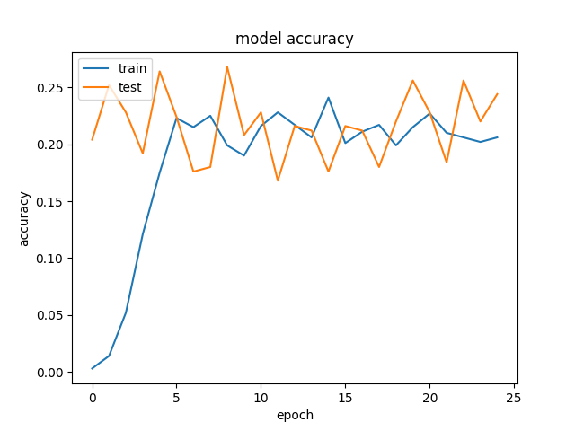
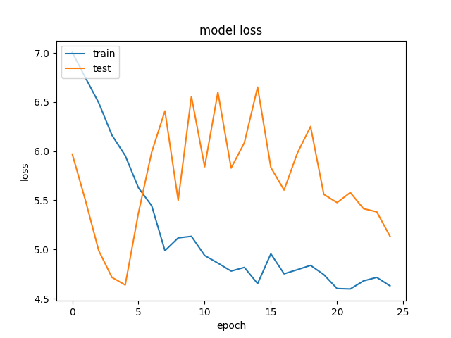
Time | 20190630-091624-
Folder name | 85d506ee
Epochs | 25
Batch size | 50
Subset | 25000
Loss | categorical_crossentropy
VGG weights | TRUE
VGG frozen layers | 13
Metrics | categorical_accuracy
Optimizer | rmsprop
Learning rate | 1.00E-05
Test size | 0.2
Word2vec dimension | 96
Hidden nodes LSTM | 512
Hidden layers lstm | 6
Hidden nodes FC | 1024
Number layers FC | 6

It could be that the number of training epochs is not large enough for the smaller learning rate. This could result in the system failing to reach the optimal solution. So a small learning rate means more iterations and vice versa. It could also be that smaller step sizes results in the NN learning a more exact solution hence the overfitting. A moderate learning rate would overshoot such points never settling but oscillating about such a point hence likely to generalize well. So yes the captured details must be related to the learning rate, but not to a large extent.

VGG 7
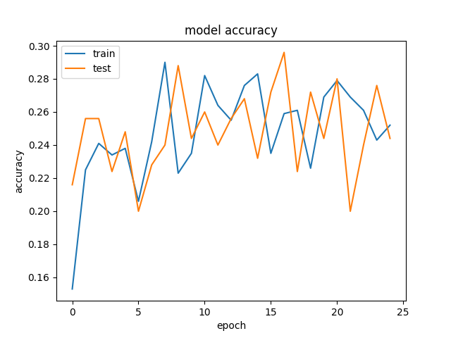
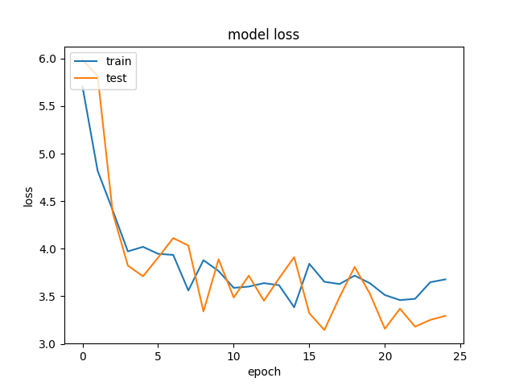
Time | 20190630-083118-
Folder name | 666b9c1b
Epochs | 25
Batch size | 50
Subset | 25000
Loss | categorical_crossentropy
VGG weights | TRUE
VGG frozen layers | 13
Metrics | categorical_accuracy
Optimizer | rmsprop
Learning rate | 0.0001
Test size | 0.2
Word2vec dimension | 96
Hidden nodes LSTM | 512
Hidden layers lstm | 6
Hidden nodes FC | 1024
Number layers FC | 6

VGG 6
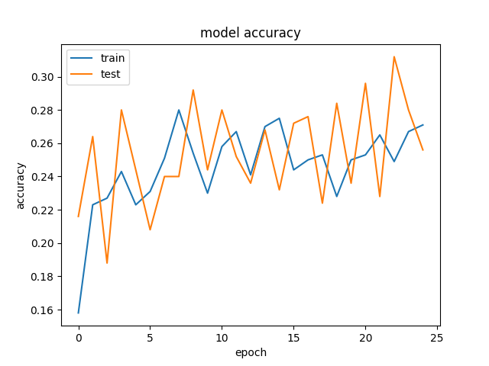
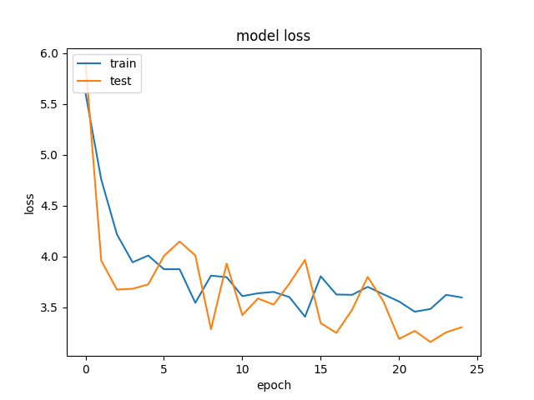
Time | 20190630-074525-
Folder name | d034b306
Epochs | 25
Batch size | 50
Subset | 25000
Loss | categorical_crossentropy
VGG weights | TRUE
VGG frozen layers | 10
Metrics | categorical_accuracy
Optimizer | rmsprop
Learning rate | 0.0001
Test size | 0.2
Word2vec dimension | 96
Hidden nodes LSTM | 512
Hidden layers lstm | 6
Hidden nodes FC | 1024
Number layers FC | 6

VGG 5
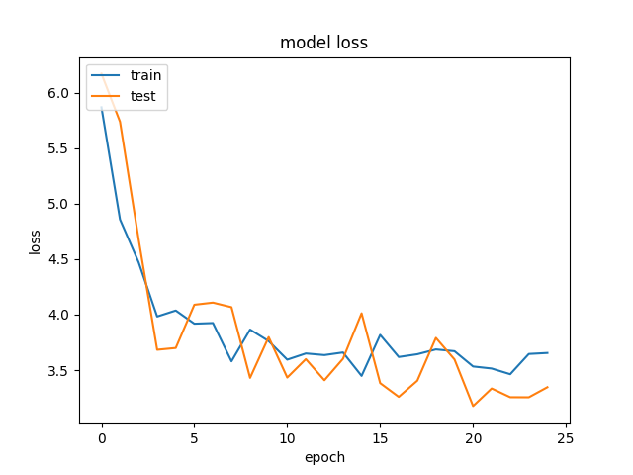
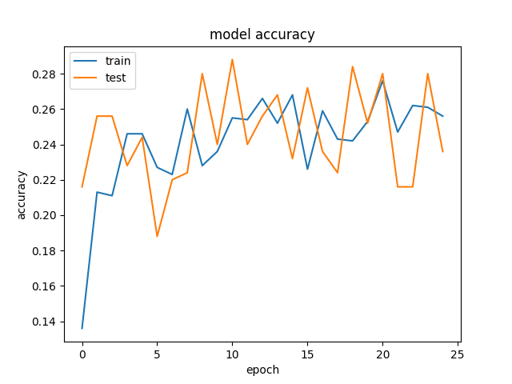
Time | 20190630-070030-
Folder name | c8131051
Epochs | 25
Batch size | 50
Subset | 25000
Loss | categorical_crossentropy
VGG weights | TRUE
VGG frozen layers | 8
Metrics | categorical_accuracy
Optimizer | rmsprop
Learning rate | 0.0001
Test size | 0.2
Word2vec dimension | 96
Hidden nodes LSTM | 512
Hidden layers lstm | 6
Hidden nodes FC | 1024
Number layers FC | 6

Congelando 8 layers del VGG la mejora en la Loss en notable.
Pero a partir de aquí, congelar más capas, sale más o menos el mismo resultado

VGG 4
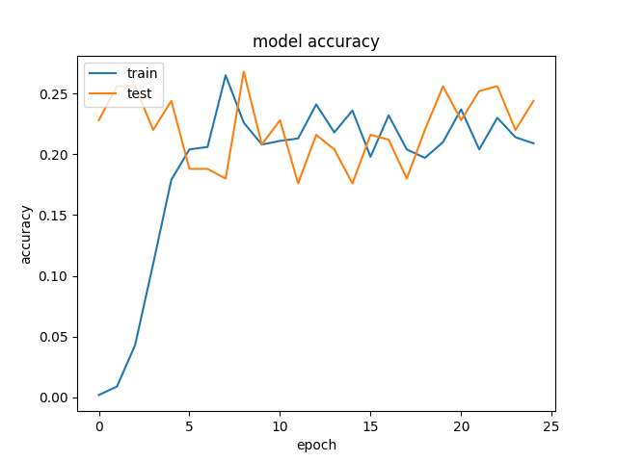
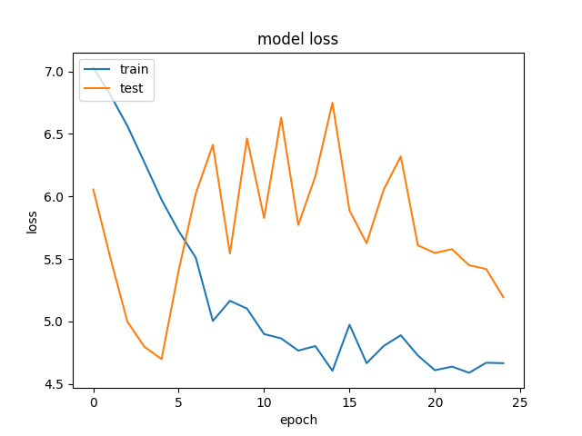
Time | 20190630-060907-
Folder name | e522f28b
Epochs | 25
Batch size | 50
Subset | 25000
Loss | categorical_crossentropy
VGG weights | TRUE
VGG frozen layers | 4
Metrics | categorical_accuracy
Optimizer | rmsprop
Learning rate | 1.00E-05
Test size | 0.2
Word2vec dimension | 96
Hidden nodes LSTM | 512
Hidden layers lstm | 6
Hidden nodes FC | 1024
Number layers FC | 6
It could be that the number of training epochs is not large enough for the smaller learning rate. This could result in the system failing to reach the optimal solution. So a small learning rate means more iterations and vice versa. It could also be that smaller step sizes results in the NN learning a more exact solution hence the overfitting. A moderate learning rate would overshoot such points never settling but oscillating about such a point hence likely to generalize well. So yes the captured details must be related to the learning rate, but not to a large extent.

VGG 3
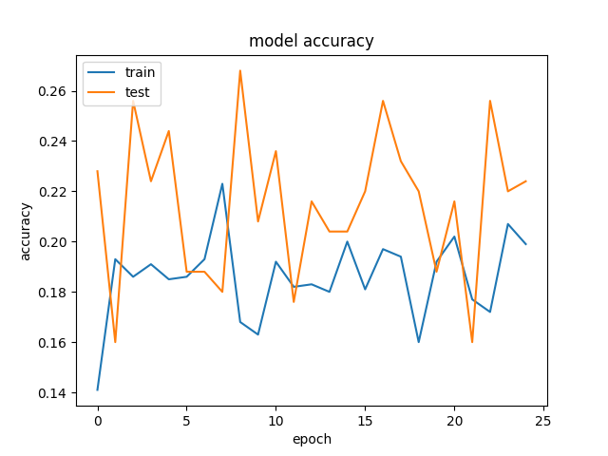
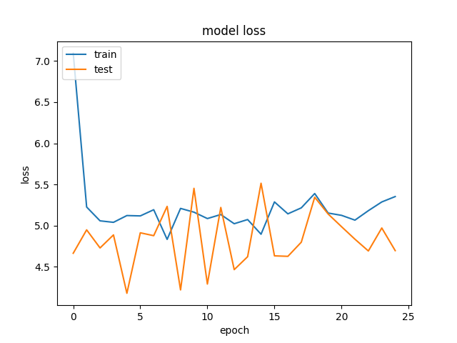
Time | 20190629-222932-
Folder name | 34e201c9
Epochs | 25
Batch size | 50
Subset | 25000
Loss | categorical_crossentropy
VGG weights | TRUE
VGG frozen layers | 4
Metrics | categorical_accuracy
Optimizer | rmsprop
Learning rate | 0.001
Test size | 0.2
Word2vec dimension | 96
Hidden nodes LSTM | 512
Hidden layers lstm | 6
Hidden nodes FC | 1024
Number layers FC | 6

VGG 2
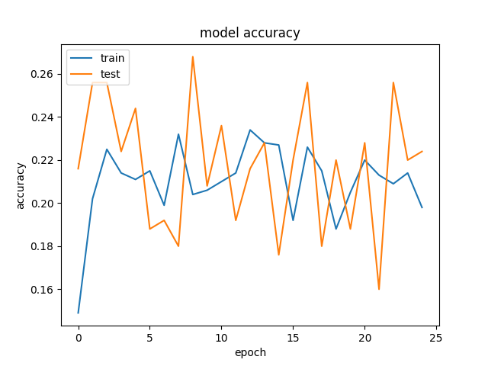
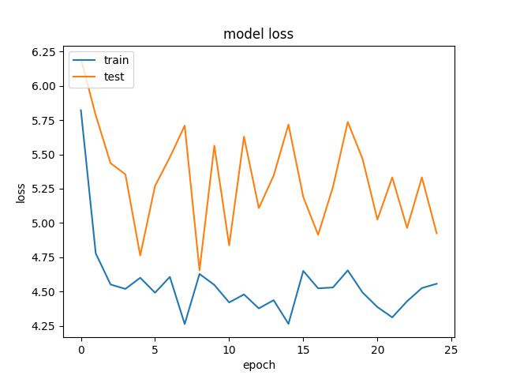
Time | 20190629-214229-
Folder name | a542db78
Epochs | 25
Batch size | 50
Subset | 25000
Loss | categorical_crossentropy
VGG weights | TRUE
VGG frozen layers | 4
Metrics | categorical_accuracy
Optimizer | rmsprop
Learning rate | 0.0001
Test size | 0.2
Word2vec dimension | 96
Hidden nodes LSTM | 512
Hidden layers lstm | 6
Hidden nodes FC | 1024
Number layers FC | 6

VGG 1
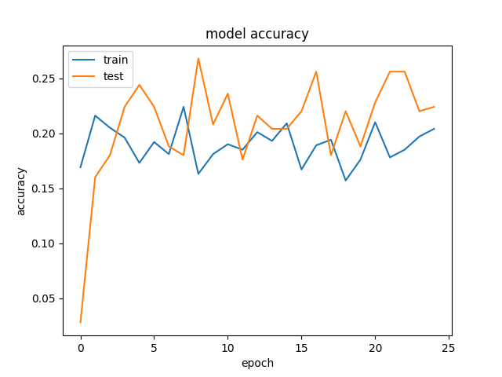
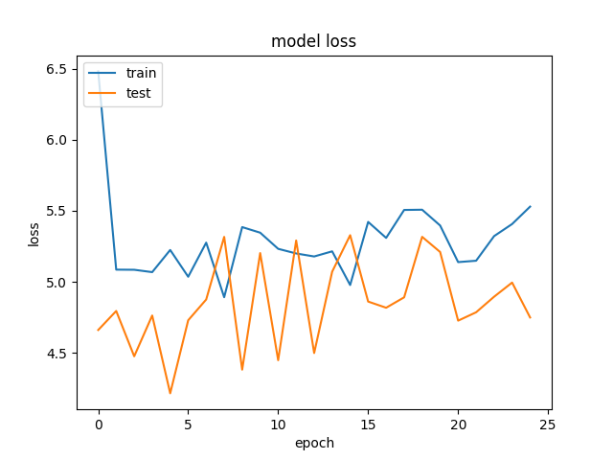
Time | 20190629-192742-
Folder name | 0016f4a2
Epochs | 25
Batch size | 50
Subset | 25000
Loss | categorical_crossentropy
VGG weights | TRUE
VGG frozen layers | 4
Metrics | categorical_accuracy
Optimizer | rmsprop
Learning rate | 0.001
Test size | 0.2

Este está repetido. = al 34e201c9
Hay que eliminarlo.

MLP
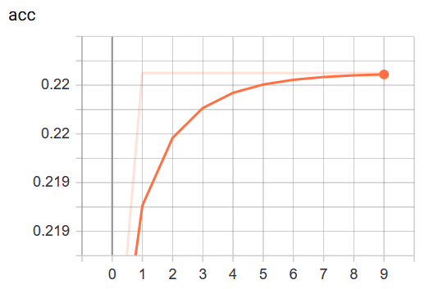
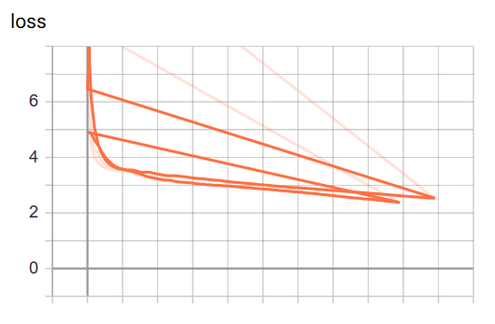
Time | 20190622-114927-
Folder name | 0008a4n2
Epochs | 100
Batch size | 256
Subset | 30000
Loss
Dense layers | 11
LSTM layers | 3
Metrics
Optimizer
Learning rate | 0.0001
Test size

