VGG 25
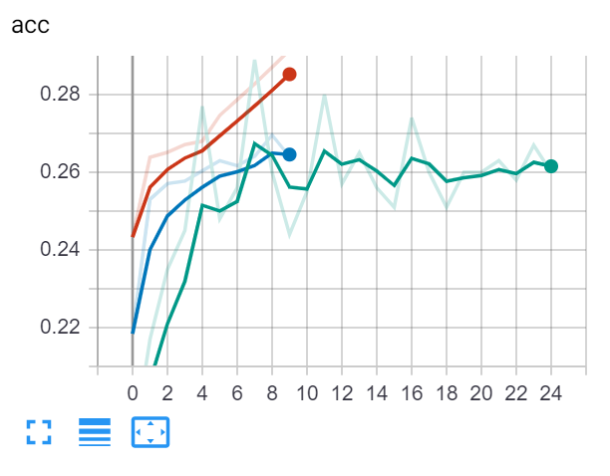
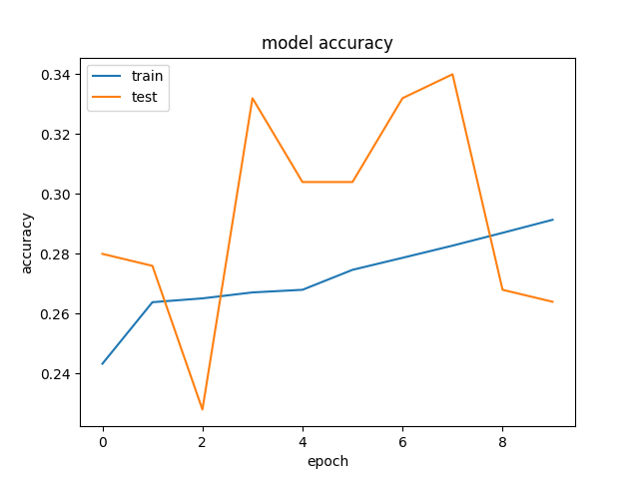
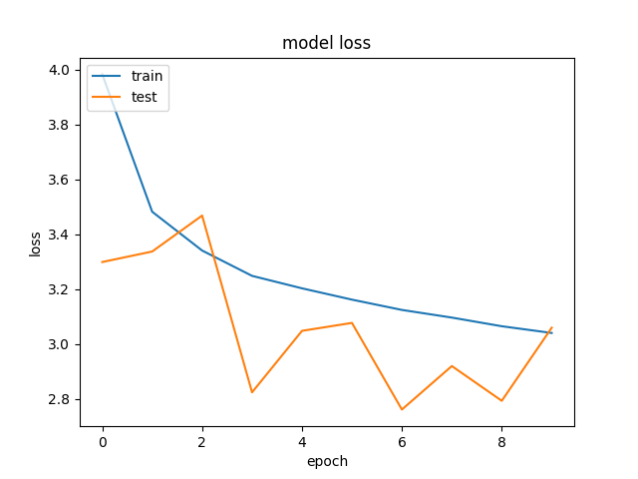
Time | 20190703-173927-
Folder name | c1807f7a
Epochs | 10
Batch size | 50
Subset | 75000
Loss | categorical_crossentropy
VGG weights | TRUE
VGG frozen layers | 13
Metrics | categorical_accuracy
Optimizer | rmsprop
Learning rate | 0.0001
Test size | 0.2
Word2vec dimension | 96
Hidden nodes LSTM | 512
Hidden layers LSTM | 3
Hidden nodes FC | 1024
Number layers FC | 3
Merge methods | concatenate
Image TF Crop | FALSE
Image Standarization | TRUE
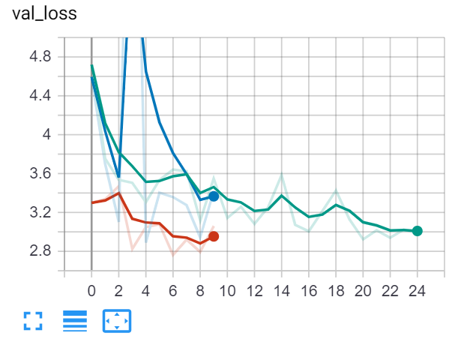
Dropout in the fine tuned VGG | 0.5
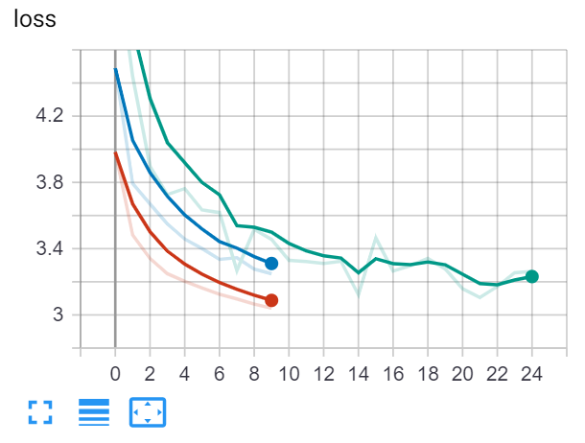
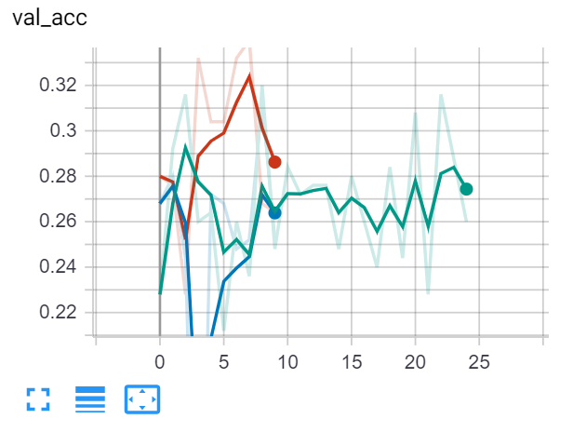
Activation in the fine tuned VGG | relu
Dropout in the merged model | 0.5
Activation in the merged model | tanh
Batch normalization fine tuned | TRUE
Batch normalization merged model | TRUE
Steps per epoch | 1500

VGG 24
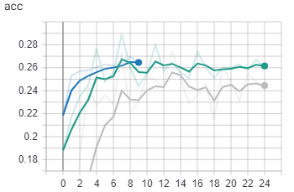
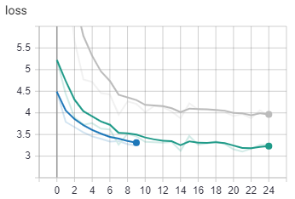
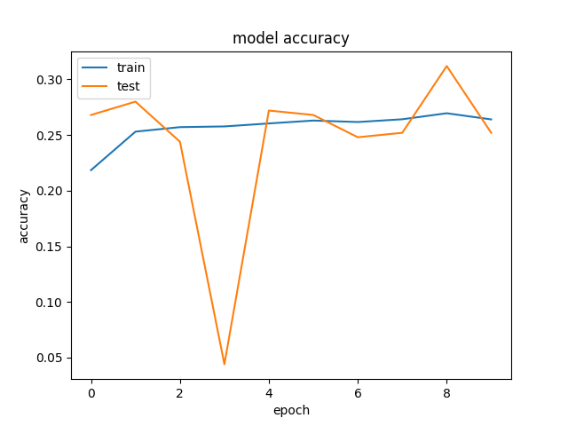
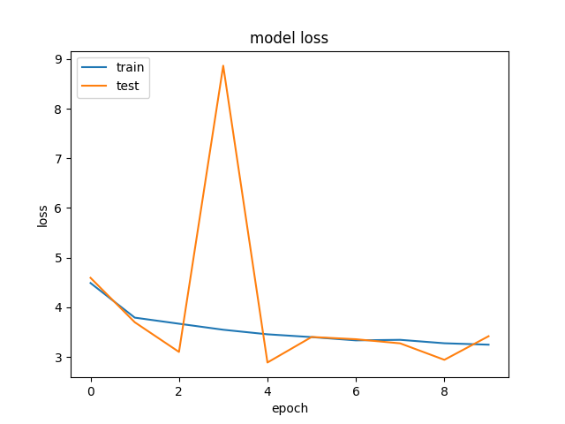
Time | 20190702-223650-
Folder name | a035d11a
Epochs | 10
Batch size | 50
Subset | 25000
Loss | categorical_crossentropy
VGG weights | TRUE
VGG frozen layers | 13
Metrics | categorical_accuracy
Optimizer | rmsprop
Learning rate | 0.0001
Test size | 0.2
Word2vec dimension | 96
Hidden nodes LSTM | 512
Hidden layers LSTM | 3
We keep the previous configuration but we do a training with more data (25000 vs 1000).
We compare with the previous result and the best model until now, VGG18.
We see improvement in accuracy and loss. But we would need more epochs to see if it really converges to better values or it is just converging faster. We only had time to launch 10 epochs.
Validation curves show a strage behaviour. We would need more tests to determine.
We have used this model for interference, and results are much better than any previous model (as expected).
Hidden nodes FC | 1024
Number layers FC | 3
Merge methods | concatenate
Image TF Crop | FALSE
Image Standarization | TRUE
Dropout in the fine tuned VGG | 0.5
Activation in the fine tuned VGG | relu
Dropout in the merged model | 0.5
Activation in the merged model | tanh
Batch normalization fine tuned | TRUE
Batch normalization merged model | TRUE
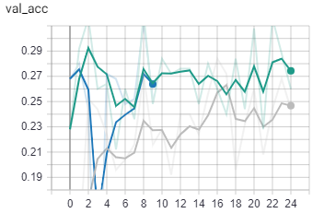
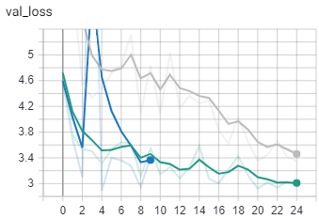
Steps per epoch | 500

VGG 23
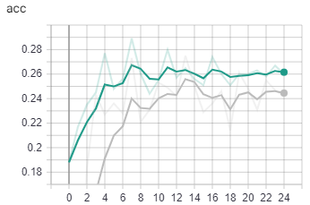
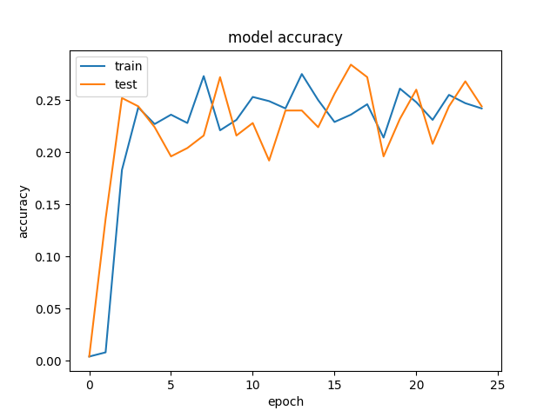
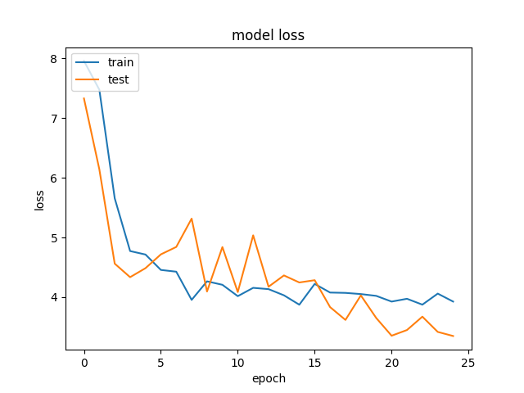
Time | 20190702-184448-
Folder name | a07139fe
Epochs | 25
Batch size | 50
Subset | 25000
Loss | categorical_crossentropy
VGG weights | TRUE
VGG frozen layers | 13
Metrics | categorical_accuracy
Optimizer | rmsprop
Learning rate | 0.0001
Test size | 0.2
Word2vec dimension | 96
Hidden nodes LSTM | 512
Hidden layers LSTM | 3
Hidden nodes FC | 1024
We add the batch normalisation to our model.
We compare with the best model until now, VGG18.
The results are worse, except with validation loss, that suggests that with more training could improve previous results.
It is possible that with a bigger data set the results were better.
Number layers FC | 3
Merge methods | concatenate
Image TF Crop | FALSE
Image Standarization | TRUE
Dropout in the fine tuned VGG | 0.5
Activation in the fine tuned VGG | relu
Dropout in the merged model | 0.5
Activation in the merged model | tanh
Batch normalization fine tuned | TRUE
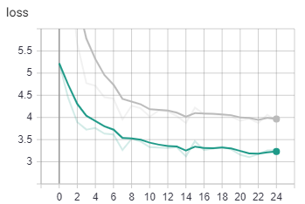
Batch normalization merged model | TRUE
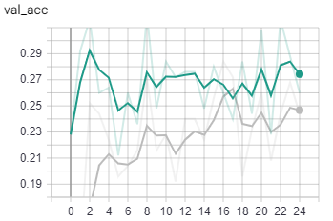
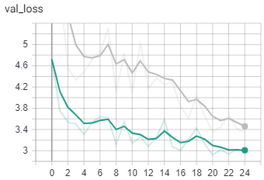
Steps per epoch | 20

VGG 22
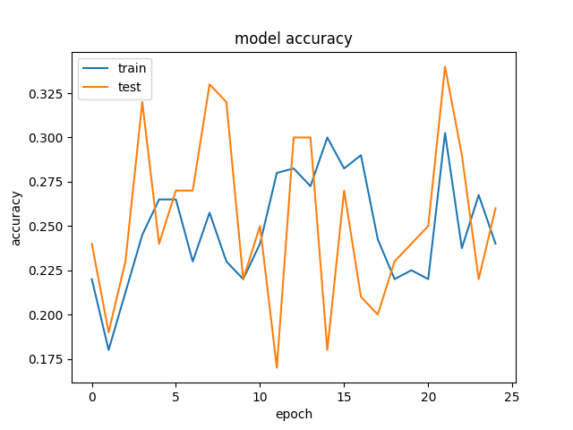
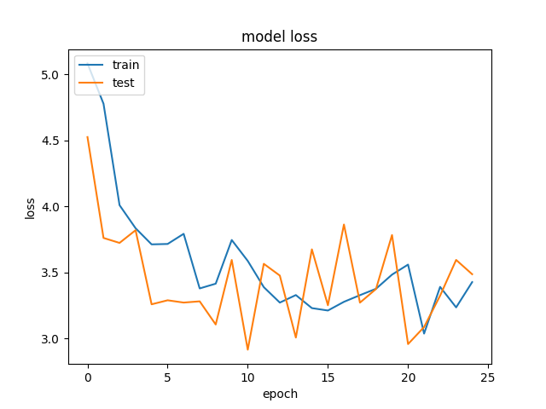
Time | 20190701-225750-
Folder name | 4186a2e7
Epochs | 25
Batch size | 20
Subset | 25000
Loss | categorical_crossentropy
VGG weights | TRUE
VGG frozen layers | 8
Metrics | categorical_accuracy
Optimizer | rmsprop
Learning rate | 0.0001
Test size | 0.2
Word2vec dimension | 96
Hidden nodes LSTM | 512
We add the parametrisation of the Dropout in the VGG fine tunning and also in the merged model.
We do to quick tests with batch size 20 (for speed) to see if a lower dropout allows the network to learn more.
The network with slightly less dropout behaves slightly better.
It would be interesting to do further tests, with more data, epochs and a bigger batch size.
Hidden layers LSTM | 3
Hidden nodes FC | 1024
Number layers FC | 3
Merge methods | concatenate
Image TF Crop | FALSE
Image Standarization | TRUE
Dropout in the fine tuned VGG | 0.4
Activation in the fine tuned VGG | relu
Dropout in the merged model | 0.4
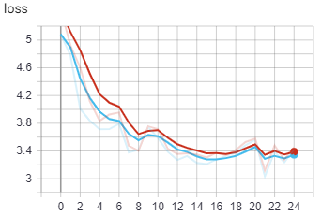
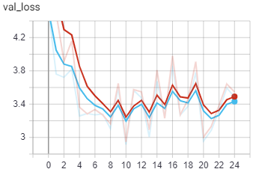
Activation in the merged model | tanh

VGG 21
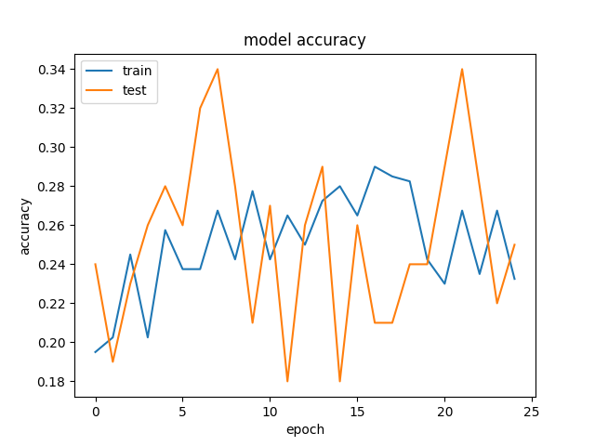
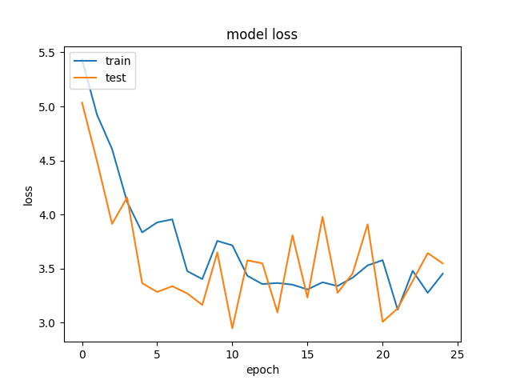
Time | 20190701-223538-
Folder name | 198b6360
Epochs | 25
Batch size | 20
Subset | 25000
Loss | categorical_crossentropy
VGG weights | TRUE
VGG frozen layers | 13
Metrics | categorical_accuracy
Optimizer | rmsprop
Learning rate | 0.0001
Test size | 0.2
Word2vec dimension | 96
Hidden nodes LSTM | 512
Hidden layers LSTM | 3
We add the parametrisation of the Dropout in the VGG fine tunning and also in the merged model.
We do to quick tests with batch size 20 (for speed) to see if a lower dropout allows the network to learn more.
See VGG22 for comparison.
Hidden nodes FC | 1024
Number layers FC | 3
Merge methods | concatenate
Image TF Crop | FALSE
Image Standarization | TRUE
Dropout in the fine tuned VGG | 0.5
Activation in the fine tuned VGG | relu
Dropout in the merged model | 0.5
Activation in the merged model | tanh

VGG 19
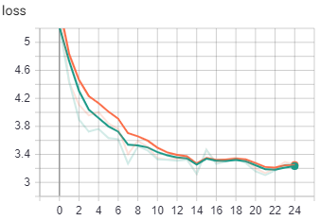
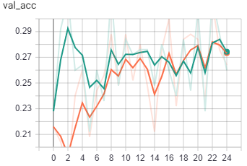
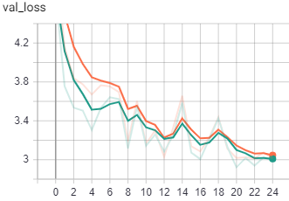
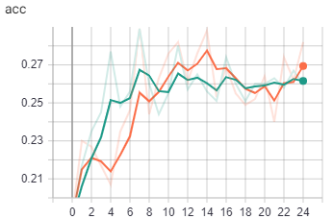
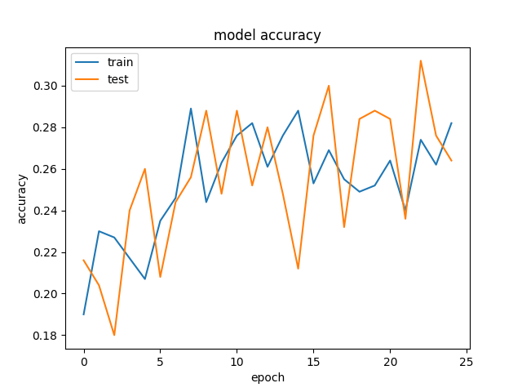
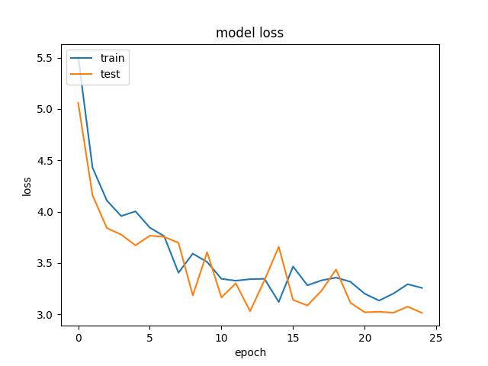
Time | 20190701-181322-
Folder name | 8ebae275
Epochs | 25
Batch size | 50
Subset | 25000
Loss | categorical_crossentropy
VGG weights | TRUE
VGG frozen layers | 13
Metrics | categorical_accuracy
Optimizer | rmsprop
Learning rate | 0.0001
Test size | 0.2
Word2vec dimension | 96
Hidden nodes LSTM | 512
Hidden layers LSTM | 3
We keep all the parameters of the previous model, the best until now, but changing the activation function of the merged network for a RELU (instead of a TANH).
The beahaviour is very similar, specially the loss. But the accuracy seems to be ascending while the previous model it was more flattened. It might just be a glitch, but it would be interesting to test for more epochs.
Hidden nodes FC | 1024
Number layers FC | 3
Merge methods | concatenate
Image TF Crop | FALSE
Image Standarization | TRUE
Dropout in the merged model | 0.5
Activation in the merged model | relu

VGG 18
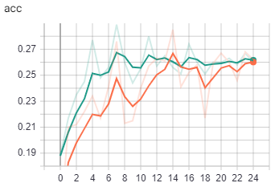
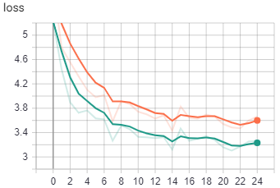
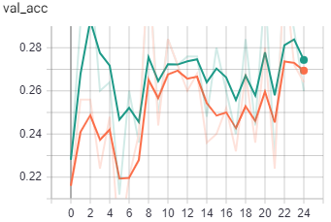
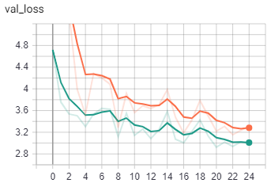
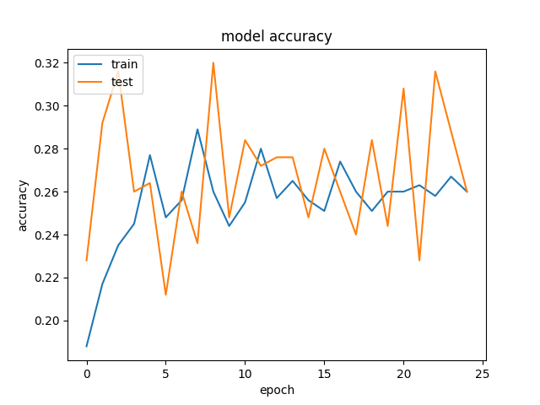
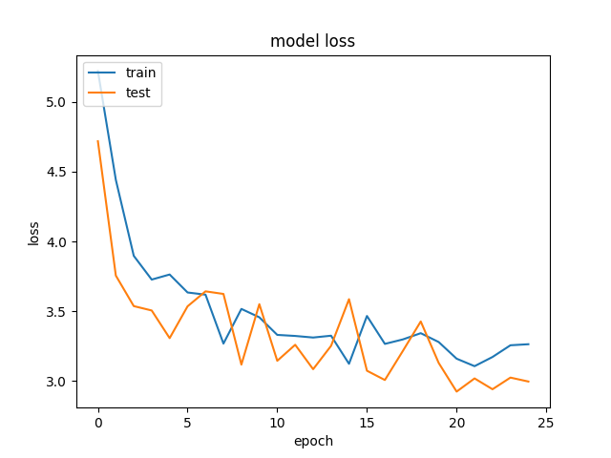
Time | 20190701-142414-
Folder name | 808fd7e5
Epochs | 25
Batch size | 50
Subset | 25000
Loss | categorical_crossentropy
VGG weights | TRUE
VGG frozen layers | 13
Metrics | categorical_accuracy
Optimizer | rmsprop
Learning rate | 0.0001
Test size | 0.2
Word2vec dimension | 96
Hidden nodes LSTM | 512
Hidden layers LSTM | 3
Hidden nodes FC | 1024
We return to categorical loss.
We halve the LSTM number of layers, and we also halve the number of Fully Connected layers after the merge, to reduce the number of parameters to learn.
Although the absolute differences are small, the model behaves clearly better.
Number layers FC | 3
Merge methods | concatenate
Image TF Crop | FALSE
Image Standarization | TRUE

VGG 17
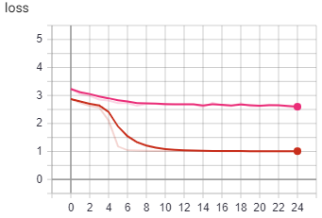
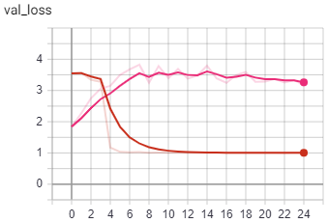
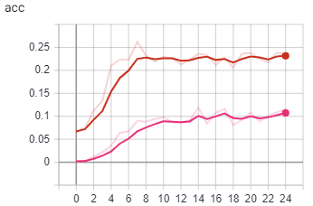
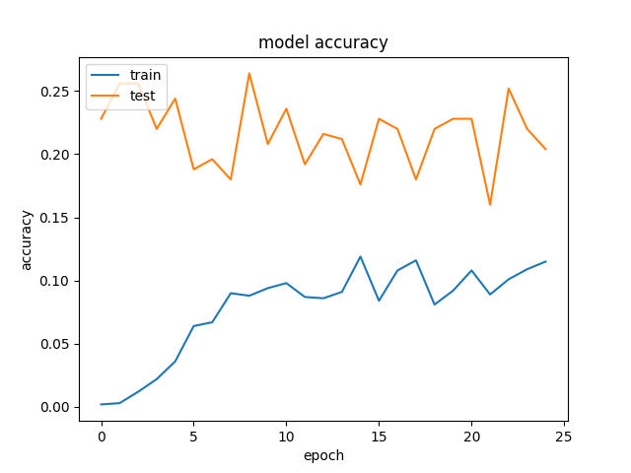
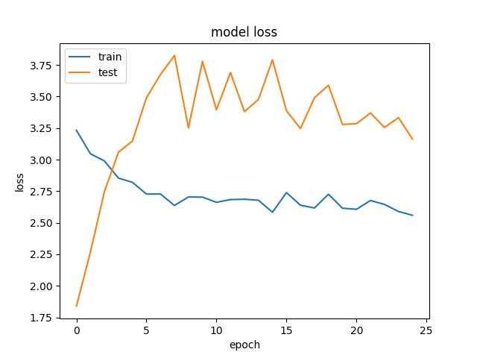
Time | 20190701-133332-
Folder name | 2281c77a
Epochs | 25
Batch size | 50
Subset | 25000
Loss | categorical_hinge
VGG weights | TRUE
VGG frozen layers | 13
Metrics | categorical_accuracy
Optimizer | rmsprop
Learning rate | 1.00E-05
Test size | 0.2
Word2vec dimension | 96
Hidden nodes LSTM | 512
Hidden layers LSTM | 6
Hidden nodes FC | 1024
We repeat the previous model, lowering further the learning rate step.
The loss and accuray plots are not what we would expect. Is as if it almost did not lear and started overfitting almost since the first epoch.
Number layers FC | 6
Merge methods | concatenate
Image TF Crop | FALSE
Image Standarization | TRUE

VGG 16
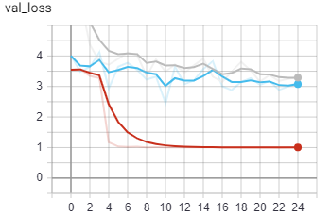
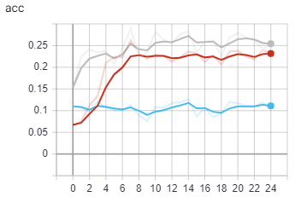
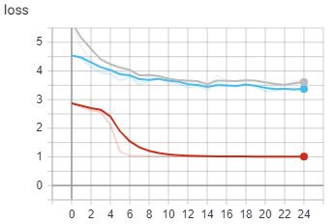
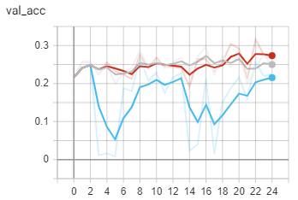
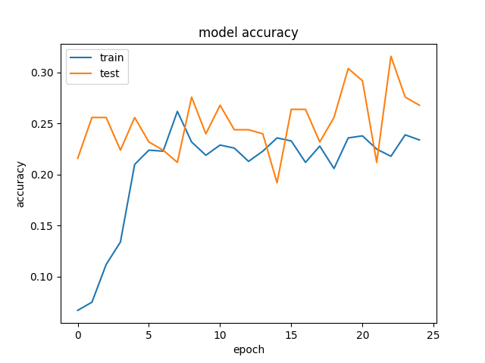
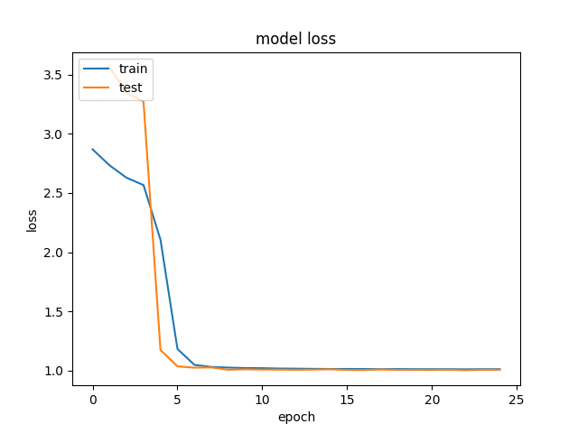
Time | 20190701-114457-
Folder name | 3fd7b35b
Epochs | 25
Batch size | 50
Subset | 25000
Loss | categorical_hinge
VGG weights | TRUE
VGG frozen layers | 13
Metrics | categorical_accuracy
Optimizer | rmsprop
Learning rate | 0.0001
Test size | 0.2
Word2vec dimension | 96
Hidden nodes LSTM | 512
Hidden layers LSTM | 6
Hidden nodes FC | 1024
We repeat the previous model but reducing the learning rate.
The loss improves substantially, as if it reached a local minimum really fast.
But the L shape makes us think it maybe did not pass the activation thereshold. Could this be a vanishing gradient?
Accuracy is improved, but we do not see why.
Number layers FC | 6
Merge methods | concatenate
Image TF Crop | FALSE
Image Standarization | TRUE

VGG 15
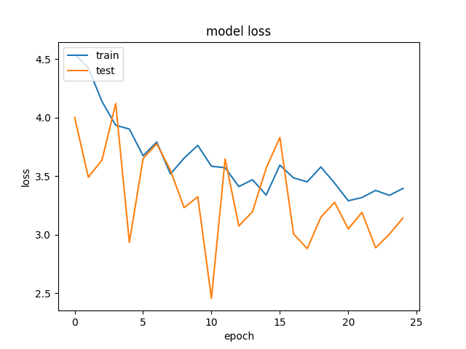
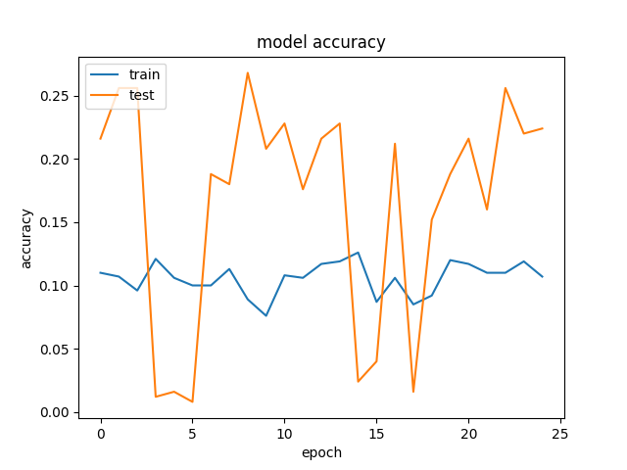
Time | 20190701-123958-
Folder name | 1ea656d6
Epochs | 25
Batch size | 50
Subset | 25000
Loss | categorical_hinge
VGG weights | TRUE
VGG frozen layers | 13
Metrics | categorical_accuracy
Optimizer | rmsprop
Learning rate | 0.001
Test size | 0.2
Word2vec dimension | 96
Hidden nodes LSTM | 512
Hidden layers LSTM | 6
Hidden nodes FC | 1024
Number layers FC | 6
We change the loss function from categorical entropy to categorical hinge.
We try first with learning rate 1e-3.
The loss worsens, specially in validation, with rebounds. This could be due to the size of the learning rate, bouncing out of local minima.
We can not compare loss values with previous experiments, as we changed the function.
The accuracy is lower, and in validation it is very unstable.
Merge methods | concatenate
Image TF Crop | FALSE
Image Standarization | TRUE

VGG 14
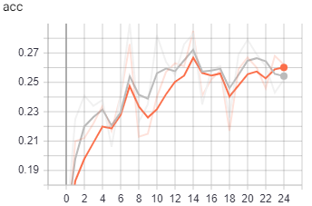





Time | 20190701-103339-
Folder name | 6462ea6d
Epochs | 25
Batch size | 50
Subset | 25000
Loss | categorical_crossentropy
VGG weights | TRUE
VGG frozen layers | 13
Metrics | categorical_accuracy
Optimizer | rmsprop
Learning rate | 0.0001
Test size | 0.2
Word2vec dimension | 96
Hidden nodes LSTM | 512
Hidden layers LSTM | 6
Hidden nodes FC | 1024
Number layers FC | 6
We add image standarization to our data ingestion model.
The results are very simlar, but appear to be slightly better in validation accuracy.
We will keep this improvement, and try to test it with more data.
Merge methods | concatenate
Image TF Crop | FALSE
Image Standarization | TRUE

VGG 13






Time | 20190701-075912-
Folder name | fa33917d
Epochs | 25
Batch size | 30
Subset | 25000
Loss | categorical_crossentropy
VGG weights | TRUE
VGG frozen layers | 13
Metrics | categorical_accuracy
Optimizer | rmsprop
Learning rate | 0.0001
Test size | 0.2
Word2vec dimension | 96
Hidden nodes LSTM | 512
Hidden layers LSTM | 6
Hidden nodes FC | 1024
Number layers FC | 6
We change the activation function in the merge from tanh to relu.
(RELU is gray in the graphs)
Merge methods | concatenate
Image TF Crop | FALSE
Activation in the merged model | relu

VGG 12





Time | 20190701-074652-
Folder name | 8c3e023d
Epochs | 25
Batch size | 10
Subset | 25000
Loss | categorical_crossentropy
VGG weights | TRUE
VGG frozen layers | 13
Metrics | categorical_accuracy
Optimizer | rmsprop
Learning rate | 0.0001
Test size | 0.2
Word2vec dimension | 96
Hidden nodes LSTM | 512
As part of the tests to solve the training freezing the computer we try smaller batches.
The process runs much faster, but in the case of cropping still freezes the computer (see VGG 11).
The results are slightly worse than with a 50 samples batch (though 5 times faster). Also the validation accuracy is much more unstable, due to the fact that each batch is too small to be representative.
The only real advantage is that with that smaller size we are able to run the training in a computer with much less GPU memory, which is good for debugging purposes out of the cloud. We go back to a batch size of 50 for all other tests.
Hidden layers LSTM | 6
Hidden nodes FC | 1024
Number layers FC | 6
Merge methods | concatenate
Image TF Crop | FALSE
Image Standarization | FALSE

VGG 11


Time | 20190630-174244- | 20190630-221728-
Folder name | 1045974a | 1580de8b
Epochs | 25 | 25
Batch size | 50 | 10
Subset | 25000 | 25000
Loss | categorical_crossentropy | categorical_crossentropy
VGG weights | TRUE | TRUE
VGG frozen layers | 13 | 13
Metrics | categorical_accuracy | categorical_accuracy
Optimizer | rmsprop | rmsprop
Learning rate | 0.0001 | 0.0001
Test size | 0.2 | 0.2
Until this test, our data ingestion is resizing the images to (224,224) to fit in the VGG without taking the image aspect ratio into consideration. We try to apply a cropping and and resize to preserve the aspect ratio, to see if this helps the network to better understand the images.
The data input process takes longer at each batch, until it finally hoggs completely the computer RAM. We have to kill the process. That's the reason we are getting the graphics only from Tensorboard.
We speculate if the additional cropping process per image could be the problem, and we reduce the batch size to try to ease the CPU work. It runs faster at the beggining as expected, and survives slightly longer, but the compurter is finally frozen anyway and we must kill the process manually.
We get to the conclusion that there must be a memory leak in the way we are handling the cropping, but we have no time to investigate further.
Additionally it is interesting to note that the loss and accuracy did not seem to improve but to worsen. It could be interesting to investigate if this could be due to the fact that the image with the correct aspect ratio has less pixels with information, eventhough this information is better. Or it could be due to the fact that we are using a pretrained VGG with 13 frozen layers, and probably this VGG has been trained over images resized "forcedly".
Word2vec dimension | 96 | 96
Hidden nodes LSTM | 512 | 512
Hidden layers LSTM | 6 | 6
Hidden nodes FC | 1024 | 1024
Number layers FC | 6 | 6
Merge methods | concatenate | concatenate
Image TF Crop | TRUE | TRUE

VGG 10





Time | 20190630-131709-
Folder name | addfaaaa
Epochs | 25
Batch size | 50
Subset | 25000
Loss | categorical_crossentropy
VGG weights | TRUE
VGG frozen layers | 13
Metrics | categorical_accuracy
Optimizer | rmsprop
Learning rate | 0.0001
Test size | 0.2
Word2vec dimension | 96
Hidden nodes LSTM | 512
Hidden layers LSTM | 12
Hidden nodes FC | 1024
We double the number of LSTM layers, to see if we could improve the accuracy/loss.
The test loss appears to follow the train loss, which looks good. But the overall result is worse if we compare it with the model with just half LSTM layers.
The fact that increasing the number of layers increases a lot the total number of learning parameters, while we still have the same data to learn from, makes the loss stall too early, without achieving prior results.
If we had time it would've been interesting to test this model with the full dataset.
Number layers FC | 6
Merge methods | concatenate

VGG 8





Time | 20190630-091624-
Folder name | 85d506ee
Epochs | 25
Batch size | 50
Subset | 25000
Loss | categorical_crossentropy
VGG weights | TRUE
VGG frozen layers | 13
Metrics | categorical_accuracy
Optimizer | rmsprop
Learning rate | 1.00E-05
Test size | 0.2
Word2vec dimension | 96
Hidden nodes LSTM | 512
Hidden layers lstm | 6
Hidden nodes FC | 1024
Number layers FC | 6

Trying again to reduce the learning rate, now with 13 VGG layers frozen, worsens the results.
The results are very similar to the same small learning rate with 4 VGG layers frozen.

VGG 7


Time | 20190630-083118-
Folder name | 666b9c1b
Epochs | 25
Batch size | 50
Subset | 25000
Loss | categorical_crossentropy
VGG weights | TRUE
VGG frozen layers | 13
Metrics | categorical_accuracy
Optimizer | rmsprop
Learning rate | 0.0001
Test size | 0.2
Word2vec dimension | 96
Hidden nodes LSTM | 512
Hidden layers lstm | 6
Hidden nodes FC | 1024
Number layers FC | 6

VGG 6


Time | 20190630-074525-
Folder name | d034b306
Epochs | 25
Batch size | 50
Subset | 25000
Loss | categorical_crossentropy
VGG weights | TRUE
VGG frozen layers | 10
Metrics | categorical_accuracy
Optimizer | rmsprop
Learning rate | 0.0001
Test size | 0.2
Word2vec dimension | 96
Hidden nodes LSTM | 512
Hidden layers lstm | 6
Hidden nodes FC | 1024
Number layers FC | 6

VGG 5





Time | 20190630-070030-
Folder name | c8131051
Epochs | 25
Batch size | 50
Subset | 25000
Loss | categorical_crossentropy
VGG weights | TRUE
VGG frozen layers | 8
Metrics | categorical_accuracy
Optimizer | rmsprop
Learning rate | 0.0001
Test size | 0.2
Word2vec dimension | 96
Hidden nodes LSTM | 512
Hidden layers lstm | 6
Hidden nodes FC | 1024
Number layers FC | 6

Freezing 8 layers of the VGG network instead of 4 improves Loss and accuracy noticeably.
Freezing more layers (10, 13) gives similar results, with no further improvement.

VGG 4


Time | 20190630-060907-
Folder name | e522f28b
Epochs | 25
Batch size | 50
Subset | 25000
Loss | categorical_crossentropy
VGG weights | TRUE
VGG frozen layers | 4
Metrics | categorical_accuracy
Optimizer | rmsprop
Learning rate | 1.00E-05
Test size | 0.2
Word2vec dimension | 96
Hidden nodes LSTM | 512
Hidden layers lstm | 6
Hidden nodes FC | 1024
Number layers FC | 6
It could be that the number of training epochs is not large enough for the smaller learning rate. This could result in the system failing to reach the optimal solution. So a small learning rate means more iterations and vice versa. It could also be that smaller step sizes results in the NN learning a more exact solution hence the overfitting. A moderate learning rate would overshoot such points never settling but oscillating about such a point hence likely to generalize well. So yes the captured details must be related to the learning rate, but not to a large extent.

VGG 3


Time | 20190629-222932-
Folder name | 34e201c9
Epochs | 25
Batch size | 50
Subset | 25000
Loss | categorical_crossentropy
VGG weights | TRUE
VGG frozen layers | 4
Metrics | categorical_accuracy
Optimizer | rmsprop
Learning rate | 0.001
Test size | 0.2
Word2vec dimension | 96
Hidden nodes LSTM | 512
Hidden layers lstm | 6
Hidden nodes FC | 1024
Number layers FC | 6

VGG 2





Time | 20190629-214229-
Folder name | a542db78
Epochs | 25
Batch size | 50
Subset | 25000
Loss | categorical_crossentropy
VGG weights | TRUE
VGG frozen layers | 4
Metrics | categorical_accuracy
Optimizer | rmsprop
Learning rate | 0.0001
Test size | 0.2
Word2vec dimension | 96
Hidden nodes LSTM | 512
Hidden layers lstm | 6
Hidden nodes FC | 1024
Number layers FC | 6

Comparison of different learning rates.
Lowering the learning rate from 1e-3 to 1e-4 improves results.
Lowering it further to 1e-5. Though it could be that it did not converge fully, loss is marginally worse. And Validation loss bounces in what could be overfitting.

MLP


Time | 20190622-114927-
Folder name | 0008a4n2
Epochs | 100
Batch size | 256
Subset | 30000
Loss
Dense layers | 11
LSTM layers | 3
Metrics
Optimizer
Learning rate | 0.0001
Test size

