Summary
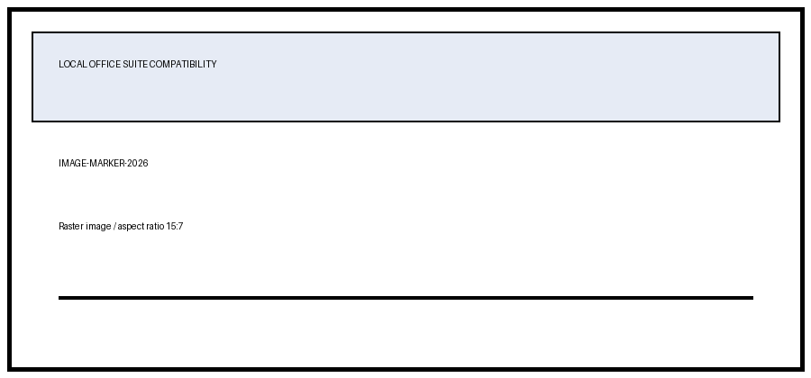
ERA2-XLSX-MARKER
Item | Q1 | Q2 | Total
Alpha | 10 | 20
Beta | 15 | 25
Gamma | 12 | 18

Grand Total
Average

