Dashboard
ERA3-XLSX-MARKER
Product | Region | Units | Price | Revenue | Basic formula
A | North | 10 | 12.5 |  | XLOOKUP
B | South | 20 | 9 |  | FILTER
C | North | 15 | 15 |  | LET
D | West | 12 | 11
E | East | 25 | 8.5
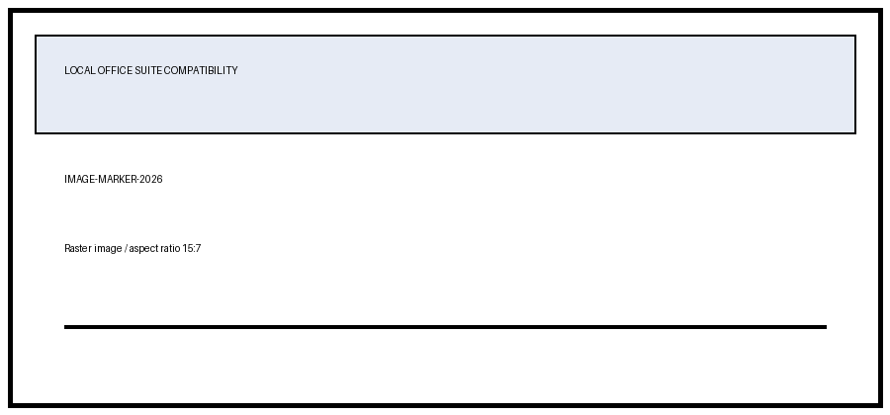

Revenue by Product

