Feuil1
R1 barcoding |  |  |  |  |  |  |  |  |  |  |  |  |  | Permeabilization | 20 million cells | >1 million per sample | Nov-24 | Saturation run | 55% |  | Gaisser | Saturation
 |  |  |  |  |  |  |  |  |  |  |  |  |  | For PAP | 47 000 - 115 000 cells per well |  | Miseq |  |  |  | Lib validation (50%) |  | 4000 reads/cell
 |  |  |  |  |  |  |  |  |  |  |  |  |  | Tot R1 plate | 10 million |  | 15M Reads |  |  |  | Lib saturation (>70%) |  | 16000 reads/cell
 |  |  |  |  |  |  |  |  |  |  |  |  |  |  |  |  | 600 cells
 |  |  |  |  |  |  |  |  |  |  |  |  |  |  |  |  | Theo 25000 reads par cell
 |  |  |  |  |  |  |  |  |  |  |  |  |  |  |  |  | Calcul qté cellules par librairie
 |  |  |  |  |  |  |  |  |  |  |  |  |  |  |  |  | 45 000 cells max per library

 |  |  |  |  |  |  |  |  |  |  |  |  |  |  |  |  |  |  |  | How many cells per samples do we want/need ?
 |  |  |  |  |  |  |  |  |  |  |  |  |  |  |  |  | Nb tot cells | 10000000
 |  |  |  |  |  |  |  |  |  |  |  |  |  |  |  |  | reads/cells | 16000
 |  |  |  |  |  |  |  |  |  |  |  |  |  |  |  |  | NB reads tot | 160000000000
Samples |  |  |  |  |  | OD
 | Minimum media |  |  |  |  | 1 | 1 | 2 | 3 |  |  |  |  |  |  |  | Per lib
 | Lack iron |  |  |  |  | 0.5 | 1 | 2 | 3 |  |  |  | only 2 conditions ? |  |  |  | Nb cells max | 24000 | OBS??
 | Rich media ? |  |  |  |  | 0.5 | 1 | 2 | 3 |  |  |  |  |  |  |  | reads/cell | 20000
Replicas bio?? |  |  |  |  |  |  |  |  |  |  |  |  |  |  |  |  | nbreads tot | 4.80E+08
 | Total |  |  | 12 | samples |  |  |  |  |  |  |  |  |  |  |  | Nb cells/ech THEORIQUE | 2000
 | Total |  |  | 8 | replicates
 |  |  |  |  |  |  |  |  |  |  |  |  |  |  |  |  | Nb de Lib | 3
 |  |  |  |  |  |  |  |  |  |  |  |  |  |  |  |  | Nb reads tot | 1.44E+09
Fixation |  |  |  |  |  |  |  |  |  |  |  |  |  |  |  |  | Nb cells/ech THEORIQUE | 6000
Tot |  | 20 | million cells |  |  |  |  |  |  |  |  |  |  |  |  |  | Nb cells tot | 72000
Per sample |  |  |  | 1.6666666667 | million cells

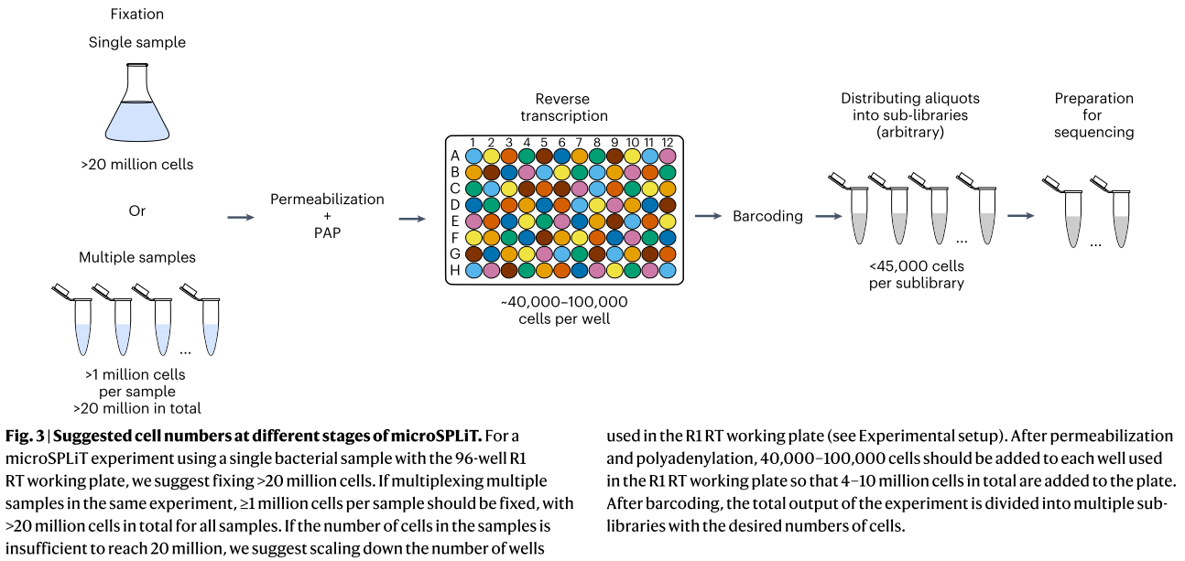
PAP |  |  |  |  | à calculer après comptage
Tot |  | 100000 |  |  | cells per well
Per sample |  |  | 800000

Tot |  | 75000 |  |  | cells per well
Per sample |  |  | 600000

R1 plate
Tot theo |  | 10 | million
Tot obs |  |  | 9600000

 |  |  |  |  |  |  |  |  |  |  |  |  |  |  |  |  |  |  |  |  | 1,5B | 10,350 € | 1,5 milliard reads
 |  |  |  |  |  |  |  |  |  |  |  |  |  |  |  |  |  |  |  |  | 25B, 1 lane | 5,400 € | 3,125 milliard reads
R1 barcoding

Comptage
Comptage
 | A | B | C | A | B | C | A | B | C | A | B | C
 | A | B | C | A | B | C | A | B | C | A | B | C
 | A | B | C | A | B | C | A | B | C | A | B | C
 | A | B | C | A | B | C | A | B | C | A | B | C

Both technical and biological replicates
Can we compare these with futur sequencing ?
Samples |  |  |  |  |  | time point |  |  |  | 3 is ok
A | Rich media |  |  |  |  | 0.50 | 1 | 2 | 3
B | Rich media |  |  |  |  | 0.50 | 1 | 2 | 3
C | Rich media |  |  |  |  | 0.50 | 1 | 2 | 3

 | Total |  |  | 12 | samples
 | Total |  |  | 4 | replicates

Plen exp
Experimental plan

Medium |  |  |  |  |  |  | R1 barcoding plate
Stress: M9 - gluc 10% - fer | M9 + FeCl3
 |  |  |  |  |  | technical rep | M9_A_OD1 | M9_B_OD1 | M9_C_OD1 | M9_A_OD2 | M9_B_OD2 | M9_C_OD2 | M9_A_OD3 | M9_B_OD3 | M9_C_OD3 | M9_A_OD1 | M9_C_OD3 | M9F_B_OD3
A
A
 |  |  |  |  |  |  | M9_A_OD1 | M9_B_OD1 | M9_C_OD1 | M9_A_OD2 | M9_B_OD2 | M9_C_OD2 | M9_A_OD3 | M9_B_OD3 | M9_C_OD3 | M9_B_OD1 | M9F_A_OD1 | M9F_C_OD3
 |  |  | 3 time points based on OD (0,1/0,5/0,8) |  |  |  | M9_A_OD1 | M9_B_OD1 | M9_C_OD1 | M9_A_OD2 | M9_B_OD2 | M9_C_OD2 | M9_A_OD3 | M9_B_OD3 | M9_C_OD3 | M9_C_OD1 | M9F_B_OD1
 |  |  |  |  |  |  | M9_A_OD1 | M9_B_OD1 | M9_C_OD1 | M9_A_OD2 | M9_B_OD2 | M9_C_OD2 | M9_A_OD3 | M9_B_OD3 | M9_C_OD3 | M9_A_OD2 | M9F_C_OD1
B
B
 |  |  | OD1 | OD1 |  |  | M9F_A_OD1 | M9F_B_OD1 | M9F_C_OD1 | M9F_A_OD2 | M9F_B_OD2 | M9F_C_OD2 | M9F_A_OD3 | M9F_B_OD3 | M9F_C_OD3 | M9_B_OD2 | M9F_A_OD2
 |  |  | OD2 | OD2 |  |  | M9F_A_OD1 | M9F_B_OD1 | M9F_C_OD1 | M9F_A_OD2 | M9F_B_OD2 | M9F_C_OD2 | M9F_A_OD3 | M9F_B_OD3 | M9F_C_OD3 | M9_C_OD2 | M9F_B_OD2
 |  |  | OD3 | OD3 |  |  | M9F_A_OD1 | M9F_B_OD1 | M9F_C_OD1 | M9F_A_OD2 | M9F_B_OD2 | M9F_C_OD2 | M9F_A_OD3 | M9F_B_OD3 | M9F_C_OD3 | M9_A_OD3 | M9F_C_OD2
 |  |  |  |  |  |  | M9F_A_OD1 | M9F_B_OD1 | M9F_C_OD1 | M9F_A_OD2 | M9F_B_OD2 | M9F_C_OD2 | M9F_A_OD3 | M9F_B_OD3 | M9F_C_OD3 | M9_B_OD3 | M9F_A_OD3
C
C

 |  |  |  |  |  |  | 1 | 2 | 3 | 4 | 5 | 6 | 7 | 8 | 9 | 10 | 11 | 12
 |  |  |  |  | Sample ID | A | 1 | 2 | 3 | 4 | 5 | 6 | 7 | 8 | 9 | 1 | 9 | 17
 |  |  |  |  |  | B |  |  |  |  |  |  |  |  |  | 2 | 10 | 18
 |  |  |  |  |  | C |  |  |  |  |  |  |  |  |  | 3 | 11
18 samples |  |  |  |  |  | D |  |  |  |  |  |  |  |  |  | 4 | 12
Fixation |  |  |  |  |  | E | 10 | 11 | 12 | 13 | 14 | 15 | 16 | 17 | 18 | 5 | 13
Permeabilization |  |  |  |  |  | F |  |  |  |  |  |  |  |  |  | 6 | 14
Counting |  |  |  |  |  | G |  |  |  |  |  |  |  |  |  | 7 | 15
Poly(A) tailing |  |  |  |  |  | H |  |  |  |  |  |  |  |  |  | 8 | 16

Nb tot cells | 3000 | 10000 | with rRNA depletion?
reads/cells | 400000 | 800000
reads mRNA | 8000 | 16000
NB reads cells | 1.20E+09 | 8.00E+09
Millionreads | 1200 | 8000
Nb cells/ech | 166.66666667 | 555.55555556
Reads PhiX | 3.00E+08 | 2.00E+09
Reads tot | 1.50E+09 | 1.00E+10
Flowcell_tot | 1.5B | 10B

