EGR-ECU Code Protocol
SEDEMAC |  | Test Report For : SW-GC2X-GC2115-RA6M2 |  |  |  |  |  |  |  | Doc # | SW-TEST_GC2X-GC2115-RA6M2
 |  |  |  |  |  |  |  |  |  | Rev #/ Rev Date | 0.27/21 June 2024
 |  |  |  |  |  |  |  |  |  | Page # | 3 of 24
 | Test Procedure:
 | Configure Any Digital Input as "EGR Input", Configure Any Output as "Inducement Buzzer " and connect one buzzer /hooter at the output terminal
 | Using Omicron setup apply following type of Pulses one by one to "EGR Input" pin .For corresponding Error Code Pattern "Fault" string should get displayed on GCU screen
 | While engine is in "OFF ready state" when any of the following pulse is applied then GCU should not display any fault.
 | Engine is In GCU EGR Error detection works while Engine is ON .

 | Open following file in Omicron & generate each type of pulse one by one to simulate the faults
 | Omicron EGR pulses file link | https://sedemac.sharepoint.com/:u:/s/ProductLineGCU-GCUandB12ProductDevelopment/EfauwSylSIxEhD-vsYLe1soBUweo3cWsMfEy_bKEePghzg?e=LEZ90N
 | NOTE: | Implementation of MODBUS to be verified and tested in seperate MODBUS sheet
 | 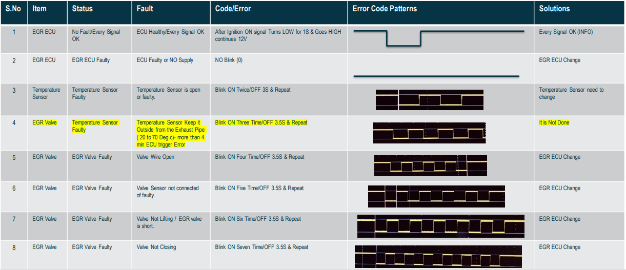 |  |  |  |  |  |  | Expected Result (EGR Fault code string) | Actual results | Pass/Fail | Tested by | Date of testing | R2V10
 |  |  |  |  |  |  |  | <No Fault> | Working as expected | Pass | Purushottam P | 2-Apr-24 | ok
 |  |  |  |  |  |  |  | ECU FAULTY | Working as expected | Pass | Purushottam P | 2-Apr-24 | ok
 |  |  |  |  |  |  |  | Tmp Sen Open | Working as expected | Pass | Purushottam P | 2-Apr-24 | ok
 |  |  |  |  |  |  |  | Tmp Sen Flty | Working as expected | Pass | Purushottam P | 2-Apr-24
 |  |  |  |  |  |  |  | EGR VLV Open | Working as expected | Pass | Purushottam P | 2-Apr-24
 |  |  |  |  |  |  |  | EGR Vlv Flty | Working as expected | Pass | Purushottam P | 2-Apr-24
 |  |  |  |  |  |  |  | EGR Not Lift | Working as expected | Pass | Purushottam P | 2-Apr-24
 |  |  |  |  |  |  |  | EGR Not Clse | Working as expected | Pass | Purushottam P | 2-Apr-24

Sr. No. | Test Case ID | Description |  |  |  | Module/ Functionality under test | Corresponding SRS ID | Expected Result (EGR Fault code string) | Actual results | Pass/Fail | Tested by | Date of testing
 |  | After powering ON GCU should display"<No Fault>" |  |  |  | EGR MON screen |  | After powering ON GCU should display"<No Fault>" | Working as expected | Pass | Purushottam P | 2-Apr-24
 |  | If any fault (1 to 8 from above table) is simulated during "Engine OFF Ready " state then GCU should not display any fault .It should display"<No Fault>" constantly |  |  |  |  |  | If any fault (1 to 8 from above table) is simulated during "Engine OFF Ready " state then GCU should not display any fault .It should display"<No Fault>" constantly | Working as expected | Pass | Purushottam P | 2-Apr-24
 |  | WHen STOP key is pressed while Engine is in OFF state then it should clear ALarm screen fault eg."EGR Fault" ,It should also make Status EGR MON screen as "<No Fault>" |  |  |  |  |  | WHen STOP key is pressed while Engine is in OFF state then it should clear ALarm screen fault eg."EGR Fault" ,It should also make Status EGR MON screen as "<No Fault>" | Working as expected | Pass | Purushottam P | 2-Apr-24
 |  | IF EGR In is not selected then GCU shoul should not display separate EGR MON screen on main screens section |  |  |  |  |  | IF EGR In is not selected then GCU shoul should not display separate EGR MON screen on main screens section | Working as expected | Pass | Purushottam P | 2-Apr-24
 |  | WHen Engine run for more 72Hrs with fault then it should take shutdown and event log gets saved for this event. |  |  |  |  |  | WHen Engine run for more 72Hrs with fault then it should take shutdown and event log gets saved for this event. | Working as expected | Pass | Purushottam P | 2-Apr-24
 |  | WHen Engine starts & run under Healthy state continuously without detecting any fault then it should not increase heal time unless it detects any fault (at least once) . |  |  |  | EGR MON screen |  | WHen Engine starts & run under Healthy state continuously without detecting any fault then it should not increase heal time unless it detects any fault (at least once). Fault detection count & FAULT TIMER value will be considered in next Engine ON cycle.Same for Heal Timer also | Working as expected | Pass | Sangeet Wankhede | 18-Jun-24
 |  | In above case (while engine running condition only)after fault recovery heal timer continues for 40 Hrs then it resets both Fault Timer & Heal Timer to zero and same (italic bold) steps repeted while engine is running condition. |  |  |  |  |  | In above case (while engine running condition only)after fault recovery heal timer continues for 2 min then it resets both Fault Timer & Heal Timer to zero and same (italic bold) steps repeted while engine is running condition in upcoming Engine ON/OFF cycles | Working as expected | Pass | Purushottam P | 2-Apr-24
 |  | Apply 4th pulse "Tmp Sen Flty" then engine should take immediate shutdown after providing Fourth pulse. |  |  |  | EGR MON screen & EVENT LOG |  | GCU should take immediate shutdown after providing Fourth pulse to EGR IN input .For this fault "EGR Fault Shutdown"should be logged under event log. | Working as expected | Pass | Purushottam P | 2-Apr-24
 |  | When NO EGR_IN is selected at Input then it should not show EGR MON screen. |  |  |  | EGR MON screen |  |  | Not Testede in this Build | NA | NA | NA
 |  | When EGR_IN is selected but input pin kept open |  |  |  | EGR MON screen |  | It shoudl show EGR ECU Healthy constantly on screen while engine ON and engien is OFF | Working as expected | Pass | Purushottam P | 2-Apr-24

 | CAN | For COP Demonstration need to transmit EGR Inducement Fault Hrs and Heal Time on below CAN ID(J1939) |  | Expected Result (EGR Fault code string) | Actual results (R0V23) | PASS/FAIL | Tested by | Date of testing
 |  | 1. Inducement Buzzer Output will be Trigger base on EGR Fault Time |  | NA | Working as expected | Pass | Sangeet Wankhede | 18-Jun-24
 |  | i. After 36 Hrs Low level Inducement (Only Warning Action) will be Trigger and Inducement Buzzer will activated 2 Sec ON and 5 Sec OFF |  | NA | Working as expected | Pass | Sangeet Wankhede | 18-Jun-24
 |  | ii. After 72 Hrs High level Inducement will be Trigger and Inducement Buzzer will activated 2 Sec ON and 2 Sec OFF. And Engine will be Shutdown. |  | NA | Working as expected | Pass | Sangeet Wankhede | 18-Jun-24
 |  | iii. On Acknowledgment GCU should deactivate the Inducement Buzzer and Clear Alarm from GCU Display. |  | NA | Not Testede in this Build | NA | NA | NA
 |  | iv. During next start Engine will take Action as per current EGR input status. |  | NA | Not Testede in this Build | NA | NA | NA
 |  | v. Inducement hooter will be active only if EGR fault is present. during heal time it will not trigger. |  | NA | Not Testede in this Build | NA | NA | NA

 |  | EGR MOITORING DISPLAY SCREENS FOR reference

 |  | SR # | EGR Input Pulse | GCU Display Result
 |  | 1 | ECU Healthy/Every Signal OK | <No Fault>
 |  |  |  | 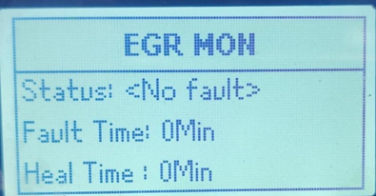
 |  | 2 | ECU Faulty or NO Supply | EGR Faulty
 |  |  |  | 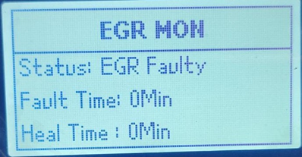
 |  | 3 | Temp sensor is open or faulty | Tmp Sen Open
 |  |  |  | 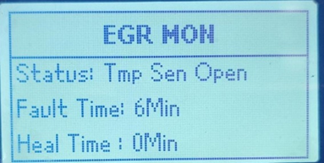
 |  | 4 | Temp sensor keep it out In Ambient Temp | Tmp Sen Flty
 |  |  |  | 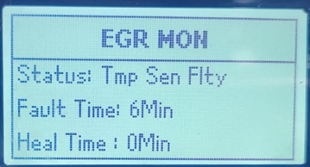
 |  | 5 | Valve wire open | EGR Vlv Open
 |  |  | 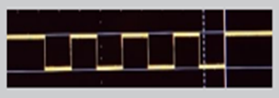 | 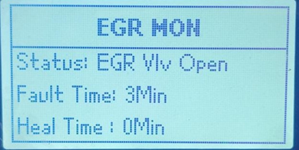
 |  | 6 | Valve Sensor not connected of faulty | EGR Vlv Flty
 |  |  |  | 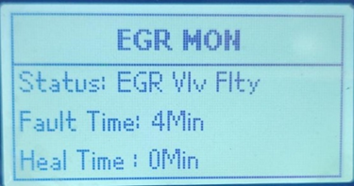
 |  | 7 | Valve Not Lifting | EGR Not Lift
 |  |  |  | 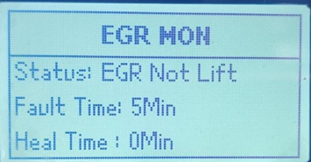
 |  | 8 | Valve Not Closing | EGR Not Clse
 |  |  |  | 