Rent Chart
The Boardwalk vs. HelloData Comp Set
July 2025 – June 2026
Rent chart only considers new leases

Month | The Boardwalk Lease Count | The Boardwalk Gross PSF | The Boardwalk Effective PSF | Comp Set Lease Count | Comp Set Gross PSF | Comp Set Effective PSF
Jul-25 | 12 | $1.83 | $1.63 | 42 | $1.71 | $1.50
Aug-25 | 18 | $1.75 | $1.58 | 61 | $1.62 | $1.45
Sep-25 | 15 | $1.54 | $1.42 | 72 | $1.56 | $1.36
Oct-25 | 11 | $1.49 | $1.36 | 99 | $1.54 | $1.32
Nov-25 | 8 | $1.46 | $1.32 | 82 | $1.47 | $1.26
Dec-25 | 11 | $1.30 | $1.14 | 88 | $1.37 | $1.23
Jan-26 | 22 | $1.34 | $1.15 | 91 | $1.50 | $1.29
Feb-26 | 20 | $1.27 | $1.18 | 109 | $1.53 | $1.32
Mar-26 | 29 | $1.26 | $1.26 | 82 | $1.57 | $1.36
Apr-26 | 16 | $1.29 | $1.29 | 81 | $1.64 | $1.39
May-26 | 7 | $1.52 | $1.52 | 111 | $1.57 | $1.26
Jun-26 | 13 | $1.54 | $1.53 | 87 | $1.52 | $1.29
T12 Total / SF-Wtd | 182 | $1.43 | $1.34 | 1005 | $1.54 | $1.32
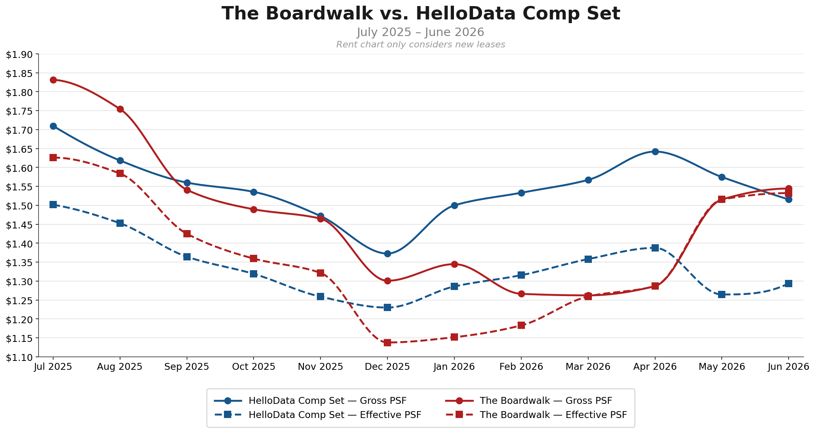

Methodology
Property lines (Yardi)
Source: Yardi LTO report (RRG-10658) — 12-month+ term new leases (Move Ins), Jul 2025 – Jun 2026 lease start. Unit Transfers and Lease Renewals excluded.
• 182 new-lease Move Ins over the T12 window (12-month+ terms).
Gross PSF = Lease Rent / Sqft. Effective PSF = Effective Rent / Sqft (net of upfront concessions and free months).
SF-weighted at monthly level: sum of dollars leased that month / sum of SF leased that month.

Comp lines (HelloData closed listings)
Source: HelloData Unit-Level Data — Leased Date between 2025-07-01 and 2026-06-30. Same SF-weighted methodology.
Comp set (10 properties, 1,005 closed comp leases over T12):
• The Park at Veneto (174)
• 39 Acres (164)
• Brantley Pines Apartments (130)
• The Park at Positano (124)
• The Laurels (118)
• The Park at Murano (108)
• Coral Cove (76)
• Aria Landings (67)
• Westchase (37)
• Westwood Apartments (7)

Observations
1. Subject opened well above the comp set on gross but crossed below mid-window, while finishing the year near level on gross and well above on effective.
Jul 2025: The Boardwalk .83 gross / .63 effective vs comps .71 gross / .50 effective.
By Feb–Apr 2026 the subject gross had fallen to .26–.29, well below the comp set. A partial recovery in May–Jun 2026 brought it back near parity on gross while the effective line finished strongly above comps (+18.4% in Jun) due to subject concession burn-off.

2. Both sides softened through the year, but the subject fell faster and further on gross.
Subject gross declined from .83 to .54 (-15.7%); comp gross from .71 to .52 (-11.4%). The subject fell faster and dropped below the comp set from Dec 2025 through Apr 2026.
The Aug → Sep subject drop (-/bin/sh.21) was the largest single-month move; the Apr → May recovery (+/bin/sh.23) partially reversed it. May 2026 has only 7 subject leases — that recovery reading is thin and should be read cautiously.

3. The standout story is concessions: subject burned them off, comp set deepened them.
Both opened Jul 2025 with similar concession loads (/bin/sh.21 subject, /bin/sh.21 comp gross-to-effective gap). Through the year the subject reduced its gap to near-zero (/bin/sh.01 in Jun 2026), while the comp set held a wide gap (/bin/sh.22 in Jun 2026).
This means the subject effective line crossed above the comp effective line and stayed there from late 2025 onward, even while the gross lines converged and crossed.

4. Jun 2026 ending position:
• Gross PSF: subject .54 vs comp .52 (subject +1.9%) — near level.
• Effective PSF: subject .53 vs comp .29 (subject +18.4%) — large premium.

5. Jul → Jun move:
• Subject gross PSF: -/bin/sh.29 (-15.7%).
• Subject effective PSF: -/bin/sh.09 (-5.8%).
• Comp gross PSF: -/bin/sh.20 (-11.4%).
• Comp effective PSF: -/bin/sh.21 (-13.8%).
Subject gross fell more than comps, but subject effective held far better — the concession normalization preserved net pricing.

6. T12 SF-weighted averages: subject .43 gross / .34 effective vs comp .54 gross / .32 effective.
On gross the subject runs ~6.9% below comp for the window; on effective it is essentially level (+1.1%). The subject carries lighter T12 concessions (/bin/sh.10 gap) than the comp set (/bin/sh.22), which is the key differentiator.

7. Sample sizes: subject monthly lease counts range 7–29; comp monthly counts range 42–111.
May 2026 (7 subject leases) is the thinnest month — its .52 gross recovery reading should be treated with caution. All other months have 8+ subject leases and are reasonably reliable.

