Details
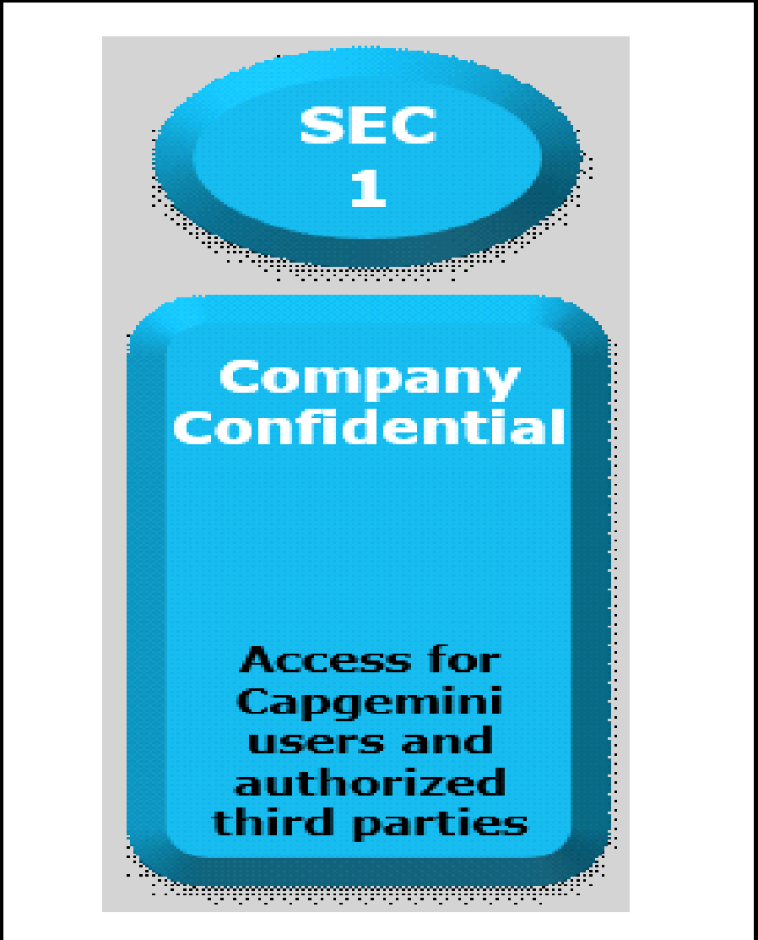

 | Document Control Section

Project Details
Project Name | Server Chat Application |  | Project Id | Group 02
Project Revision History

Date | Version | Author | Brief Description of Changes |  | Approver Signature

2022-10-18 | Version 0.1 | Group 02 | Initial Version,worked on the whole document and added design overview.

 |  |  |  |  |  | Using eSkills Matrix Tool for Skill Tracking
 |  |  |  |  |  | Not using eSkills Matrix Tool for Skill Tracking

