Beta feedback
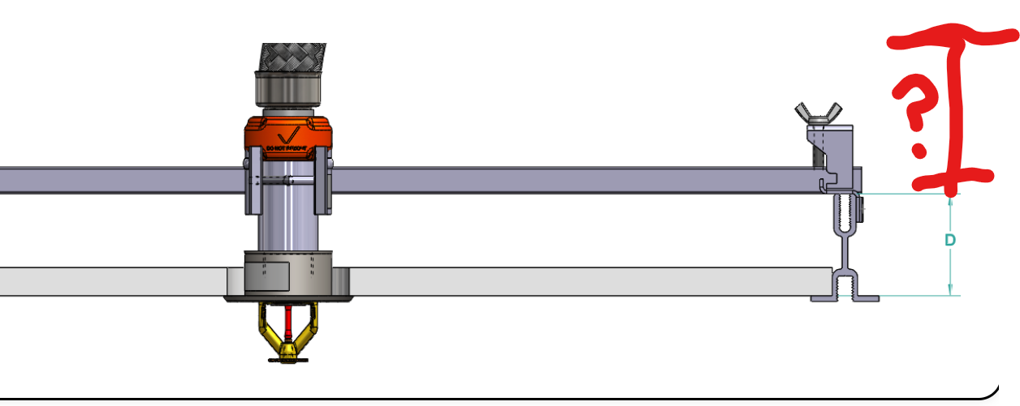
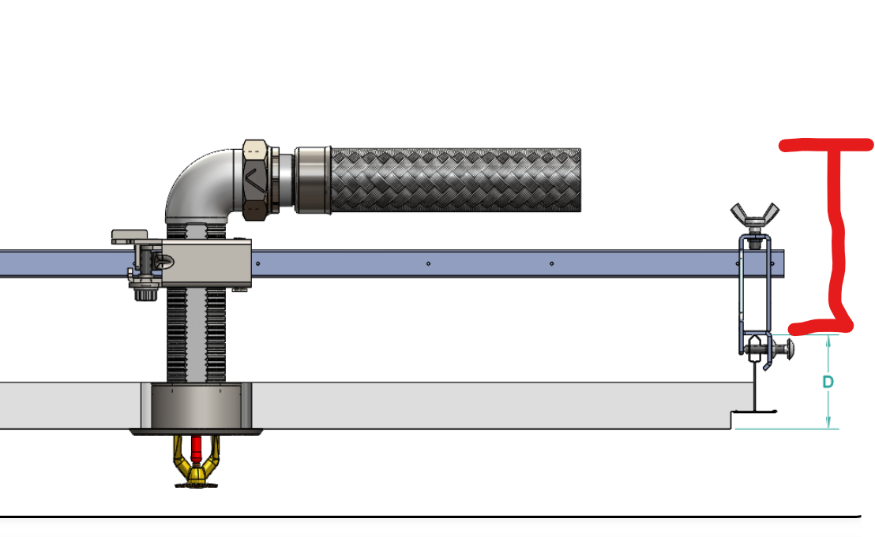
Bicket
 | Add full line of reducers (9" and 13" straight) - Bicket
 | I think AB6 and AB6W would definitely be a benefit.
 | On wood and metal “grid type” is there any way to use different elevations? (ie. 2x6 or 2x8 wood studs & 1-5/8” C-Channel)
 | I’ve been running into this a lot in lately in multi-family
 | More measures or dimensions would be extremely helpful (ie. dimensions of the specific head or how much the set-screw sits down below the gate etc.)
 | Any plans for the AQC-U or Duct Assemblies would be awesome
 | Maybe a less generic “data center grid” description and go with the actual manufacturer/ model (with dimensions and required screw/ anchoring method)
 | A thought about this as well… 24” vs 48” options as we are really running into some weird DC applications
 | For example 6’x8’ Pics Pollargy “squares” with standard 2’x4’ T-Bar in-fill grid
 | In this unique situation it would be awesome to mock up a 4’ bar stock with an AB2 end bracket on one side and an AB5 end bracket on the other

it would be super helpful if we could list ceiling mfg with appropriate model name/bracket fit up. Is that doable? (Waddell)
 | we would need to have authorization and access to CAD models for all of the different grid makes/models if we are going to use their products in our tool and I know we ran into roadblocks with that already so this was path to get something implemented
Adding "C" clearance height above grid to top of hose/elbow (Kvistad)

