Tix
TIX - a mobile app for paying the public transport. .
transport search

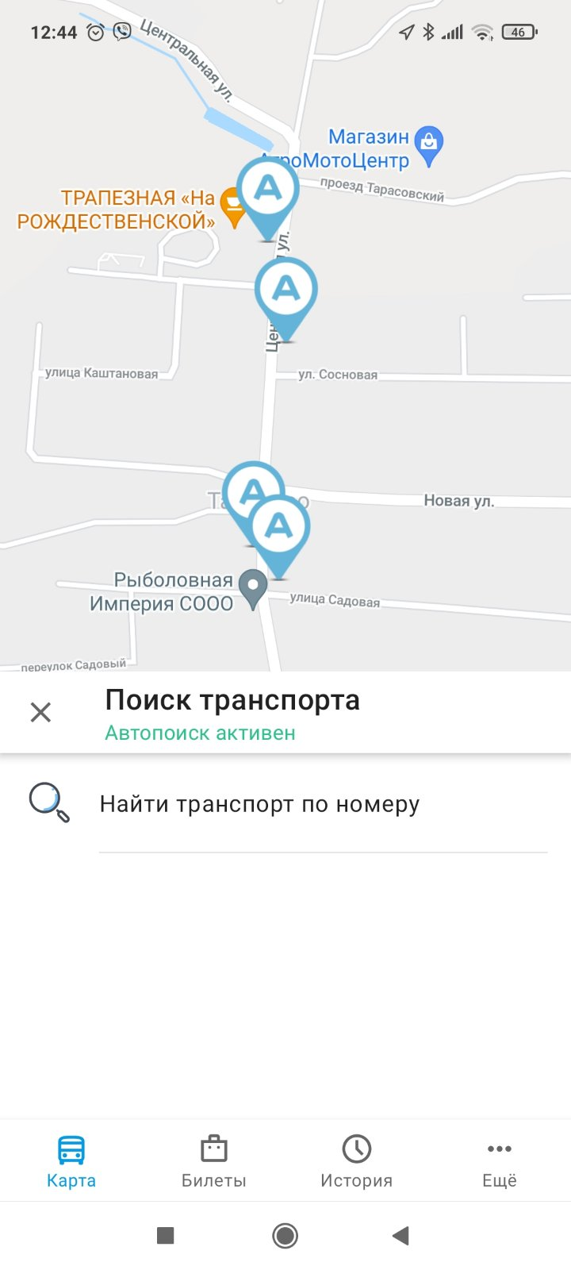
ID | Summary | Descriptions | Steps to reproduce | Test
13 | bus/trolleybus number is not displayed Fare has not been paid. | Unable to pay the fare because the map does not display the bus/trolleybus number when searching for transport. Exp: the application should display on the map the mobile phone location and bus/trolleybus number. Act: The bus/trolleybus number is not displayed. | 1. Login to the app 2. Turn on GPS, Bluetooth 3. Buy ticket 4. Go to the Map 5. The app should automatically find the bus/trolleybus number Bug 1: No bus/trolleybus number is shown on the Map. Bug 2: wrong bus / trolleybus number is shown on the Map. Fare has not been paid. | smoke

INSYNC.BY
Mobile Banking InSync
chat history


ID | Summary | Descriptions | Steps to reproduce | Test
37 | chat history is not saved | Chat history is not saved when you close the application InSync Exp: Chat history should be saved when you exit the application Act: Chat history is not saved when you exit the application, you must not close the application if you want to get a response from a specialist. | 1. Go to the InSync app on your smartphone. 2. Enter your PIN 3. Сlick the Online Chat tab In the lower right corner. 4. Click Start Chat 5. Enter a message (e.g. how to connect an e-mail alert) 6. Exit from Online Chat 7. Come back to Online Chat Bug: Chat history is not saved. You need to repeat steps 1-5 and don't close the application until you get a response from a specialist. | critical path test

Talon.by
Talon.by - medical appointment
Some of contact information is not visible to users.

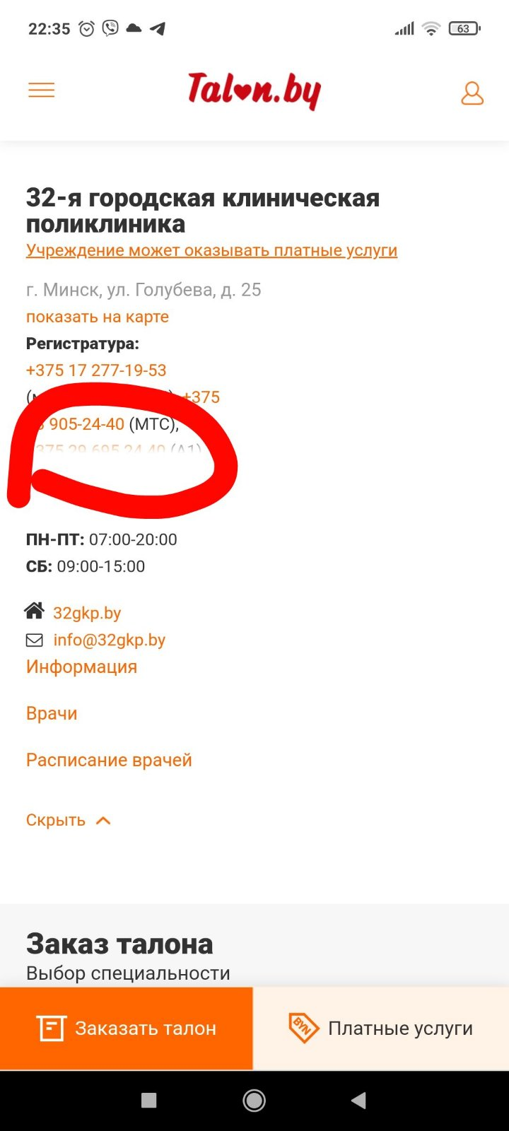
ID | Summary | Descriptions | Steps to reproduce | Test
31 | Some of contact information is not visible to users. | On the ticket ordering page, contact information is displayed partially, it does not scroll, when you click "hide" or "show details" contact information does not appear. Exp: all the contact information are shown on page "Order ticket". Act: some of contact information is not visible to users. | 1. Go to the Talon.by app on your smartphone. 2. Log in 3. Press "Order a ticket" 4. Chek the contact information. Bug: some of contact information is not visible to users. | extended test/usability

ilex.by
ilex - Online service of legal solutions in accounting and law
password input

ID | Summary | Descriptions | Steps to reproduce | Test
24 | password cannot be checked | The password input line does not contain the "show password" icon https://ilex.by/login/ Exp: the "show password/hide password" icon should be displayed next to the password, in which the characters are replaced with dots. The password must become visible when you click on the icon. The icon should change to - "hide password". Act: the "show password" action cannot be performed in the password input field. | 1. Go to https://ilex.by/. 2.Сlick "Login to Service" in the upper right corner. 3. Enter your username and password. 4. Check the password you have entered. Bug: In the password entry field, you cannot perform the "show password" action. | extended test/usability | 