EXAMPLES
users table |  | printar name que nao possuem neighborhoods
Columns | Type | USANDO EXISTS |  |  |  | EXISTS
id | INTEGER | SELECT n.name
name | VARCHAR | FROM neighborhoods AS n
neighborhood_id | INTEGER | WHERE NOT EXISTS (SELECT * FROM users AS u
created_at | DATETIME | WHERE n.id = u.neighborhood_id)

neighborhoods table |  | SECOND WAY ' SELECT n.name
Columns | Type | from neighborhoods n
id | INTEGER | LEFT JOIN user u
name | VARCHAR | on n.id = u.neighborhoods_id
city_id | INTEGER | WHERE u.id IS NULL

 |  | ESSA QUERY COMPARA TODOS COM TODOS, E FAZ A DIFERENCA e printar a menor |  |  | student_one | student_ two | score_ diff
student table |  | SELECT |  |  | H | HJ | 211
Column | Type | t1.student as student_one, |  |  | H | J | 116
id | INTEGER | t2.student as student_two, |  |  | H | K | 300
student | VARCHAR | abs(t1.score-t2.score) as score_diff |  |  | H | L | 59
score | INTEGER | from student t1 |  |  | H | ZZ | 401
 |  | join student t2 |  |  | H | Z | 252
 |  | on t1.id < t2.id |  | OR CROSS JOIN | H | X | 221
 |  | order by 3,1,2 |  |  | H | W | 327
 |  | LIMIT 1 |  |  | H | E | 25
 |  |  |  |  | H | R | 50

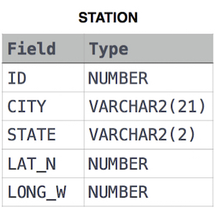
 |  | Write a query to find the difference between the total number of cities and the unique number of cities in the table STATION.
 |  |  |  |  |  | SUBTRACT TWO SELECTS
 |  |  |  |  | 13
 |  | SELECT TOP 1 (
 |  | SELECT count(city) from station) - (select count(distinct city) from station)
 |  | from STATION

Students |  | Name, Grade and Mark. Ketty doesn't want the NAMES of those students who received a grade lower than 8. The report must be in descending order by grade -- i.e. higher grades are entered first. If there is more than one student with the same grade (8-10)
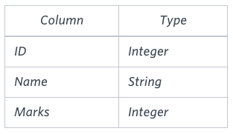

 |  |  |  |  |  | JOIN ON Between

 |  |  | SELECT IIF (g.Grade < 8, null , s.Name) as Name,
 |  |  | Marks
Grades |  |  | FROM Students s JOIN Grades g
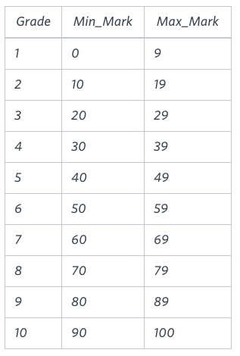
 |  |  | ON s.Marks BETWEEN Min_Mark and Max_Mark
 |  |  | ORDER BY Grade DESC, Name

 |  |  | OUTPUT
 |  |  | Britney 10 95
 |  |  | Heraldo 10 94
 |  |  | Julia 10 96
 |  |  | Kristeen 10 100
 |  |  | Stuart 10 99
 |  |  | Amina 9 89

 |  |  | Write a query to print the respective hacker_id and name of hackers who achieved full scores for more than one challenge. Order your output in descending order by the total number of challenges in which the hacker earned a full score. If more than one hacker received full scores in same number of challenges, then sort them by ascending hacker_id.
Hackers

 |  |  | with t1 as (SELECT
 |  |  | s.hacker_id,
 |  |  | s.challenge_id, |  |  | TEMP TABLES
 |  |  | s.score as s_score,
 |  |  | d.score as d_score
Difficulty |  |  | FROM submissions s
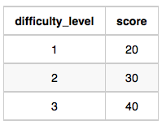
 |  |  | JOIN Challenges c
 |  |  | on s.challenge_id = c.challenge_id
 |  |  | JOIN Difficulty d
 |  |  | on c.difficulty_level = d.difficulty_level)

 |  |  | SELECT
 |  |  | h.hacker_id, h.name
Challenges |  |  | FROM Hackers h
 |  |  | JOIN t1
 |  |  | on h.hacker_id = t1.hacker_id
 |  |  | WHERE t1.s_score >= t1.d_score

Submissions

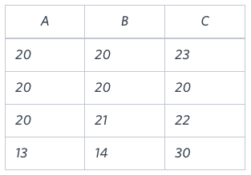
 |  |  | Write a query identifying the type of each record in the TRIANGLES table using its three side lengths.
TRIANGLES
 |  |  |  |  |  | CASE
 |  |  | SELECT *,
 |  |  | CASE
 |  |  | WHEN (A + B < C) OR (B+C < A) OR (C+A < B) THEN "Not A Triangle"
 |  |  | WHEN A = B AND B = C THEN "Equilateral"
 |  |  | WHEN (A = B AND B !=C) OR (A=C AND B!=A) THEN "Isosceles"
 |  |  | WHEN A!= B AND B!= C AND C!=A THEN "Scalene"
 |  |  | END
 |  |  | FROM TRIANGLES

 |  |  | SELECT |  |  | qualify | funciona no BQ
 |  |  | * |  |  | faz um rank por pedidos e id, e mantem somente o primeiro
 |  |  | ,row_number() over (partition by lojaId, pedidoId) as row
 |  |  | FROM `client-data-lake.atw.ifood_sales_by_merchant`
 |  |  | qualify row = 1

