Sheet1
Yucaipa City Automate Form - inputs |  |  |  | red = get rid of soon
*Red means: do not alter (hard coded into the fabric of the cooooode
*Everything has to be hard-coded (column B)
 | Field | Input | Notes (Input must match EXACTLY)
1 | Date | August 8, 2022
2 | SpaceNum | 20
3 | Address2 | 12821 4th St, Space #20 |  |  | this is the one we want to keep
4 | Length | 60
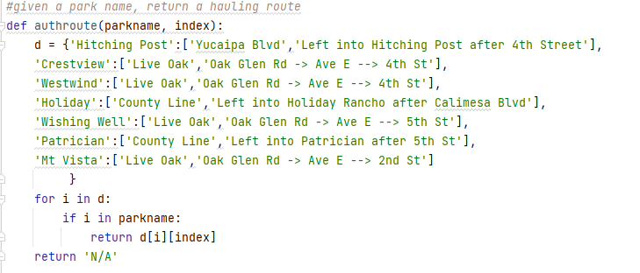
5 | Width | 24
6 | ParkName | Crestview
7 | HUDnum | 161983
8 | Serialnum | AAF 5539
9 | lot_right_len | 47
10 | lot_left_len | 47
11 | lot_up_len | 25
12 | lot_down_len | 25 | (facing street)
13 | right_setback | 3
14 | left_setback | 10
15 | up_setback | 5
16 | down_setback | 2 | (facing street)
17 | yr_of_manuf | 1974
18 | manuf_name | Hallmark
19 | decal_num | LAT1307

