Front Cover
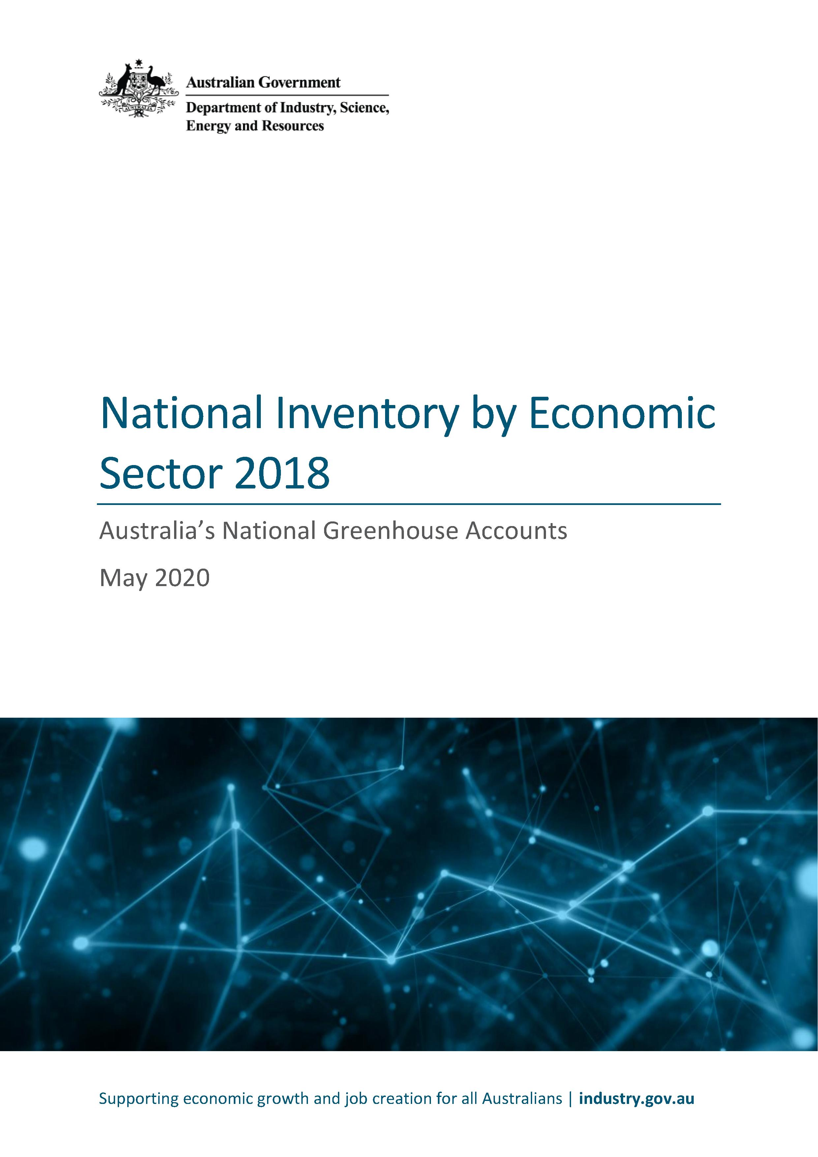

Copyright
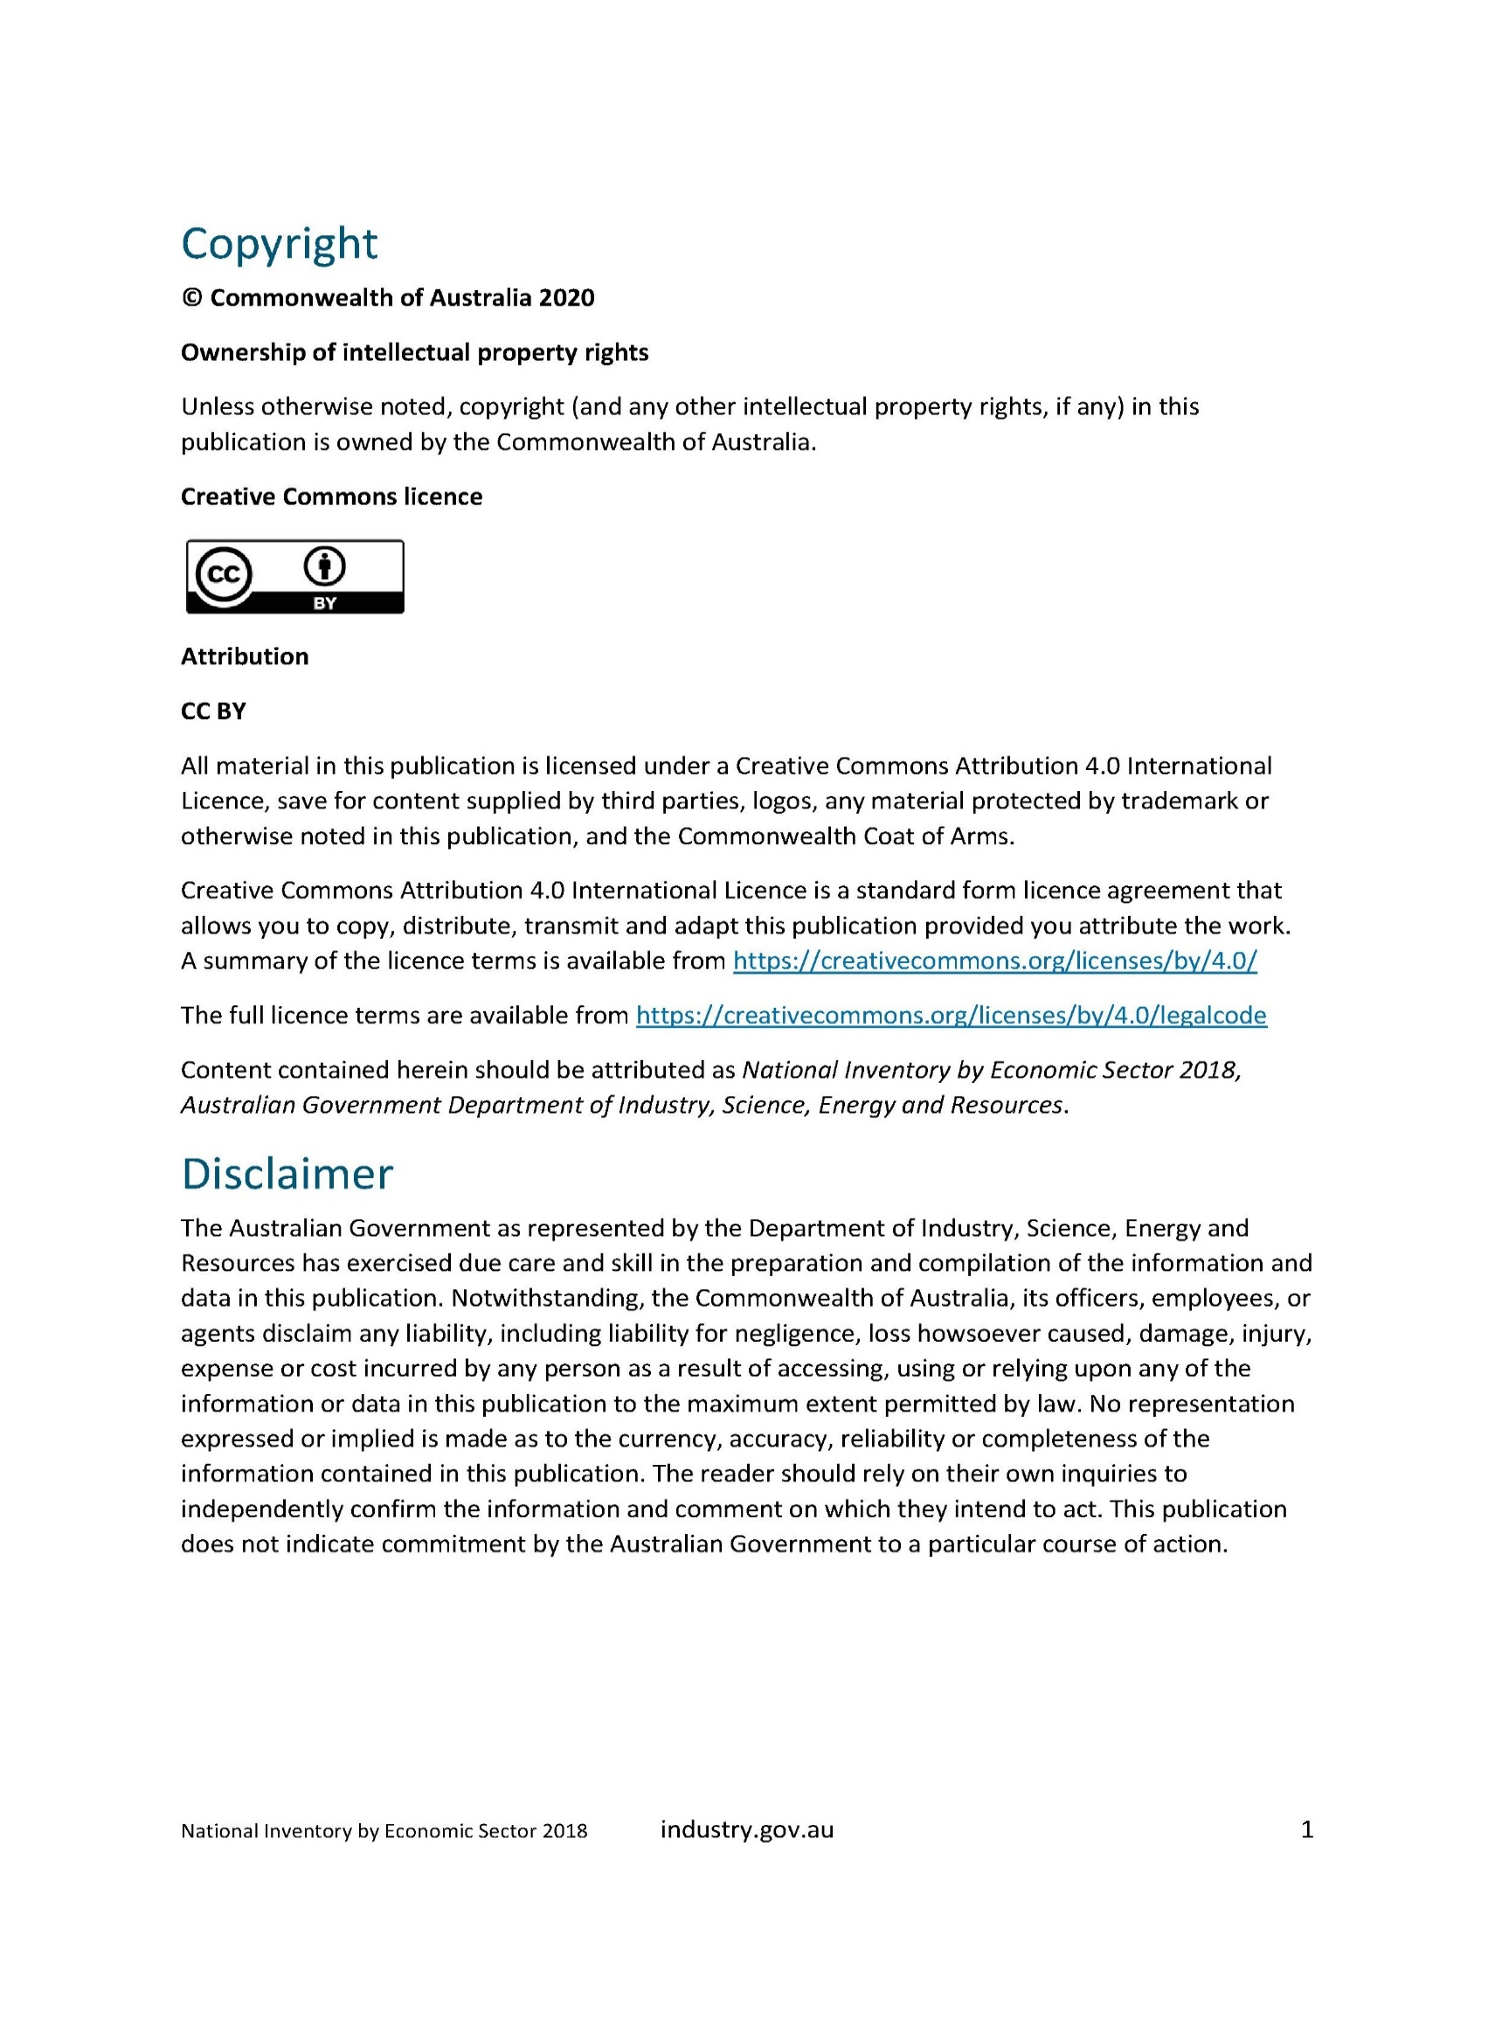

Figure 1
Figure 1: Direct Emissions by Economic Sectors, 1990 to 2018
(Mt CO2-e)

 | Agriculture, Forestry and Fishing | Forestry - Changes in Inventories | Mining | Manufacturing | Electricity, Gas, Water and Waste Services | Services, Construction and Transport | Residential
1990 | 286 | -19 | 45 | 68 | 148 | 41 | 49
1991 | 266 | -15 | 46 | 68 | 150 | 37 | 49
1992 | 197 | -20 | 49 | 68 | 153 | 46 | 50
1993 | 178 | -21 | 49 | 68 | 152 | 46 | 51
1994 | 168 | -18 | 47 | 68 | 153 | 44 | 51
1995 | 144 | -18 | 49 | 68 | 159 | 44 | 52
1996 | 148 | -18 | 51 | 66 | 161 | 46 | 53
1997 | 156 | -23 | 54 | 67 | 166 | 38 | 53
1998 | 140 | -23 | 55 | 67 | 178 | 34 | 54
1999 | 151 | -22 | 53 | 69 | 184 | 36 | 53
2000 | 154 | -20 | 56 | 68 | 187 | 46 | 54
2001 | 174 | -15 | 56 | 68 | 194 | 43 | 55
2002 | 173 | -27 | 57 | 68 | 196 | 44 | 57
2003 | 172 | -20 | 54 | 72 | 197 | 48 | 59
2004 | 166 | -24 | 56 | 74 | 205 | 49 | 61
2005 | 199 | -27 | 58 | 73 | 206 | 46 | 62
2006 | 190 | -31 | 60 | 72 | 210 | 52 | 62
2007 | 193 | -32 | 62 | 74 | 213 | 62 | 63
2008 | 171 | -33 | 62 | 75 | 216 | 69 | 64
2009 | 166 | -36 | 65 | 69 | 221 | 67 | 64
2010 | 155 | -42 | 65 | 71 | 215 | 65 | 64
2011 | 138 | -48 | 66 | 71 | 208 | 72 | 65
2012 | 140 | -56 | 69 | 69 | 207 | 61 | 65
2013 | 139 | -57 | 72 | 68 | 193 | 60 | 65
2014 | 141 | -55 | 72 | 66 | 187 | 61 | 67
2015 | 122 | -52 | 76 | 62 | 195 | 68 | 68
2016 | 105 | -54 | 81 | 60 | 201 | 65 | 68
2017 | 102 | -50 | 88 | 59 | 196 | 64 | 69
2018 | 106 | -45 | 95 | 59 | 190 | 62 | 70

 |  |  |  |  |  |  |  | #DIV/0!

Figure 2
 | 1 | 1 | 1 | 1 | 1 | 1
Figure 2: Percentage Change in Direct Emissions by Economic Sector, 1990 to 2018

 | Agriculture, Forestry and Fishing | Forestry - Changes in Inventories | Mining | Manufacturing | Electricity, Gas, Water and Waste Services | Services, Construction and Transport | Residential
1990 | 0% | 0% | 0% | 0% | 0% | 0% | 0%
1991 | -7% | 22% | 3% | 0% | 1% | -9% | -1%
1992 | -31% | -3% | 9% | 0% | 3% | 12% | 0%
1993 | -38% | -10% | 9% | 1% | 3% | 15% | 2%
1994 | -41% | 8% | 5% | 0% | 3% | 9% | 3%
1995 | -50% | 4% | 9% | 0% | 7% | 9% | 6%
1996 | -48% | 5% | 14% | -3% | 9% | 13% | 8%
1997 | -46% | -18% | 22% | -2% | 12% | -6% | 8%
1998 | -51% | -18% | 24% | -1% | 20% | -16% | 9%
1999 | -47% | -15% | 19% | 1% | 24% | -12% | 7%
2000 | -46% | -3% | 26% | 0% | 26% | 13% | 10%
2001 | -39% | 22% | 26% | 0% | 31% | 7% | 11%
2002 | -40% | -39% | 27% | 0% | 32% | 8% | 15%
2003 | -40% | -5% | 22% | 6% | 33% | 18% | 20%
2004 | -42% | -24% | 25% | 8% | 38% | 20% | 24%
2005 | -30% | -41% | 31% | 7% | 39% | 13% | 24%
2006 | -34% | -61% | 34% | 6% | 42% | 27% | 26%
2007 | -33% | -69% | 39% | 9% | 44% | 53% | 28%
2008 | -40% | -72% | 39% | 11% | 46% | 69% | 29%
2009 | -42% | -86% | 46% | 1% | 49% | 66% | 29%
2010 | -46% | -119% | 45% | 4% | 45% | 60% | 30%
2011 | -52% | -152% | 48% | 5% | 40% | 78% | 32%
2012 | -51% | -193% | 54% | 1% | 40% | 51% | 32%
2013 | -51% | -197% | 62% | 0% | 31% | 47% | 32%
2014 | -51% | -190% | 62% | -2% | 26% | 51% | 35%
2015 | -57% | -173% | 70% | -9% | 32% | 67% | 38%
2016 | -63% | -180% | 82% | -12% | 36% | 61% | 37%
2017 | -64% | -161% | 98% | -13% | 32% | 59% | 39%
2018 | -63% | -134% | 113% | -13% | 28% | 53% | 41%

Figure 3
Figure 3: Direct State and Territory Emissions by Economic Sector, 2018
(Mt CO2-e)

 | Agriculture, Forestry and Fishing | Forestry - Changes in Inventories | Mining | Manufacturing | Electricity, Gas, Water and Waste Services | Construction | Commercial Services and Construction | Transport and Storage | Residential
ACT | -0.01 | -0.02 | 0.00 | 0.04 | 0.17 | 0.08 | 0.21 | 0.18 | 0.83
NSW | 20.73 | -16.93 | 18.38 | 16.67 | 54.43 | 2.53 | 10.39 | 8.53 | 19.49
NT | 7.39 | 1.28 | 2.84 | 0.11 | 2.39 | 0.17 | 0.57 | 0.86 | 0.60
QLD | 49.29 | -4.43 | 30.30 | 13.29 | 55.58 | 2.66 | 6.87 | 7.55 | 13.29
SA | 4.44 | -2.46 | 3.58 | 4.91 | 4.86 | 0.64 | 1.71 | 2.13 | 5.07
TAS | 3.27 | -10.10 | 0.19 | 2.49 | 0.80 | 0.24 | -0.46 | 0.36 | 1.26
VIC | 15.62 | -6.80 | 3.24 | 7.70 | 50.83 | 1.99 | 3.82 | 6.48 | 21.30
WA | 5.45 | -5.27 | 36.38 | 14.20 | 20.70 | 1.55 | 5.60 | 6.59 | 7.82

Figure 4
Figure 4: Indirect Greenhouse Gas Emissions from the Generation of Purchased Electricity (Scope 2 Emissions) Trends by Economic Sector, 1990 to 2018
(Mt CO2-e)

 | Agriculture, Forestry and Fishing | Mining | Manufacturing | Electricity, Gas, Water and Waste Services | Services, Construction and Transport | Residential
1990 | 2 | 8 | 42 | 20 | 25 | 34
1991 | 2 | 8 | 43 | 19 | 26 | 34
1992 | 2 | 8 | 43 | 20 | 26 | 35
1993 | 2 | 8 | 43 | 20 | 27 | 35
1994 | 2 | 8 | 45 | 20 | 27 | 35
1995 | 2 | 9 | 45 | 21 | 29 | 36
1996 | 2 | 9 | 46 | 21 | 32 | 38
1997 | 2 | 10 | 47 | 21 | 33 | 39
1998 | 2 | 10 | 52 | 25 | 35 | 41
1999 | 2 | 10 | 55 | 27 | 36 | 42
2000 | 2 | 10 | 56 | 27 | 37 | 43
2001 | 2 | 10 | 59 | 28 | 41 | 43
2002 | 2 | 11 | 59 | 28 | 40 | 44
2003 | 2 | 12 | 53 | 27 | 46 | 46
2004 | 2 | 12 | 54 | 30 | 48 | 48
2005 | 2 | 13 | 56 | 30 | 49 | 48
2006 | 2 | 15 | 56 | 30 | 50 | 49
2007 | 2 | 14 | 58 | 30 | 51 | 49
2008 | 2 | 14 | 58 | 29 | 52 | 50
2009 | 2 | 16 | 59 | 31 | 53 | 51
2010 | 2 | 16 | 58 | 29 | 52 | 49
2011 | 2 | 17 | 53 | 26 | 51 | 49
2012 | 2 | 17 | 53 | 27 | 51 | 49
2013 | 2 | 18 | 48 | 23 | 51 | 45
2014 | 2 | 19 | 46 | 22 | 50 | 42
2015 | 2 | 20 | 44 | 23 | 55 | 45
2016 | 1 | 24 | 44 | 25 | 56 | 45
2017 | 2 | 19 | 49 | 24 | 51 | 46
2018 | 2 | 25 | 39 | 22 | 54 | 42

Figure 5
Figure 5: Australia’s Combined Direct and Indirect Greenhouse Gas Emissions from the Generation of Purchased Electricity (Scope 2 Emissions) by Major Economic Sector, 2018
(Mt CO2-e)

 | Direct emissions | Indirect emissions from the generation of purchased electricity (scope 2 emissions)
Residential | 70 | 42
Services, Construction and Transport | 62 | 54
Manufacturing | 59 | 39
Mining | 95 | 25
Agriculture, Forestry and Fishing | 106 | 2

 |  |  | 33
 |  |  | 0.70212765957

Figure 6
Figure 6: Combined Direct and Indirect Greenhouse Gas Emissions from the Generation of Purchased Electricity (Scope 2 Emissions) by Major Economic Sectors, 1990 to 2018
(Mt CO2-e)

 | Agriculture, Forestry and Fishing | Mining | Manufacturing | Services, Construction and Transport | Residential
1990 | 288 | 52 | 110 | 65 | 83
1991 | 267 | 54 | 111 | 63 | 83
1992 | 198 | 57 | 111 | 72 | 84
1993 | 180 | 57 | 112 | 73 | 86
1994 | 170 | 55 | 113 | 71 | 86
1995 | 146 | 58 | 114 | 73 | 89
1996 | 150 | 60 | 112 | 77 | 91
1997 | 158 | 64 | 114 | 71 | 93
1998 | 142 | 66 | 120 | 69 | 95
1999 | 153 | 63 | 123 | 72 | 95
2000 | 156 | 66 | 124 | 83 | 97
2001 | 176 | 66 | 127 | 84 | 98
2002 | 175 | 68 | 127 | 84 | 101
2003 | 174 | 66 | 125 | 94 | 105
2004 | 168 | 68 | 128 | 97 | 109
2005 | 201 | 71 | 129 | 95 | 109
2006 | 192 | 75 | 128 | 101 | 111
2007 | 195 | 76 | 132 | 114 | 112
2008 | 173 | 77 | 133 | 121 | 113
2009 | 168 | 81 | 128 | 121 | 115
2010 | 157 | 80 | 129 | 117 | 114
2011 | 140 | 83 | 125 | 123 | 114
2012 | 142 | 86 | 122 | 113 | 114
2013 | 141 | 90 | 116 | 111 | 110
2014 | 143 | 91 | 112 | 111 | 109
2015 | 124 | 96 | 106 | 123 | 113
2016 | 106 | 105 | 104 | 121 | 113
2017 | 104 | 107 | 108 | 115 | 115
2018 | 108 | 120 | 98 | 116 | 111

Figure 7
Figure 7: Percentage Change in Combined Direct and Indirect Greenhouse Gas Emissions from the Generation of Purchased Electricity (Scope 2 Emissions) by Major Economic Sectors, 1990 to 2018
(Mt CO2-e)

 | Agriculture, Forestry and Fishing | Mining | Manufacturing | Services, Construction and Transport | Residential
1990 | 0% | 0% | 0% | 0% | 0%
1991 | -7% | 3% | 0% | -4% | 0%
1992 | -31% | 8% | 1% | 10% | 1%
1993 | -37% | 9% | 1% | 12% | 3%
1994 | -41% | 5% | 3% | 10% | 3%
1995 | -49% | 10% | 3% | 12% | 7%
1996 | -48% | 15% | 2% | 19% | 9%
1997 | -45% | 22% | 3% | 9% | 11%
1998 | -51% | 25% | 9% | 6% | 14%
1999 | -47% | 20% | 12% | 11% | 14%
2000 | -46% | 27% | 12% | 28% | 16%
2001 | -39% | 27% | 15% | 29% | 18%
2002 | -39% | 29% | 15% | 29% | 21%
2003 | -39% | 26% | 14% | 45% | 26%
2004 | -41% | 30% | 16% | 49% | 31%
2005 | -30% | 36% | 17% | 46% | 31%
2006 | -33% | 43% | 16% | 56% | 33%
2007 | -32% | 46% | 19% | 74% | 34%
2008 | -40% | 46% | 21% | 85% | 36%
2009 | -42% | 55% | 16% | 85% | 38%
2010 | -45% | 54% | 17% | 79% | 37%
2011 | -51% | 59% | 13% | 89% | 37%
2012 | -51% | 65% | 11% | 73% | 36%
2013 | -51% | 73% | 5% | 70% | 33%
2014 | -50% | 75% | 2% | 70% | 31%
2015 | -57% | 84% | -4% | 88% | 35%
2016 | -63% | 100% | -6% | 85% | 35%
2017 | -64% | 105% | -2% | 77% | 38%
2018 | -63% | 130% | -11% | 78% | 34%

