Product Roadmap
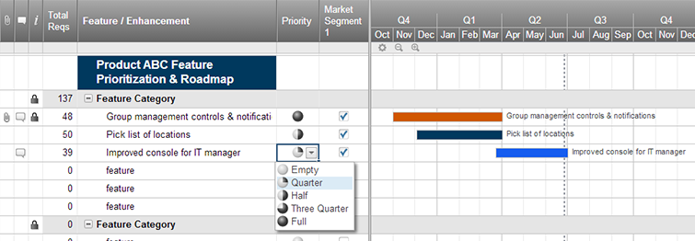
Agile Product Roadmap

<Agile Development Project> | Q2 |  |  | Q3 |  |  | Q4
 | April | May | June | July | August | September | October | November | December
Group 1
Product 1

Group 2

Online retailer

Group 3 | z
Product 3

Group 4

Product 4

Group 5

Product 5

Create an Agile Product Roadmap in Smartsheet

Project Charter
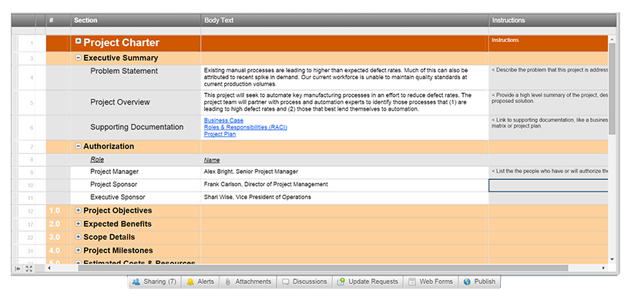
Agile Project Charter

General Project Information
Project Name | Online retailer Group 2
Project Champion | Bill Gate
Project Sponsor | Li Ka Shing
Project Manager | Liu Wai Man
Stakeholders | Lau Chun Hang, Ng Ka Ming, Poon Wai Lok, Fong Cheuk Lok
Expected Start Date | 1/24/2018
Expected Completion Date | 3/14/2018

Project Details
Mission | Contacting a customer > Producing a product > Transporting a product to a customer > Communicating with a customer

Vision | Making profit every year with the experienced service line to take the majority of the international market

Scope | Collecting and anlaysing customer requirements for product the high quality services

Success Metrics | The customer likes our product, the customer loyalty, produces the product in the budget and the scheduled time.

Date: | Date:

Create an Agile Project Charter in Smartsheet

Project Plan
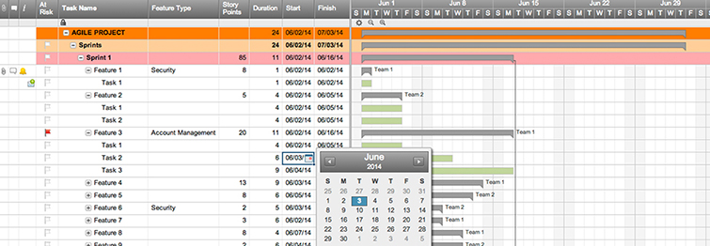
Agile Project Plan

Project Name | Online retailer
Project Manager | Ng Ka Ming, Liu Wai Man
Project Deliverable | Interactive website
Scope Statement | Other files can be uploaded to the website

Start Date | 1/24/2018
End Date | 3/14/2018
Overall Progress | 12%

Task Name | Responsible | Start | End | Days | Status
Sprint 1 | All member | 2018-01-24 | 2018-02-15 | 22 | Complete
Defining the scope | All member | 2018-01-24 | 2018-01-31 | 7 | Complete
Project planning | All member | 2018-01-31 | 2018-02-06 | 6 | Complete
Work distribution | Liu Wai Man | 2018-02-06 | 2018-02-08 | 2 | Complete
Sprint 2 | All member | 2018-02-08 | 2018-02-20 | 12 | Complete
Research | All member | 2018-02-08 | 2018-02-16 | 8 | Complete
System analysis | Some members | 2018-02-12 | 2018-02-18 | 6 | Complete
Logical design | Some members | 2018-02-16 | 2018-02-20 | 4 | Complete
Sprint 3 | All member | 2018-02-20 | 2018-03-14 | 22 | Complete
Database design | Some members | 2018-02-20 | 2018-02-25 | 5 | Complete
Implementation | Some members | 2018-02-25 | 2018-03-11 | 14 | Complete
Testing | Some members | 2018-03-11 | 2018-03-14 | 3 | Complete

Create an Agile Project Plan in Smartsheet

Sprint Backlog
Sprint Backlog Template ( Remaining outstanding efforts in hours )

Backlog Item | Story Points | Responsible | Status | Original Estimate | Day 1 | Day 2 | Day 3 | Day 4 | Day 5 | Sprint Review
User Story #1 | 8 | Project manager | Complete
Online retailer order product from supplier | 32 | All member | Complete | 7 | 5 | 3 | 2 | 2 | 2 | 2
Sprint Burndown
Logistic transport product to online retailer warehouse | 16 | All member | Complete | 3 | 2 | 2 | 1 | 1 | 1 | 0
Employee confirm the product | 4 | Liu Wai Man | Complete | 4 | 3 | 2 | 2 | 2 | 2 | 2
Customer selects one of the products from the website | 8 | All member | Complete | 9 | 7 | 5 | 3 | 3 | 1 | 0
User Story #2 | 1 | Employee | Complete
Customer selects product details (size, color, etc.) | 2 | All member | Complete
Customer selects product quantity | 4 | Some members | Complete
Customer selects a shipping address | 5 | Some members | Complete
Customer selects shipping option (logistics company) | 7 | Some members | Complete
User Story #3 | 5 | Customer | Complete
Customer selects payment method | 6 | Some members | Complete
Logistics receives product shipping details from online retailer | 5 | Some members | Complete
Task
Task
User Story #4 | 8
Task
Task
Task
Task
User Story #5 | 3
Task
Task
Task
Task
Total |  |  |  | 23 | 17 | 12 | 8 | 8 | 6 | 4

S

Test Plan

Agile Test Plan

Project Name | Online Retailer Website |  | Browser: | Firefox
Test Case ID | 1003 |  | Version: | 58.0.2
Written By: | Ng Ka Ming, Liu Wai Man |  | Description: | Online Retailer Website Testing
Tested By: | LAU CHUN HANG, Fong Cheuk Lok |  | Tested On: | 2018-02-14

Test # | Date | Action | Expected Results | Actual Results | Pass?
1 | 2018-02-14 | Logging in | Should get to home screen | User directed to different page | ✓
2 | 2018-02-16 | Signing up error | Finished registration have the 'Registration Completed' message | User finished registration website show the blank page. | ✓
3 | 2018-02-20 | Setting products information | Quantity in stock will decrease automatically when customer bought a product | Only show 'In Stock' | ✓
4 | 2018-02-23 | Making order | Customers can insert their own address | Customers can insert their own address | ✓
5 | 2018-02-27 | Choosing the logistic method | Provide scroll down list for customers choosing the logistic method | Provide checkbox for customers choosing the delivery efficency | ✓
6 | 2018-03-07 | Generating the .json file for supplier team | Supplier team can get our in stock quantity from the .json file | Supplier team can get our in stock quantity from the .json file | ✓

Create a Test Plan in Smartsheet

