Planilha1
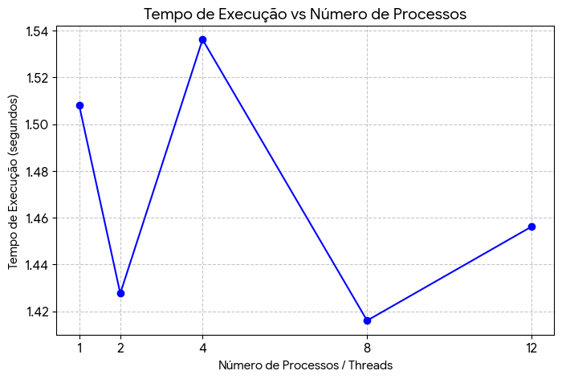
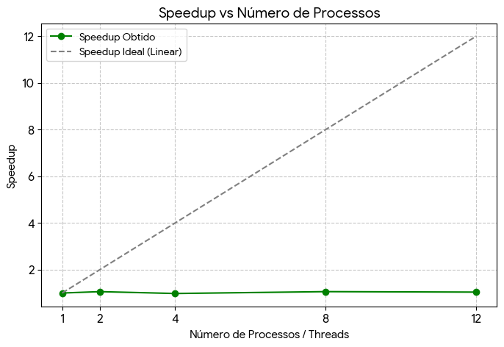
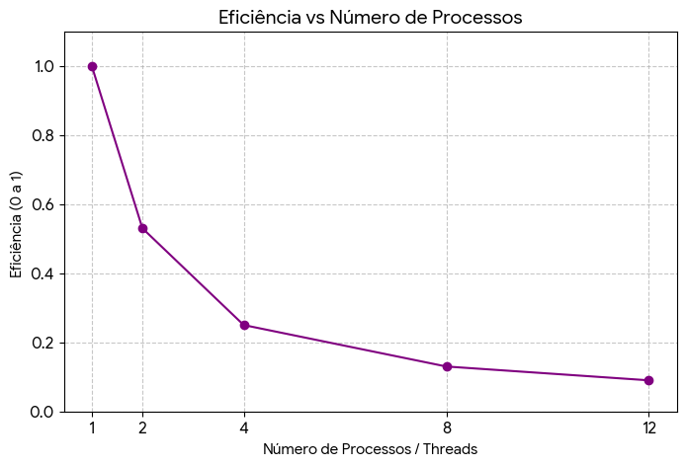
Threads | Tempo(s) | Speedup | Eficiência
1 | 1,508,211 | 1.00 | 1.00
2 | 1,427,639 | 1.06 | 0.53
4 | 1,536,225 | 0.98 | 0.25
6 | 1,375,862 | 1.10 | 0.18
8 | 1,416,050 | 1.06 | 0.13
12 | 1,456,238 | 1.04 | 0.09

