Performance summary
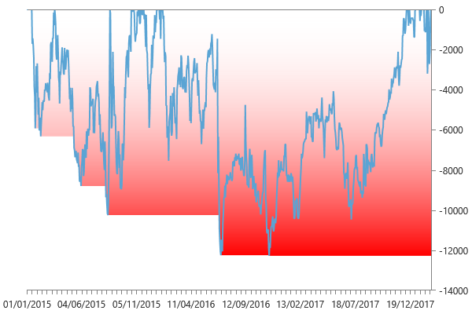
Performance summary

Main chart: E-mini S&P 60 minute bars [01/01/2015 - 19/02/2018]

Net P&L | 40,584 $
Gross P&L | 43,925 $
Profit factor | 1.1952743077
Sharpe ratio | 0.88898590593
Slippage per side | -0.0038695362857
Commission per side | 008 $
Annual ROI | 17.80 %
Mathematical expectation | 418.33333333

Session analysis
Analyzed sessions | 840
Sessions in market | 796
Winning sessions | 424
Winning sessions profit | 248,412 $
Winning sessions average | 586 $
Losing sessions | 372
Losing sessions profit | -207,828 $
Losing sessions average | -559 $
Worst drawdown | -12,272 $ | 16/11/2016
Best session | 6,838 $ | 05/02/2018
Worst session | -6,700 $ | 24/06/2016

P&L Chart
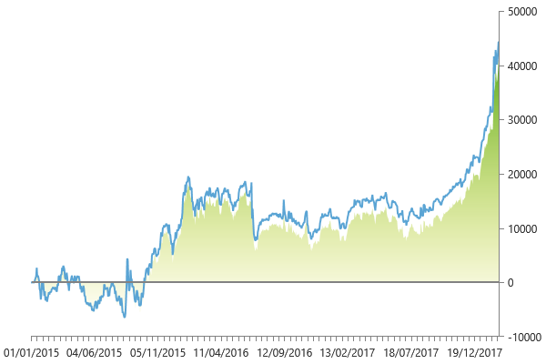

Scatter plot
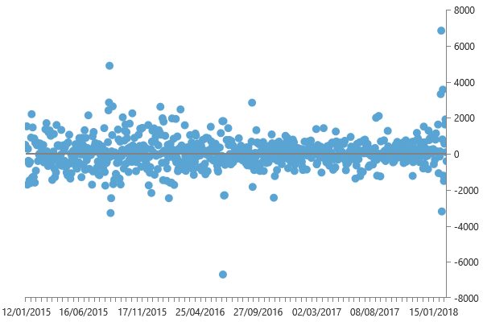

Maximum drawdown

