Performance summary
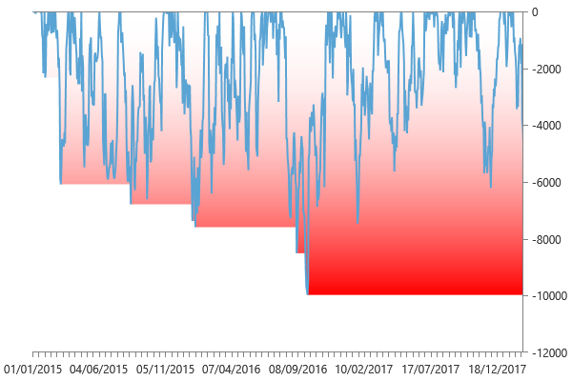
Performance summary

Main chart: Gold 60 minute bars [01/01/2015 - 18/02/2018]

Net P&L | 80,823 $
Gross P&L | 88,590 $
Profit factor | 1.2956063921
Sharpe ratio | 1.559210687
Slippage per side | -0.0012298356098
Commission per side | 011 $
Annual ROI | 61.82 %
Mathematical expectation | 540.18292683

Session analysis
Analyzed sessions | 843
Sessions in market | 796
Winning sessions | 424
Winning sessions profit | 354,238 $
Winning sessions average | 835 $
Losing sessions | 372
Losing sessions profit | -273,415 $
Losing sessions average | -735 $
Worst drawdown | -9,976 $ | 30/09/2016
Best session | 4,960 $ | 11/02/2016
Worst session | -3,760 $ | 16/02/2016

P&L Chart
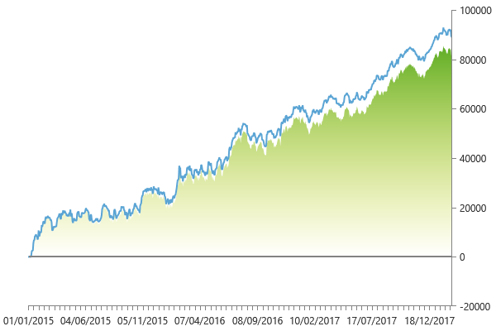

Scatter plot
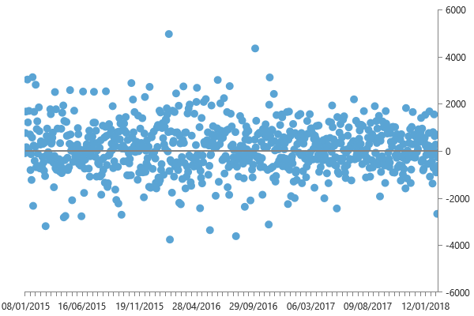

Maximum drawdown

