Performance summary
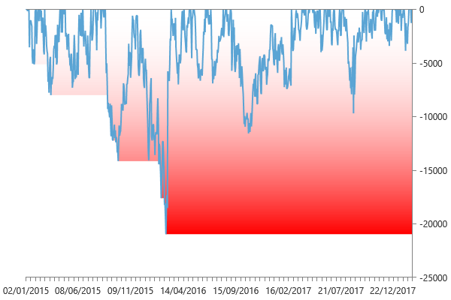
Performance summary

Main chart: RBOB Gasoline 60 minute bars [01/01/2015 - 19/02/2018]

Net P&L | 106,352 $
Gross P&L | 116,861 $
Profit factor | 1.26773857
Sharpe ratio | 1.3376503293
Slippage per side | -3.6501298701E-06
Commission per side | 011 $
Annual ROI | 40.88 %
Mathematical expectation | 505.89090909

Session analysis
Analyzed sessions | 837
Sessions in market | 798
Winning sessions | 441
Winning sessions profit | 503,577 $
Winning sessions average | 1,142 $
Losing sessions | 357
Losing sessions profit | -397,225 $
Losing sessions average | -1,113 $
Worst drawdown | -20,967 $ | 23/02/2016
Best session | 12,730 $ | 29/02/2016
Worst session | -6,146 $ | 29/08/2017

P&L Chart
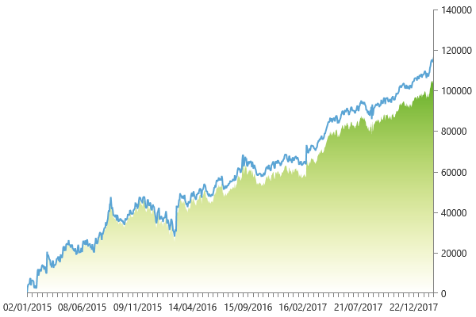

Scatter plot
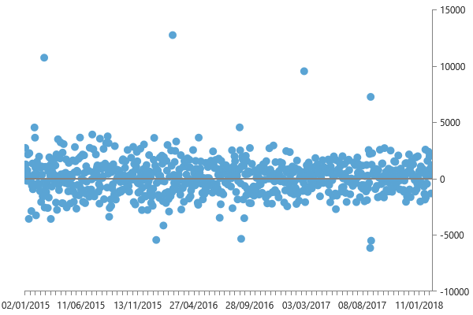

Maximum drawdown

