Performance summary
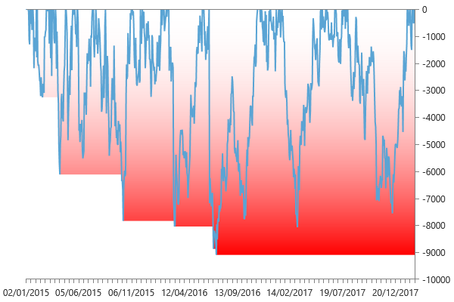
Performance summary

Main chart: EuroFX 60 minute bars [01/01/2015 - 18/02/2018]

Net P&L | 56,186 $
Gross P&L | 58,725 $
Profit factor | 1.2542190777
Sharpe ratio | 1.3480642816
Slippage per side | -2.0134444444E-06
Commission per side | 008 $
Annual ROI | 23.09 %
Mathematical expectation | 652.5

Session analysis
Analyzed sessions | 837
Sessions in market | 799
Winning sessions | 407
Winning sessions profit | 277,201 $
Winning sessions average | 681 $
Losing sessions | 392
Losing sessions profit | -221,015 $
Losing sessions average | -564 $
Worst drawdown | -9,095 $ | 14/07/2016
Best session | 4,087 $ | 03/12/2015
Worst session | -7,180 $ | 24/06/2016

P&L Chart
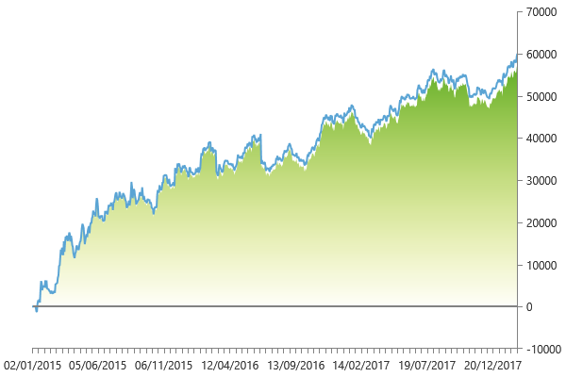

Scatter plot
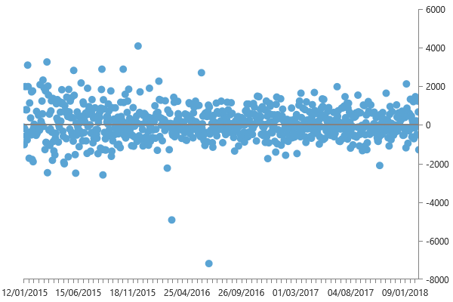

Maximum drawdown

