Performance summary
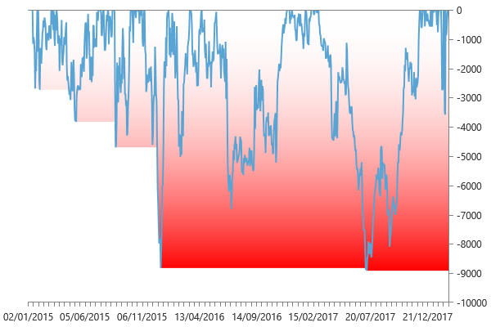
Performance summary

Main chart: E-mini DowJones 60 minute bars [01/01/2015 - 19/02/2018]

Net P&L | 54,620 $
Gross P&L | 56,545 $
Profit factor | 1.3253580789
Sharpe ratio | 1.4376664051
Slippage per side | -0.056752436164
Commission per side | 008 $
Annual ROI | 47.91 %
Mathematical expectation | 774.5890411

Session analysis
Analyzed sessions | 840
Sessions in market | 798
Winning sessions | 429
Winning sessions profit | 222,495 $
Winning sessions average | 519 $
Losing sessions | 369
Losing sessions profit | -167,876 $
Losing sessions average | -455 $
Worst drawdown | -8,912 $ | 11/07/2017
Best session | 7,010 $ | 05/02/2018
Worst session | -3,450 $ | 06/02/2018

P&L Chart
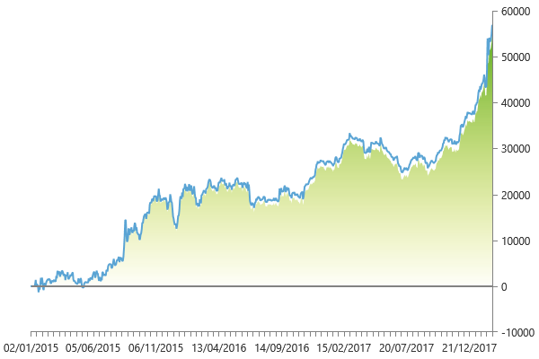

Scatter plot
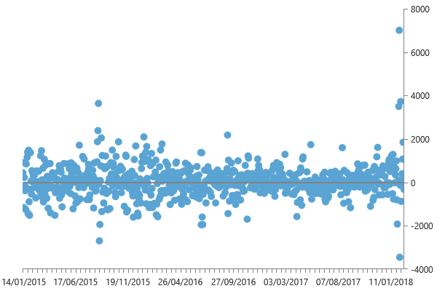

Maximum drawdown

