Pivot analysis
 | Factors that contributed Clients to leave and stay

Clients who left by Age
 | Total
20-29 | 4.90%
30-39 | 24.02%
40-49 | 41.67%
50-59 | 18.63%
60-69 | 10.29%
Under 9 | 0.49%
Age group who left |  | Count of AgeGroup
 |  | 100.00%
Row Labels | Count of AgeGroup | 4.90%
1 | 204 | 24.02%
20-29 | 10 | 41.67%
30-39 | 49 | 18.63%
40-49 | 85 | 10.29%
50-59 | 38 | 0.49%
60-69 | 21
Under 9 | 1
Grand Total | 204

Note - It is obvious that clients within age of 40 to 50 tends to leave the bank

Age group who stays
Clients who stayed by Age
 | Total
10-19 | 0.38%
20-29 | 17.20%
30-39 | 49.04%
40-49 | 22.55%
50-59 | 5.61%
60-69 | 2.55%
70-79 | 1.15%
80-89 | 0.25%
Under 9 | 1.27%
Row Labels | Count of ExitedFromBank | Count of ExitedFromBank
0 | 785 | 100.00%
10-19 | 3 | 0.38%
20-29 | 135 | 17.20%
30-39 | 385 | 49.04%
40-49 | 177 | 22.55%
50-59 | 44 | 5.61%
60-69 | 20 | 2.55%
70-79 | 9 | 1.15%
80-89 | 2 | 0.25%
Under 9 | 10 | 1.27%
Grand Total | 785

Note - It is obvious clients within the age 30 to 39 have higher tendency of staying follow by the age 40 to 49

Clients who left by Gender
 | Total
Female | 121
Male | 83
Gender who left

Row Labels | Count of ExitedFromBank
1 | 204
Female | 121
Male | 83
Grand Total | 204

Note- The above pie chart shows 59% of female left and 41% of male left

Clients who stayed by Gender
 | Total
Female | 341
Male | 444

Gender who stays

Row Labels | Count of ExitedFromBank
0 | 785
Female | 341
Male | 444
Grand Total | 785

Note- The above pie chart shows 43% of female stayed and 57% of male stayed

Clients with credit card
 | 0 | 1
0 | 29.43% | 29.41%
1 | 70.57% | 70.59%
Has credit card

Count of HasCrCard? | Column Labels |  |  |  | Column Labels
Row Labels | 0 | 1 | Grand Total |  | Stayed | Left
0 | 231 | 60 | 291 |  | 29.43% | 29.41%
1 | 554 | 144 | 698 |  | 70.57% | 70.59%
Grand Total | 785 | 204 | 989

Note- it is obvious that more client with credit card left and this shows their percentage rate. 29.43% with credit card stayed

Clients salary who stays and left
 | left | stay
0-19000 | 13.24% | 10.98%
100000-119000 | 21.57% | 20.05%
139000-159000 | 11.27% | 10.47%
160000-179000 | 7.35% | 9.20%
180000-199000 | 9.80% | 9.20%
20000-39000 | 10.29% | 9.07%
40000-59000 | 8.82% | 8.81%
60000-79000 | 9.80% | 11.49%
80000-99000 | 7.84% | 10.73%
Base on salary

Count of SalaryRange | Column Labels |  |  |  | Column Labels
Row Labels | 0 | 1 | Grand Total |  | 0 | 1
0-19000 | 86 | 27 | 113 |  | 10.98% | 13.24%
100000-119000 | 157 | 44 | 201 |  | 20.05% | 21.57%
139000-159000 | 82 | 23 | 105 |  | 10.47% | 11.27%
160000-179000 | 72 | 15 | 87 |  | 9.20% | 7.35%
180000-199000 | 72 | 20 | 92 |  | 9.20% | 9.80%
20000-39000 | 71 | 21 | 92 |  | 9.07% | 10.29%
40000-59000 | 69 | 18 | 87 |  | 8.81% | 8.82%
60000-79000 | 90 | 20 | 110 |  | 11.49% | 9.80%
80000-99000 | 84 | 16 | 100 |  | 10.73% | 7.84%
Grand Total | 783 | 204 | 987

Note- Clients with salary range between 100000 to 119000 tend to stay and leave

Country with inactive member
Inactive member with country who left and stayed
 | left | stay
France | 37.75% | 51.34%
Germany | 36.76% | 23.06%
Spain | 25.49% | 25.61%
Row Labels | Count of IsActiveMember
France | 480
Germany | 256
Spain | 253
Grand Total | 989

Count of IsActiveMember | Column Labels |  |  | Column Labels
Row Labels | 0 | 1 | Grand Total | 0 | 1 | Count of IsActiveMember
France | 403 | 77 | 480 | 51.34% | 37.75% | 48.53%
Germany | 181 | 75 | 256 | 23.06% | 36.76% | 25.88%
Spain | 201 | 52 | 253 | 25.61% | 25.49% | 25.58%
Grand Total | 785 | 204 | 989

Note- Clients who came from France has 51% of inactive members that tends to stay while 37% of inative members from Germany tends to leave the bank

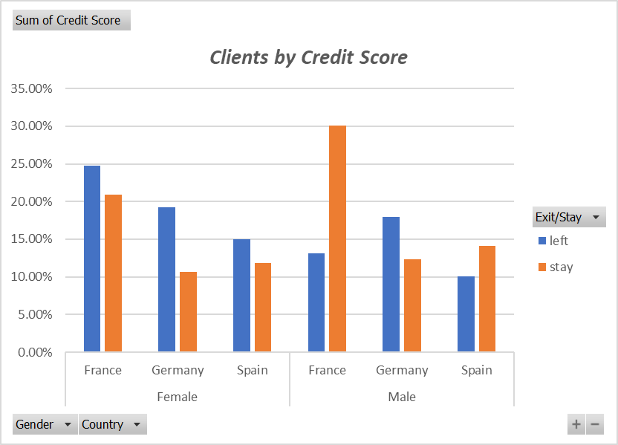
Clients with Credit score

Sum of Credit Score | Column Labels
Row Labels | left | stay | Grand Total
Female | 58.91% | 43.43% | 46.57%
France | 24.76% | 20.89% | 21.68%
Germany | 19.19% | 10.68% | 12.41%
Spain | 14.96% | 11.86% | 12.48%
Male | 41.09% | 56.57% | 53.43%
France | 13.09% | 30.09% | 26.65%
Germany | 17.92% | 12.33% | 13.46%
Spain | 10.09% | 14.14% | 13.32%
Grand Total | 100.00% | 100.00% | 100.00%

Note- More males from country like France has client with high credit score and also tend to stay with the bank while more females tend to leave the bank

Male and Female Inactive members
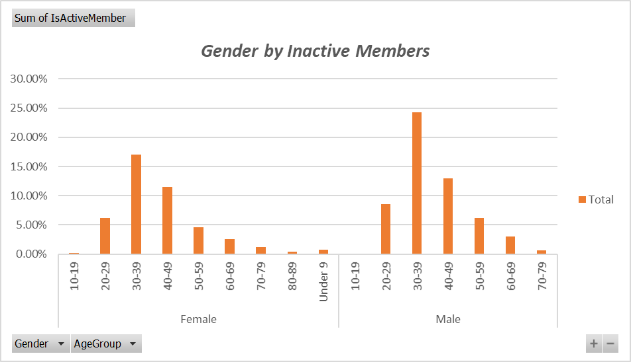
Row Labels | Sum of IsActiveMember
Female | 44.53%
10-19 | 0.20%
20-29 | 6.16%
30-39 | 17.10%
40-49 | 11.53%
50-59 | 4.57%
60-69 | 2.58%
70-79 | 1.19%
80-89 | 0.40%
Under 9 | 0.80%
Male | 55.47%
10-19 | 0.00%
20-29 | 8.55%
30-39 | 24.25%
40-49 | 12.92%
50-59 | 6.16%
60-69 | 2.98%
70-79 | 0.60%
Grand Total | 100.00%

Note- This bar chart shows the total combination of both male and female between their age group who are inactive member in the bank

Statistics Documentations

Clients Stay with Bank
Descriptive Statistic | Credit Score | Age | Tenure | Balance | Estimate Salary
Mean | 649 | 39 | 5 | $78,075.79 | $98,522.42
Median | 653 | 37 | 5 | $98,839.43 | $98,334.93
Max | 850 | 82 | 10 | $213,146.20 | $199,725.39
Min | 376 | 2 | 0 | $0.00 | $371.05

Clients Left the Bank
Descriptive Statistic | Credit Score | Age | Tenure | Balance | Estimate Salary
Mean | 649 | 39 | 5 | $77,981.51 | $98,558.05
Median | 653 | 37 | 5 | $98,839.43 | $98,410.85
Max | 850 | 82 | 10 | $213,146.20 | $199,725.39
Min | 376 | 2 | 0 | $0.00 | $371.05

Deciscion Tree
