COMP
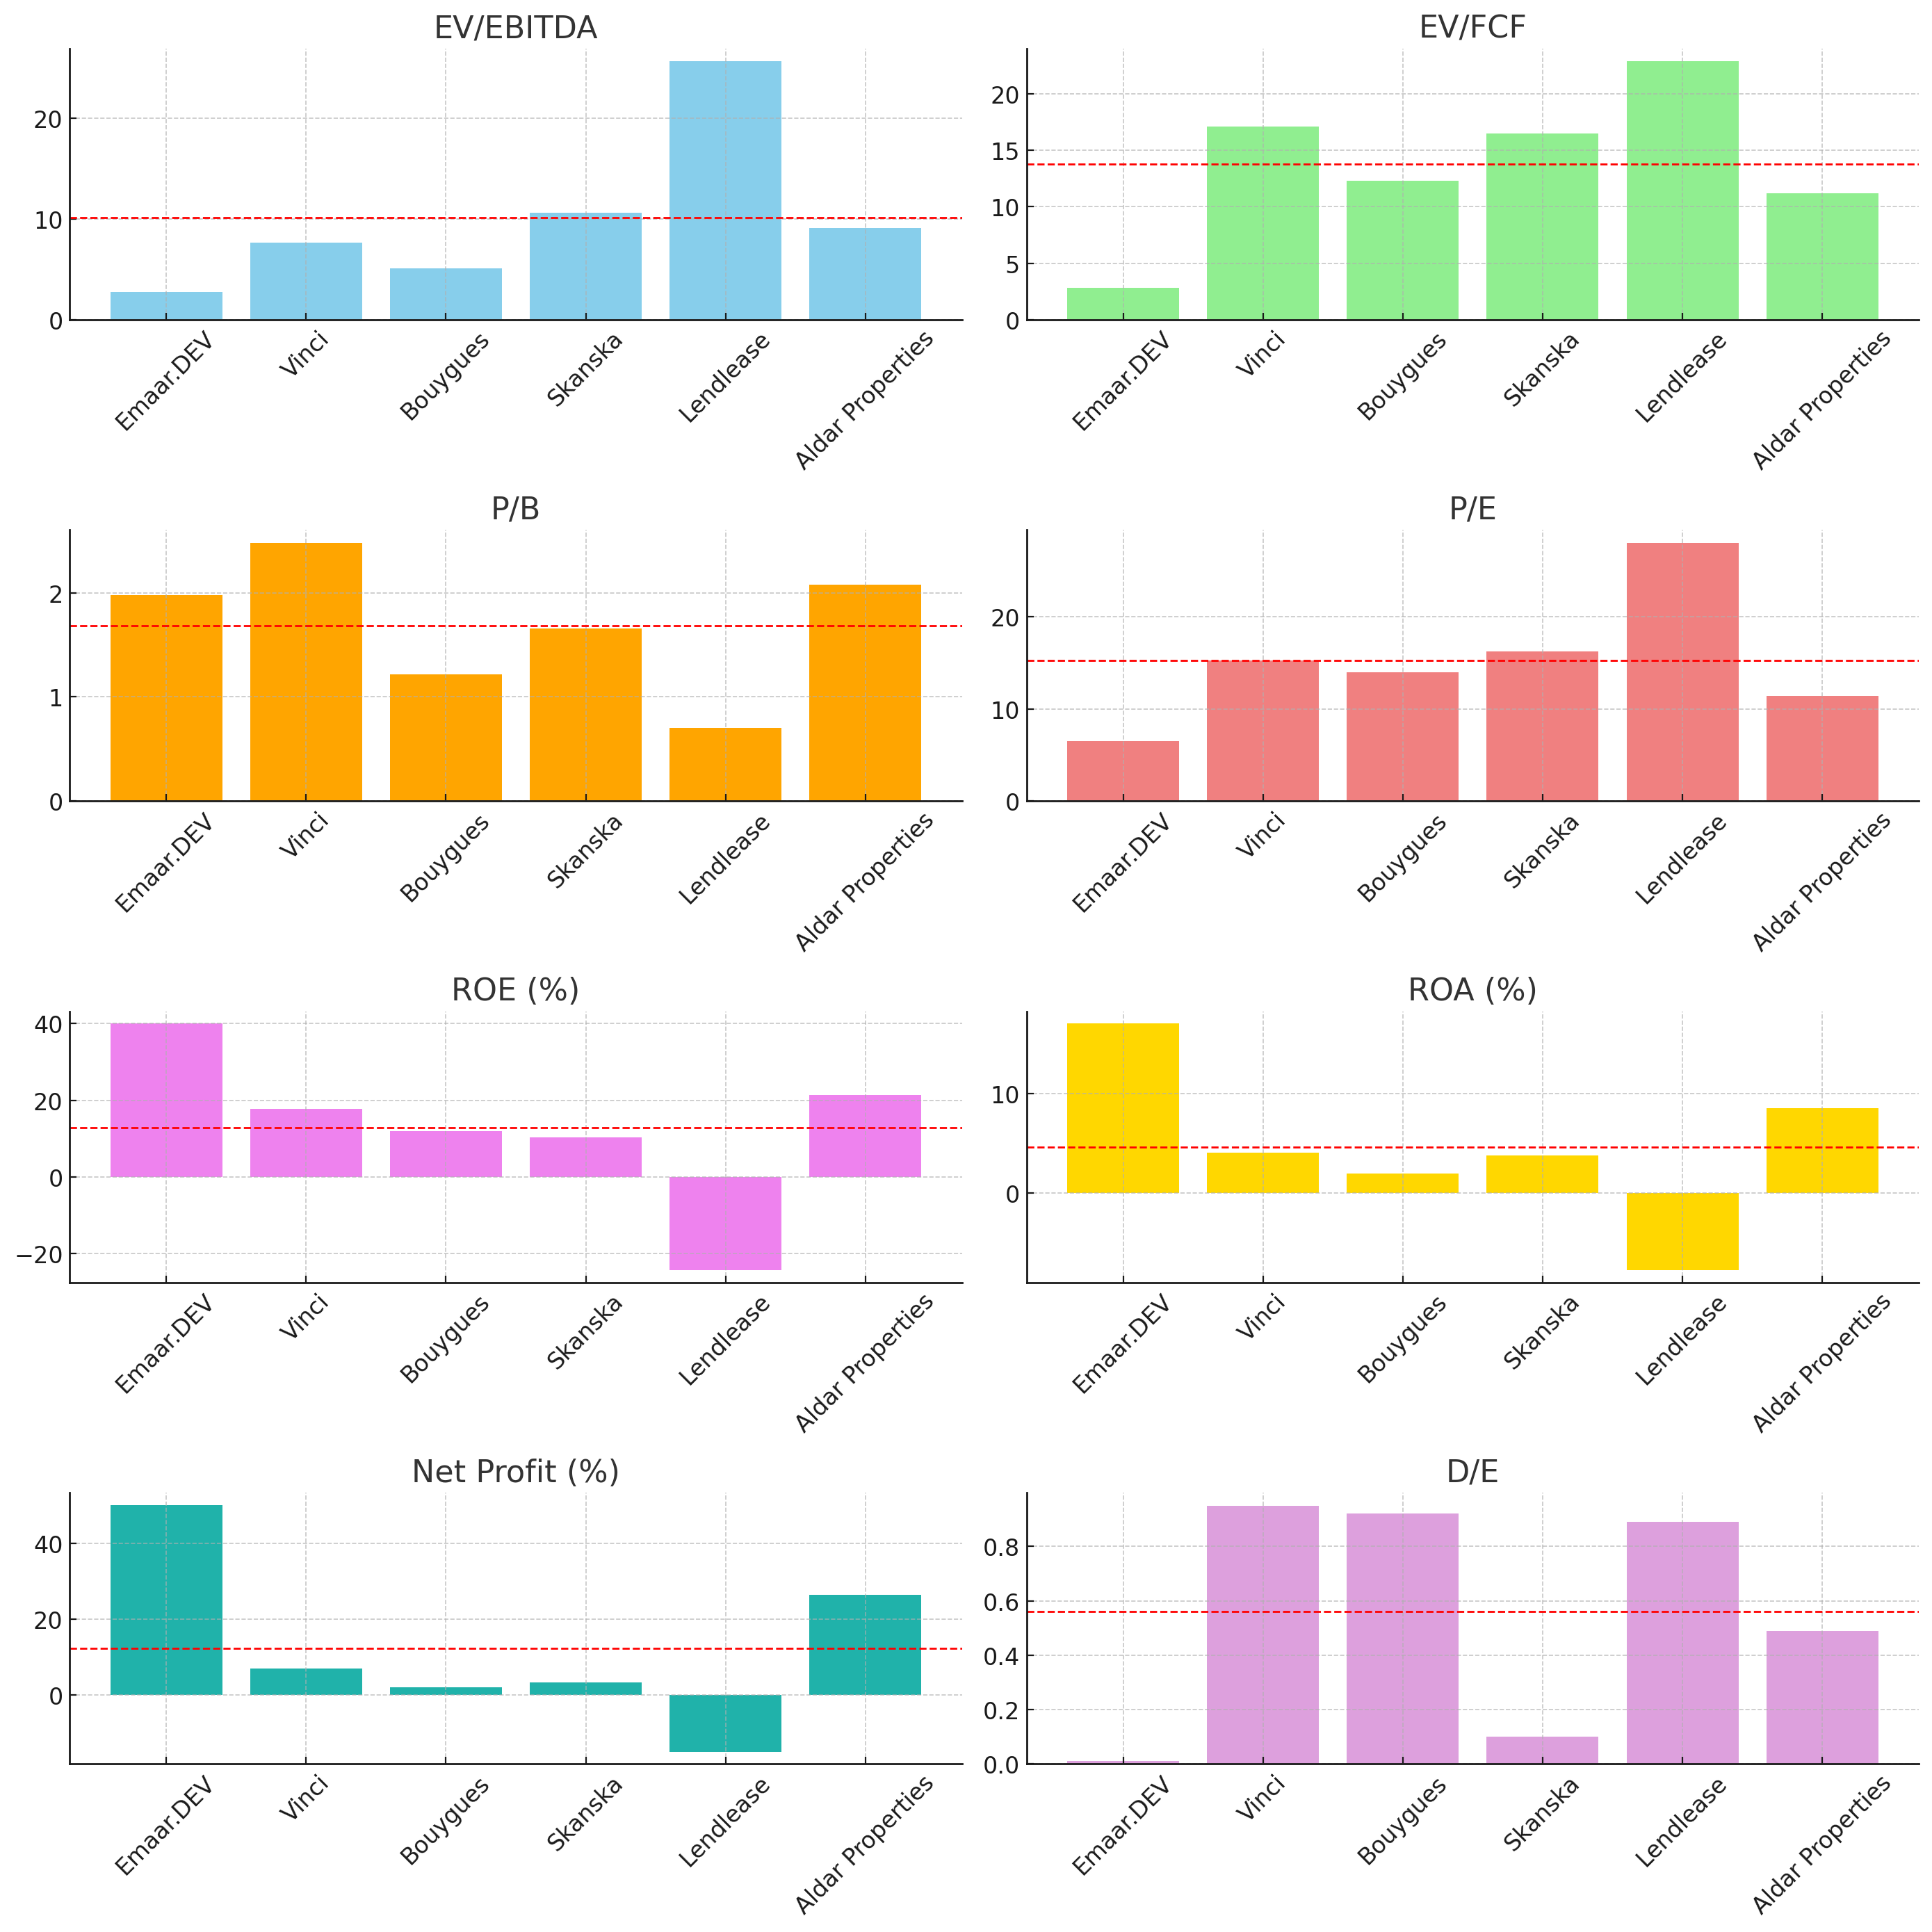
 | Source: | Pitchbook

 |  |  |  | Worldwide comparable in scale and complexity |  |  |  |  | UAE
 |  |  | Multiple & Ratio | Emaar.DEV | Vinci | Bouygues | Skanska | Lendlease | Aldar Properties | Mean | Gap

 |  |  | EV to EBITDA | 2.73 | 7.65 | 5.12 | 10.6 | 25.6 | 9.08 | 11.61 | 8.88 | 325% | lower
 |  |  | EV to FCF | 2.84 | 17.07 | 12.27 | 16.5 | 22.86 | 11.21 | 15.982 | 13.142 | 463%
 |  |  | P/B | 1.98 | 2.48 | 1.22 | 1.66 | 0.7 | 2.08 | 1.628 | -0.35 | -18%
 |  |  | P/E | 6.53 | 15.23 | 13.92 | 16.19 | 27.98 | 11.42 | 16.948 | 10.418 | 160%
 |  |  | ROE | 40% | 17.75% | 12% | 10.30% | -24.37% | 21.31% | 7.4% | 32.6% | 82% | Higher
 |  |  | ROA | 17% | 4% | 1.92% | 3.76% | -7.79% | 8.48% | 2.1% | 14.9% | 88%
 |  |  | Net Profit % | 50% | 7% | 2.09% | 3.36% | -14.91% | 26.40% | 4.8% | 45.2% | 90%
 |  |  | D/E | 0.01 | 0.95 | 0.92 | 0.1 | 0.89 | 0.49 | 0.67 | 0.5375 | 5375% | lower
 |  |  |  |  |  |  |  |  |  |  | Upside | 170%

 |  |  |  |  |  |  |  |  |  |  | *
 |  |  |  |  |  |  |  |  |  |  | 5475
*54

Rev & Cost Estimates
 |  |  |  |  |  |  |  |  |  |  |  |  |  | Backlogs
 | 2020 | 2021 | 2022 | 2023 | 2024 | E 2025 | E 2026 | E 2027 | E 2028 | E 2029 | 2030
 |  |  |  | (Switch) | 1 | 5,618,299 | 7,100,569 | 8,303,900 | 8,921,640 | 8,808,070 | 8,135,980 | Emaar Development generates about 80–85% of its revenue from UAE residential build-to-sell (BTS) projects, which also represent 48% of Emaar Properties’ group revenue. These residential projects typically take 2 to 3 years from launch to delivery. This timeline aligns closely with Emaar’s backlog conversion, as most revenue is recognized within a few years of contract signing, making this segment both dominant and relatively predictable.
 |  |  |  |  | 2 | 5,618,299 | 7,100,569 | 7,984,546 | 7,985,193 | 7,038,828 | 5,746,114
 |  |  |  |  | 3 | 5,618,299 | 7,100,569 | 8,733,704 | 10,469,386 | 12,207,010 | 13,639,734 |  |  | Year / Date | AED bn | EUR ’000 (rounded)

Sales | 2,330,029 | 3,591,810 | 2,987,751 | 2,998,955 | 4,816,413 | 5,618,299 | 7,100,569 | 8,303,900 | 8,921,640 | 8,808,070 | 8,135,980 |  |  | 2017 | 41 | 9,302,900
% growth |  | 54% | -17% | 0% | 61% | 16.6% | 26.4% | 16.9% | 7.4% | -1.3% | -7.6% |  |  | 2018 | 36.30 | 8,600,559
 |  |  |  |  |  |  |  |  |  |  |  |  |  | 2019 | 33.7 | 8,184,354
Backlog at the time | 8,660,000 | 10,880,000 | 12,550,000 | 16,950,000 | 21,480,000 | 26,000,000 | 27,868,936 | 27,085,322 | 24,969,475 | 21,770,440 | 18,654,701 |  |  | 2020 | 36.677 | 8,654,000
% growth |  | 26% | 15% | 35% | 27% | 21% | 7% | -3% | -8% | -13% | -14% | Backlog estimation based on projection of the devellopment of Dubai for the next 5 years assuming +80% of EMAAR DEV sales comes from dubai where they are market leader. View : Between 2025 and 2030, Dubai is set for strong, sustainable growth driven by population inflows, tourism, and economic diversification. Real estate demand will rise, supported by major infrastructure projects and regulatory safeguards. For Emaar, this creates solid opportunities in residential, retail, and hospitality, with its strong earnings and backlog positioning it well for the future. However the backlog increase of the precedent year is not sustainable this is why their growth YoY will decrease progressively to match our Terminal Growth rate. Overall, Dubai’s positive outlook supports Emaar’s medium-term prospects. Sources: Dubai government and planning documents Property market reports Financial analyses of Emaar Properties |  | 2021 | 46.1 | 10,880,000
 |  |  |  |  |  |  |  |  |  |  |  |  |  | 2022 | 53.2 | 12,555,000
Sales estimated from backlog | 8,695,938 | 8,479,638 | 9,239,451 | 10,696,667 | 13,460,000 | 16,993,333 | 21,476,667 | 25,116,312 | 26,984,753 | 26,641,244 | 24,608,412 |  |  | 2023 | 71.8 | 16,945,000
ratio to actual sale | 0.27 | 0.42 | 0.32 | 0.28 | 0.36 | 0.33 | 0.33 | 0.33 | 0.33 | 0.33 | 0.33 |  |  | 2024 | 90.8 | 21,420,000
 |  |  |  |  |  |  |  |  |  |  |  |  |  | 31 Mar 2025 | 100.1 | 23,620,000

 |  |  |  |  | Conservative backlogs | 26,000,000 | 24,971,136 | 21,485,872 | 17,412,759 | 13,241,155 | 9,870,332
 |  |  |  |  |  | 21% | -4% | -14% | -19% | -24% | -25%

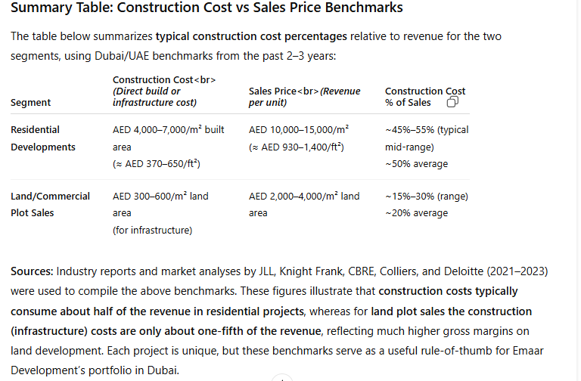
 |  |  |  |  | Conservative sales forecast | 16,993,333 | 21,476,667 | 24,150,379 | 24,152,336 | 21,289,922 | 17,379,929 | The Q1 2025 interim data suggests that ~92% of revenue comes from residential sales, with ~8% from commercial/land sales and development services
 |  |  |  |  |  | 0.33 | 0.33 | 0.33 | 0.33 | 0.33 | 0.33

 |  |  |  |  | Optimistic backlogs | 26,000,000 | 31,768,936 | 37,229,449 | 41,767,055 | 44,769,361 | 47,315,939 | Base case : emaar next backlogs graduately loose in growth starting next year
 |  |  |  |  |  | 21% | 22% | 17% | 12% | 7% | 6%
 |  |  |  |  |  |  |  |  |  |  |  | Conservative : backlog 2027 forecasted growth decrease by 20% compare to historical avg
 |  |  |  |  | ,,, Sales forecast | 16,993,333 | 21,476,667 | 26,416,312 | 31,666,128 | 36,921,813 | 41,255,288
 |  |  |  |  |  | 0.33 | 0.33 | 0.33 | 0.33 | 0.33 | 0.33 | Optimistic : next year backlog continue growing at historical avg before slow down in growth

 |  |  |  | (Switch) | 1 | 3,425,122 | 4,457,810 | 5,213,274 | 5,431,591 | 4,944,075 | 4,566,823
 |  |  |  |  | 2 | 3,696,626 | 4,818,541 | 5,720,883 | 5,984,331 | 5,497,055 | 5,084,329
 |  |  |  |  | 3 | 2,882,115 | 3,777,408 | 4,417,564 | 4,576,686 | 4,100,054 | 3,787,203 | Sources: | Dubai government and planning documents, Property market reports, Financial analyses of Emaar Properties

COGS | 1,499,473 | 2,271,589 | 1,645,785 | 883,766 | 2,135,703 | 3,425,122 | 4,457,810 | 5,213,274 | 5,431,591 | 4,944,075 | 4,566,823 | For each segment, we estimate cost as a % of sales to increase in the coming years due to ongoing geopolitical tensions and labor shortages. Construction material prices have seen sharp increases — for example, iron and steel costs in the UAE rose by over 25% in 2022 due to global supply disruptions (Meed, 2023), and cement prices spiked by 15% year-over-year (Deloitte, 2023). At the same time, labor availability remains constrained, with 73% of firms reporting a shortage in skilled trades and 59% citing difficulty hiring site managers (RICS, Q1 2024). However, we believe these pressures will ease in the longer term, as Emaar leverages its robust procurement strategy, established contractor relationships, and strong management team to adapt and protect margins (CBRE, 2023; Knight Frank, 2024).
% Sales | 64.4% | 63.2% | 55.1% | 29.5% | 44.3% | 61.0% | 62.8% | 62.8% | 60.9% | 56.1% | 56.1%

E Residential (92%) | 1,211,615 | 1,867,741 | 1,553,631 | 1,559,457 | 2,504,535 | 3,483,345 | 4,544,364 | 5,314,496 | 5,531,417 | 5,020,600 | 4,637,508
% of sales | 52% | 52% | 52% | 52% | 52% | 62% | 64% | 64% | 62% | 57% | 57%

E Commercial/land (8%) | 535,907 | 826,116 | 687,183 | 689,760 | 1,107,775 | 1,404,575 | 1,704,136 | 1,992,936 | 2,141,194 | 2,113,937 | 1,952,635
% of sales | 23% | 23% | 23% | 23% | 23% | 25% | 24% | 24% | 24% | 24% | 24%

COGS Estimated on Sales % | 1,157,559 | 1,784,411 | 1,484,315 | 1,489,881 | 2,392,794 | 3,317,044 | 4,317,146 | 5,048,771 | 5,260,199 | 4,788,067 | 4,422,718
ratio to actual COGS | 1.30 | 1.27 | 1.11 | 0.59 | 0.89 | 1.03 | 1.03 | 1.03 | 1.03 | 1.03 | 1.03

 |  |  |  |  | Conservative | 3,696,626 | 4,818,541 | 5,720,883 | 5,984,331 | 5,497,055 | 5,084,329
 |  |  |  |  |  | 65.8% | 67.9% | 68.9% | 67.1% | 62.4% | 62.5%
 |  |  |  |  |  |  |  |  |  |  |  | Base : Emaar can't sustain this level of cost with margins much higher than competitions
 |  |  |  |  |  | 3,764,260 | 4,899,392 | 5,812,730 | 6,066,715 | 5,549,084 | 5,125,667
 |  |  |  |  |  | 67% | 69% | 70% | 68% | 63% | 63% | Conservative : cost on residential rise by 15% compare to historicall avg next year continue rising eventually before slowing down in later years

 |  |  |  |  |  | 1,460,758 | 1,988,159 | 2,408,131 | 2,676,492 | 2,730,502 | 2,603,513 | Optimistic: Emaar maintain its level of margins,
 |  |  |  |  |  | 26% | 28% | 29% | 30% | 31% | 32%

 |  |  |  |  |  | 3,579,980 | 4,666,494 | 5,540,362 | 5,795,497 | 5,323,598 | 4,923,895
 |  |  |  |  |  | 1.03 | 1.03 | 1.03 | 1.03 | 1.03 | 1.03

 |  |  |  |  | Optimistic | 2,882,115 | 3,777,408 | 4,417,564 | 4,576,686 | 4,100,054 | 3,787,203
 |  |  |  |  |  | 51.3% | 53.2% | 53.2% | 51.3% | 46.5% | 46.5%

 |  |  |  |  |  | 2,921,515 | 3,834,307 | 4,484,106 | 4,639,253 | 4,139,793 | 3,823,910
 |  |  |  |  |  | 52% | 54% | 54% | 52% | 47% | 47%

 |  |  |  |  |  | 1,292,209 | 1,633,131 | 1,909,897 | 2,051,977 | 2,025,856 | 1,871,275
 |  |  |  |  |  | 23% | 23% | 23% | 23% | 23% | 23%

 |  |  |  |  |  | 2,791,171 | 3,658,213 | 4,278,169 | 4,432,271 | 3,970,678 | 3,667,700
 |  |  |  |  |  | 1.03 | 1.03 | 1.03 | 1.03 | 1.03 | 1.03

